18.1 Land Use
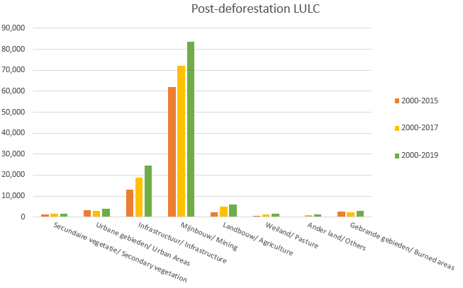
 |  | Totaal gebied Na ontbossing, Landgebruik Landbedekking (LULC) (klassen in ha) / Total Post-deforestation area, Land Use Land Cover (LULC) (classes in ha), 2000-2015, 2000-2017 and 2000-2019

 |  | Land Use and Land Cover (LULC) classes | Gebied/Area (ha) #
 |  |  | 2000-2015 | 2000-2017 | 2000-2019
 |  | Secundaire vegetatie/Secondary vegetation | 1,205 | 1,642 | 1,642
 |  | Urbane gebieden/Urban Areas | 3,424 | 2,931 | 3,807
 |  | Infrastructuur/Infrastructure | 12,964 | 18,843 | 24,400
 |  | Mijnbouw/Mining | 62,102 | 72,261 | 83,739
 |  | Landbouw/Agriculture | 2,213 | 4,956 | 5,932
 |  | Veeteelt/ Pasture* | 455 | 1,114 | 1,495
 |  | Ander land/Others | 281 | 769 | 1,124
 |  | Gebrande gebieden/Burned areas | 2,502 | 2,302 | 2,922
 | Bron: Stichting voor Bosbeheer en Bostoezicht /Source: Foundation for Forest Management and Production Control

 |  | Opmerking/ Remark:
 |  | De oppervlakte van weiland voor de periode 2000-2017 houdt ook in verlaten gebieden waar niet perse Veeteelt plaatsvindt/ The area of pasture for the period 2000-2017 also includes abandoned areas which are not necessarily Pasture areas.

 |  | Het jaar 2000 geldt als basisjaar/ The year 2000 is used as the base year.

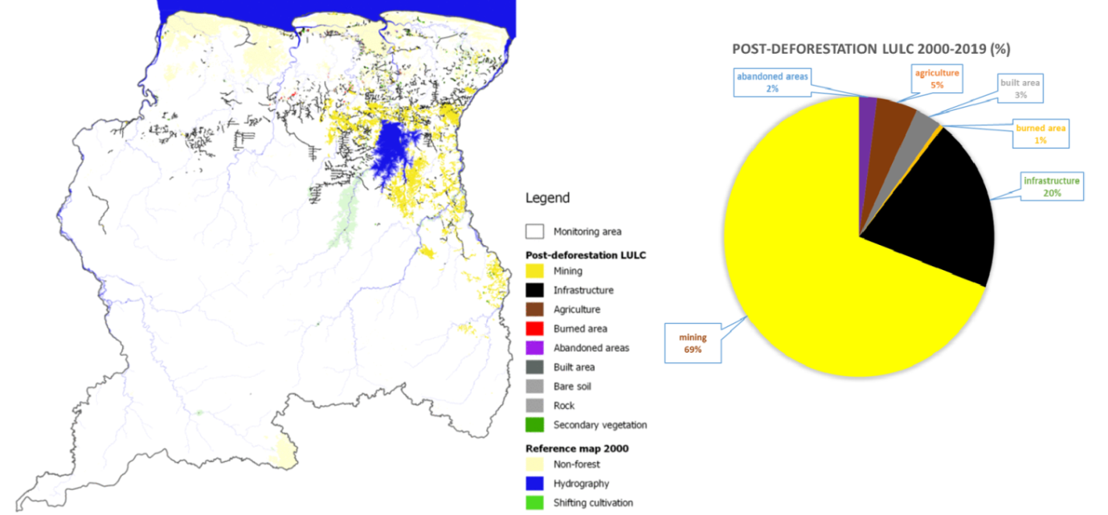
 |  |  |  |  |  | Grafiek 8.3: Totaal gebied Na-ontbossing, Landgebruik en Landbedekking (LULC) (klassen in ha),2000-2015, 2000-2017 en 2000-2019
 |  |  |  |  |  | Graph 8.3: Total Post-deforestation area, Land Use and Land Cover (LULC) (classes in ha),2000-2015, 2000-2017 and 2000-2019

(Bron: Stichting voor Bosbeheer en Bostoezicht /Source: Foundation for Forest Management and Production Control)

18.2 Protected Land
 |  | Beschermde oppervlakte als % van het totale landoppervlak, 2015-2021/ Protected Area as a % of the Total Land Area, 2015-2021
 |  | Year | Beschermd Bosgebied / Protected Forest area | Beschermd Gebied/ Protected area
 |  |  | km2 | %
 |  | 2015 | 22,650 | 14
 |  | 2016 | 22,650 | 14
 |  | 2017 | 22,650 | 14
 |  | 2018 | 22,650 | 14
 |  | 2019 | 22,650 | 14
 |  | 2020 | 22,650 | 14
 |  | 2021 | 22,650 | 14
Bron: Stichting voor Bosbeheer en Bostoezicht /Source: Foundation for Forest Management and Production Control

 | Note/Opmerking: *= voorlopige cijfer/ Provisional figures

 | Beschermde gebieden in Suriname (ha), 2021/ Protected Areas in Suriname (ha), 2021
 | Protected Areas(IUCN) |  | Funding year | Total unit | District | IUCN
 | Nature reserves
 | 1 | Boven Coesewijne (IV) | 1986 | 27,000 | Saramacca, Para | Terrestrial
 | 2 | Brinckheuvel (IV) | 1966 | 6,000 | Brokopondo
 | 3 | Central Suriname (IV) | 1998 | 1,592,000 | Sipaliwini
 | 4 | Coppename Monding (IV) | 1966 | 12,000 | Saramacca | Marine and Terrestrial
 | 5 | Galibi (IV) | 1969 | 4,000 | Marowijne
 | 6 | Hertenrits (III) | 1972 | 100 | Nickerie | Terrestrial
 | 7 | Copi (IV) | 1986 | 28,000 | Para
 | 8 | Peruvia (IV) | 1986 | 31,000 | Coronie
 | 9 | Sipaliwini (IV) | 1972 | 100,000 | Sipaliwini
 | 10 | Wane kreek (IV) | 1986 | 45,000 | Marowijne
 | 11 | Wia Wia (IV) | 1966 | 36,000 | Marowijne | Marine & Terrestrial
 | Natuurpark/ Nature parks
 | 12 | Brownsberg (II) | 1970 | 12,200 | Brokopondo | Terrestrial
 | Bijzondere beheersgebieden/Special management areas
 | 13 | Bigi Pan (IV) | 1987 | 67,900 | Nickerie & Coronie | Marine & Terrestrial
 | 14 | Noord Coronie (IV) | 2001 | 27,200 | Coronie
 | 15 | Noord Saramacca (IV) | 2001 | 88,400 | Saramacca
 | 16 | Noord Commewijne-Marowijne (IV) | 2002 | 61,500 | Commewijne, Marowijne
 | Totaal /Totaal |  |  | 2,138,300
 | 17 | Nani NR (IV) |  | 54,000
 | 18 | Kaburi NR (IV) |  | 68,000
 | 19 | Mac Clemen SPF* (VI) |  | 6,000
 | 20 | Snake Creek SPF* (VI) |  | 4,000
 | Totaal/Total |  |  | 132,000

 | Note:Protected areas 17 through 20 are proposed protected areas.

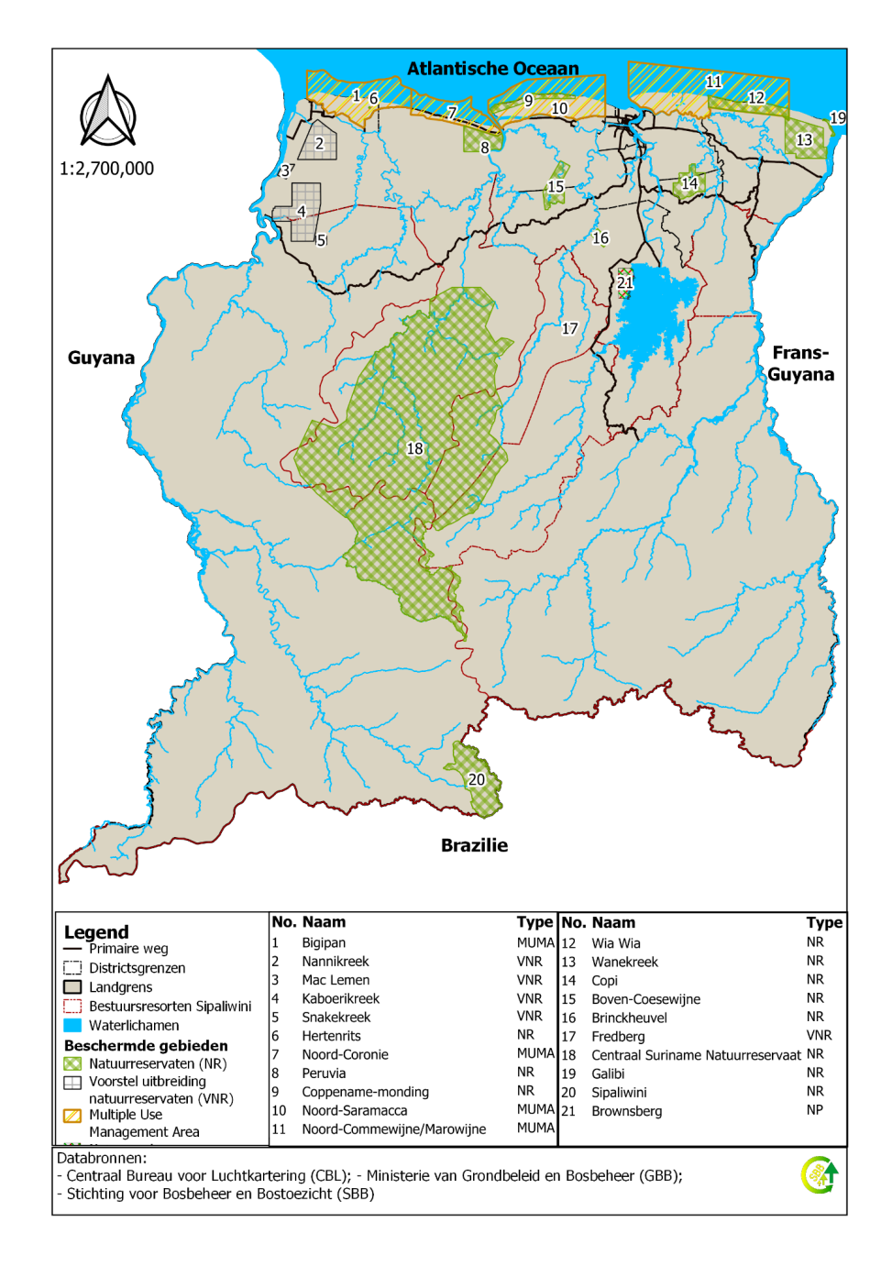

 |  | Figuur 8.7: Kaart met de beschermde gebieden in Suriname, 2022
 |  | Figure 8.7: Map with the Protected Areas of Suriname, 2022

