1.2.2
1.2.2 Proportion of men, women and children of all ages living in poverty in all its dimensions according to national definitions
The following four series are used to monitor the SDG 1.2.2. 1)Official multidimensional poverty headcount, by sex, and age (% of population) ( The percentage of people who are multidimensionally poor) 2)Average share of weighted deprivations (intensity) for total population (The average share of weighted dimensions in which poor people are deprived among total population) 3)Official multidimensional poverty headcount (% of total households). (The percentage of households who are multidimensionally poor) 4)Average share of weighted deprivations (intensity) for total households(The average share of weighted dimensions in which poor people are deprived among total households) 5)Multidimensional deprivation for children (% of population under 18).(The percentage of children who are simultaneously deprived in multiple dimensions of well-being)

Poverty Indices using National indicators and cut offs, Census 2012 |  |  |  |  | Overlap between monetary and multidimensional poverty, 2022, in %
Region | H | A | MO |  |  |  | Poor (<US$ 6.85) | Population
Urban | 7 | 37 | 3 |  | Multidimensionally poor |  | 57.4 | 43.2
Rural | 10 | 38 | 4 |  | Health
Interior | 66 | 49 | 32 |  | Chronic illness | At least one member of the household has a chronic illness | 65 | 61.4
National | 16 | 44 | 7 |  | Disability | At least one member of the household has a disability | 36.3 | 33.8
Gender of head |  |  |  |  | Education
Male-headed | 11 | 41 | 4 |  | Level of education | Head of household did not complete lower secondary education | 64.3 | 52.1
Female- headed | 26 | 46 | 12 |  | ICT skills | At least 1 person in the household does not use the internet at all | 57.6 | 38.8
Ethnicity |  |  |  |  | School attendance | Not all children in school age from the household are attending school | 20.9 | 12.9
Amerindian | 33 | 43 | 14 |  | Communication | Household does not have any communication device | 1.1 | 0.7
Maroon | 47 | 48 | 23 |  | Literacy | There is at least 1 person unable to read/write in the household | 22.2 | 9.8
Creole | 6 | 37 | 2 |  | Learning delay | Household has at least one person who has a school delay | 25.4 | 14
Hindustani | 11 | 37 | 4 |  | Standard of Living | Household:
Javanese | 4 | 36 | 1 |  | Cooking fuel | does not have access to quality cooking fuel sources | 16.6 | 7.1
Other | 4 | 37 | 2 |  | Sanitary facilities | does not have access to improved sanitary | 21.5 | 9.2
Distrct |  |  |  |  | Drinking water supply | does not have access to quality drinking water facilities nearby | 0.7 | 0.8
Paramaribo | 6 | 36 | 2 |  | Housing | has roof that is made of inadequate materials | 0.6 | 0.2
Wanica | 10 | 37 | 4 |  | Overcrowding | members share bedroom with more than 3 people | 21 | 8.6
Nickerie | 9 | 38 | 3 |  | Socioeconomic security
Coronie | 8 | 47 | 4 |  | Financial | Income from transfers is the main source of income | 1 | 0.2
Saramacca | 10 | 37 | 4 |  | Insurance | Not all members of the household have health insurance | 63.3 | 40
Commewijne | 6 | 40 | 3 |  | Employment | No member of the household has a job | 20.8 | 11.4
Marowijne | 26 | 39 | 10 |  | Safety | at least 1 member of the household was a victim of a crime | 2.5 | 3.8
Para | 16 | 39 | 7 |  | Dependency | Households with Members/Working Age Members greater than 3 | 83.6 | 67.7
Brokopondo | 56 | 46 | 3 |  | Source: Suriname Survey on Living Conditions, 2022
Sipaliwini | 84 | 51 | 43 |  | Retrieved from: Suriname Poverty and Equity Assessment, May 2024
Source: Census 2012, calculated by National Poverty Committee, using country specific indicators |  |  |  |  | Note: This table is based on the Worldbank definition of Poverty, which is an international definition and not a national definition.
* prelimenary results

Proposed National MPI- dimensions and indicators

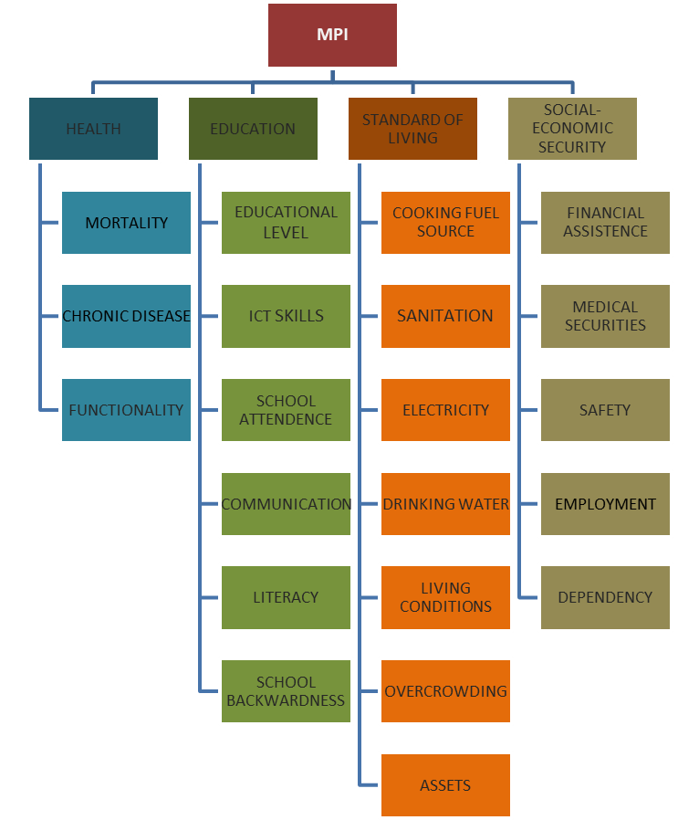

 | List of indicators and respective cutoffs by dimension for the National MPI
 | DIMENSION | INDICATORS | Deprived if household has: | weights
 | 1.Health | Mortality | At least 1 case of mortality is reported before the average life expectation age | NA
 |  | Chronic disease | At least 1 member has a chronic disease | 1/10
 |  | Dysfunctionality | At least 1 member in the household has a disability or dysfunctionality or is declared incapacitated for the labor market | 1/10
 | 2.Education | Educational attainment level | A head who has not completed at least Secondary Junior High | 1/15
 |  | ICT skills | No household member with required set of ICT skills | NA
 |  | School attendence | At least 1 member of 6 -16 years of age does not attend the school | NA
 |  | Communication | No access to at least one of the following communication/information sources: newspaper, radio, television, internet, mobile phone | NA
 |  | Literacy | At least 1 member is illiterate, cannot read and write, or has never attended school | NA
 |  | School backwardness | At least 1 member of 6-16 years of age has a school backwardness of 2 or more years up to the required level | NA
 | 3.Standard of Living | Cooking fuel | No access to improved cooking fuel sources | 1/30
 |  | Sanitation | No access to sanitation facilities and/or is sharing the facility with other households | 1/30
 |  | Drinking water | No access to improved drinking water sources which is in a range of 200 meters of the dwelling | 1/30
 |  | Electricity | No access to improved electricity sources | 1/30
 |  | Living conditions | Housing material for roofing, walls and floors are inferior and/or no access to own dwelling | 1/30
 |  | Overcrowding | At more than 3 persons per bedroom | 1/25
 |  | Assets and household durables | Access to less than halve of the following household durables and assets (or similar items): radio, television, telephone, computer, transport vehicle, washing machine, microwave oven, air conditioner /fan, hydrophore, stove with or without oven, refrigerator | radio/tv/phone:1/45 other : 1/25
 | 4.Social-Economic Security | Financial assistance | At least 1 member receives financial assistance (other than elderly allowance) from the government as the main income to cover the living expenses. | NA
 |  | Medical | At least 1 member has no medical insurance coverage or makes use of the insurance provided through social assistance | 1/15
 |  | insurance
 |  | Safety | At least 1 member was a victim of a crime assault | NA
 |  | Employment | No member of the household is employed | 1/15
 |  | Dependency ratio | If the dependency ratio (number of household members/ the number of workers) is more than 2; | 1/15
 | Sorce: National Poverty Comitee, Ministry of Labor, Employment and Youth Affairs, July 2022
 | * Not all variables were available in the 10% household Census sample.

Multidmensional Poverty Indices from Studies of Sobhie (2018) and Kisoensing (2021)

MPI by area using OPHI-Global MPI indicators and cut offs (%), MICS 2018
Area | Headcount (H) | Intensity Deprivation (A) | Multi-Dimensional Poverty index (MPI)
Urban | 1.2 | 42.4 | 0.005
Rural | 3.2 | 44.7 | 0.014
Interior | 19.1 | 42.3 | 0.081
National | 3.2 | 42.8 | 0.014
Source: MICS 2018, calculation by Kisoensingh (2021) using OPHI-Global MPI_indicators and cut offs

Multidimensionale Poverty and extreme multidimensionale Poverty by Gender Head of Households, MICS 2018
Gender Head Household | Extreme Poor households | Poor households
Male | 0.2 | 1.6
Female | 0.9 | 5.4
Source: MICS 2018, MPI calculation based on the Surinamese MPI from the Thesis from Kisoensingh (2021)

Poverty Indices using national indicators and cut offs, Census 2012
Region | head count ratio | Ethnicity | Head count ratio
Urban | 0.17 | Amerindian | 0.48
...

1.4.2
 | 1.4.2 Proportion of total adult population with secure tenure rights to land, (a) with legally recognized documentation, and (b) who perceive their rights to land as secure, by sex and type of tenure
 | Indicator 1.4.2 covers (a) all types of land use (such as residential, commercial, agricultural, forestry, grazing, wetlands based on standard land-use classification) in both rural and urban areas; and (b) all land tenure types as recognized at the country level, such as freehold, leasehold, public land, customary land. An individual can hold land in his/her own name, jointly with other individuals, as a member of a household, or collectively as member of group, cooperative or other type of association.

 | No data made available yet

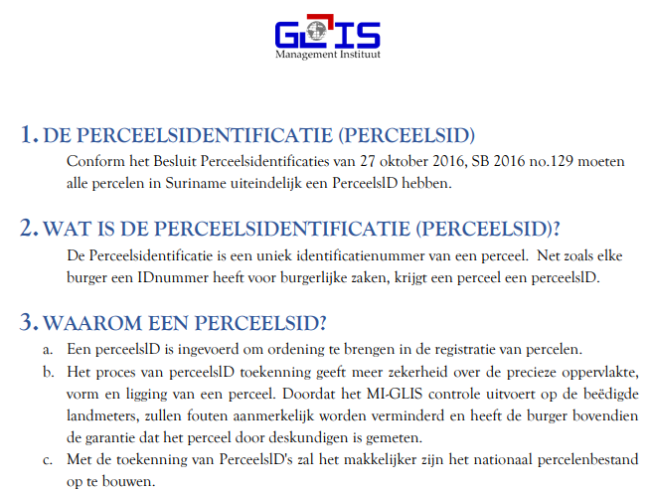
Plot IDs allocation per district, December 2021
Paramaribo | 15,724
Wanica | 19,047
Nickerie | 2,720
Coronie | 239
Saramacca | 2,030
Commewijne | 4,988
Marowijne | 948
Para | 3,445
Brokopondo | 121
Sipaliwini | 275
Total | 49,537
Plot administration as per 31st of December 2021 | 259,228
Plot ID in % of total Plots | 19.11
Source: GLIS Management Institute
Retrieved from: | https://miglis.sr/perceelsid-statistieken/

Households with Home Owners, 2022 |  | House ownership by area, 2022
 | Population in % | House Ownership form | Urban | Rural Coastal | Rural Interior
No | 35.3 | Owned (with Mortgage) | 8.7 | 7.6 | 0.9
Yes | 64.7 | Owned (without Mortgage) | 51 | 53.4 | 70.5
Source: Suriname Survey on Living Conditions, 2022 |  | Inheritance | 18 | 17.7 | 8.8
Retrieved from: Suriname Poverty and Equity Assessment, May 2024 |  | Rented room in larger dwelling | 0.3 | 0.2 | 0.3
...

1.5.3
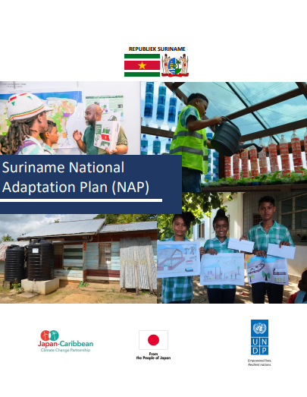
1.5.3 Number of countries that adopt and implement national disaster risk reduction strategies in line with the Sendai Framework for Disaster Risk Reduction 2015–2030
NA [a] An open-ended intergovernmental expert working group on indicators and terminology relating to disaster risk reduction established by the General Assembly (resolution 69/284) is developing a set of indicators to measure global progress in the implementation of the Sendai Framework. These indicators will eventually reflect the agreements on the Sendai Framework indicators. |  |  | Suriname’s National Adaptation Plan (NAP) 2019 - 2029 was developed with financial and technical support of the Japan-Caribbean Climate Change Partnership (J-CCCP) Project. The NAP seeks to enable Suriname to conduct comprehensive medium and long-term climate adaptation planning.The NAP treats disaster risk reduction as a crosscutting and integrative sector, involved in varying aspects of adaptation planning.The priorities as established within the NAP provide many meaningful entry points for the Country Work Programme and coherence among the agendas.

See in SDG 13

 | Source: | https://unfccc.int/sites/default/files/resource/NAP-Suriname-2020.pdf

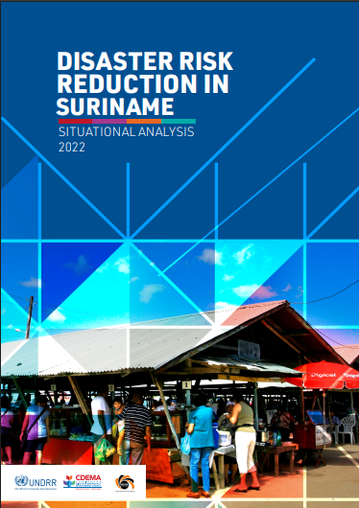
 |  |  | The Sendai Framework's Target E intends to boost the number of nations having disaster risk reduction policies. Participating States of the Caribbean Disaster Emergency Management Agency (CDEMA) link their Country Work Programs with the four Sendai Framework priority areas. This study aims to guide the creation and revision of key national instruments, such as the Country Work Programme, National Adaptation Plan, National Development Strategy, sectoral policies, and supporting instruments for implementing the 2030 Agenda in Suriname.

 | Source: | https://www.undrr.org/media/91201/download?startDownload=20250311

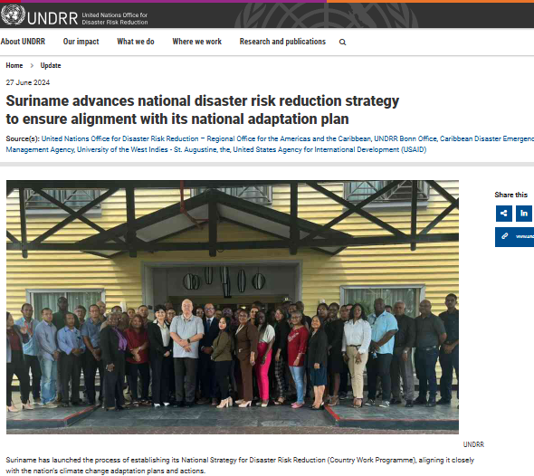
 |  |  |  |  | As for the next phase, Suriname has launched the process of establishing its National Strategy for Disaster Risk Reduction (DRR). The DRR Gap Analysis Workshop in Suriname represents a crucial step towards achieving the 2030 Sustainable Development Agenda and fulfilling national commitments to the Paris Agreement. By fostering collaboration and knowledge exchange among a diverse range of stakeholders, the workshop aimed to initiate the process of developing a Country Work Program (CWP) for Suriname. This initiative seeks to enhance the country's disaster risk management capabilities and integrate climate change adaptation (CCA) into disaster risk reduction (DRR) efforts.

 | Source: | https://www.undrr.org/news/suriname-advances-national-disaster-risk-reduction-strategy-ensure-alignment-its-national

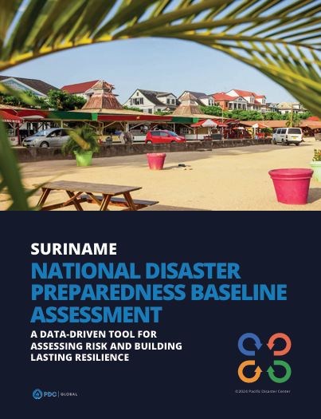
 |  |  |  | The Suriname National Disaster Preparedness Baseline Assessment (NDPBA) was completed in a partnership between the Pacific Disaster Center (PDC), the Nationaal Coördinatiecentrum voor Rampenbeheersing (NCCR) and the support of in-country stakeholders.The assessment includes the Risk and Vulnerability Assessment (RVA) and the Disaster Management Analysis (DMA). Multi-hazard exposure, social-economic vulnerabilities, and coping ability are RVA factors. The DMA evaluates six subthemes qualitatively: Enabling Environment, Institutional Arrangements, Disaster Governance Mechanisms, Capabilities and Resources, Capacity Development, and Communication and Information Management. The DMA results frame the RVA findings, offering a complete picture of disaster management. PDC and NCCR used the assessment findings to create a Disaster Risk Reduction 5-Year Action Plan to effectively manage limited resources and identify financing possibilities.The Multi-Annual Development Plan 2022-2026 emphasizes reducing disaster impacts on vulnerable populations and limiting economic losses. The Environmental Framework Act 2020 further strengthens this commitment by establishing the National Environmental Authority, aimed at enhancing climate change adaptation and building disaster-resilient infrastructure. However, the effectiveness of NCCR is hindered by the absence of an approved Disaster Management Law, which is crucial for delineating roles and resources, thus improving disaster preparedness and response across Suriname.

 | Source: | https://reliefweb.int/report/suriname/suriname-national-disaster-preparedness-baseline-assessment-data-driven-tool-assessing-risk-and-building-lasting-resilience-ennl

1.a.1
...
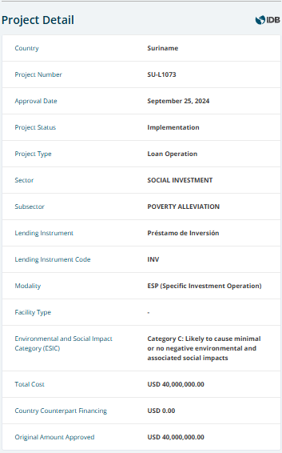
 |  |  | IADB
Suriname multilateral and bilateral creditors in US$ millions, 2023 |  |  |  |  | IADB: Support to Safety Nets for Vulnerable Populations in Suriname (US$ 40 million) - Sept 25, 2024. The general objective is to contribute to poverty reduction in Suriname by expanding the social protection system's coverage, efficiency, and capacity to promote human capital among vulnerable households. The specific objectives are to: (i) enhance the social protection system to better protect vulnerable populations, specifically female-led poor households and persons with disabilities, and improve efficiency through improved targeting methods; and (ii) promote human capital development among poor households with children.
 | Debt Stock incl. Arrears | In % of GDP
Multilateral creditors | 1,319
IMF | 265 | 8
Worldbank | 19 | 1
IADB | 847 | 24
Other Multilaterals of which:
Caribbean Development Bank | 116 | 3
European Investment Bank | 1 | 0
Islamic Development Bank | 41 | 1
The OPEC Fund for International Development | 30 | 1
...
Bilateral Creditors ow which: | 428 |  |  |  | 2022 IaDB Loan
Paris Club | 32 | 1 |  |  | IaDB - Support to Safety Nets for Vulnerable Populations in Suriname Signed: February 22nd, 2022 Amount: US$ 30 million General Objective: To ensure minimum consumption levels for vulnerable groups & strengthen the country’s social safety net
China | 384 | 11 | Source: IaDB, SDMO
India | 12 | 0 | Retrieved from: | https://www.iadb.org/en/project/SU-L1073
Note: This table excludes commercial creditors |  |  |  | https://sdmo.org/documenten/leningen/foreign_loan_agreements_2022.pdf
Source: Suriname Debt Management Office
Retrieved from: | https://sdmo.org/documenten/debtpack/CreditorDebtData2025.pdf

IMF
One of the measures of the Government of Suriname under the IMF's EFF program is to review government expenditure on social protection and publish a time-bound strategic plan to improve the efficiency and effectiveness of social services, with the objective of strengthening social spending. The completion of the eight review allows for an immediate purchase equivalent to SDR 46.8 million (about USD 61 million) of which SDR 33.5 million (about USD 44 million) would be for budget support, which could additionally also be used to strengthen social protection programs. With help from the ILO and IDB in conducting diagnostics, the ministry of Social Affairs and Public Housing developed a home-grown strategic plan in line with our Multi-Annual Development Plan 2022–26. They are developing a unified digital beneficiary information system sponsored by the IDB to be implemented by end-2025. They are also simplifying programs and extending coverage to reduce costs. This will get 21 social programs streamlined into a smaller set of coherent social programs. The government is also switching to digital payments to increase coverage and cut expenses. To promote transparency and supervision, they will endeavor to transfer payments through the banking system when possible. In July 2023, the Ministry of Social Affairs and Public Housing raised cash transfers by 45% and expanded the social beneficiary program (SRD 1800 per month) to include ordinary old-age pension claimants. Digital payment card registration and delivery for new social beneficiary applicants were expedited in December 2023, ensuring that eligible recipients received one-time payments in January 2024. Social expenditure is set to increase from 2.5% of GDP in 2023 to 3.5% in 2024. The social beneficiary program, which currently supports approximately 132,000 beneficiaries, continues to expand. In 2024, cash transfer values will be adjusted to safeguard vulnerable households and reduce poverty among a greater nu
...

1.b.1
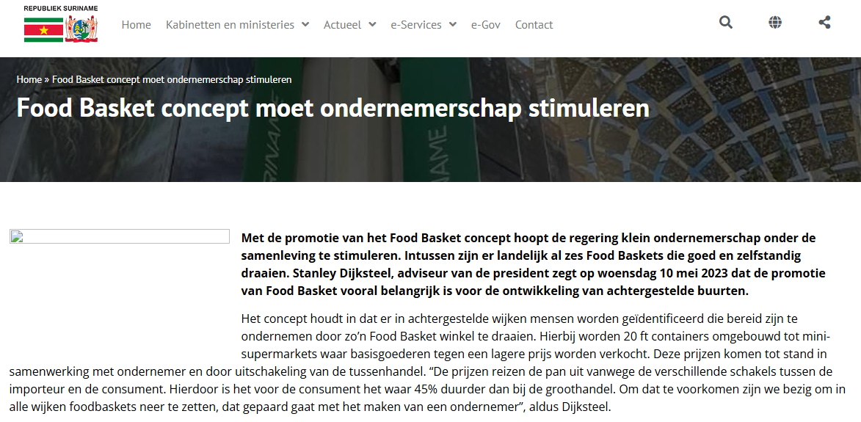
1.b Create sound policy frameworks at the national, regional and international levels, based on pro-poor and gender-sensitive development strategies, to support accelerated investment in poverty eradication actions |  |  |  |  |  |  | Foodbasket concept: Foodbasket is an innovative franchise with the main goal of providing low-income citizens with cheap groceries. The groceries will be distributed via strategic posts, mainly in working-class neighborhoods. The concept involves identifying people in disadvantaged neighbourhoods who are prepared to become entrepreneurs by running a Food Basket store. In this case, 20 ft containers are converted into mini-supermarkets where basic goods are sold at a lower price. These prices are established in collaboration with entrepreneurs and by eliminating the middleman. In order to support the most vulnerable in society in their livelihood, the government has launched the Foodbasket Voucher System, which provides assistance to people who do not yet receive a subject subsidy. The voucher can be used to buy up to SRD 1,000 worth of basic food of choice at the Foodbaskets.
1.b.1 Pro-poor public social spending

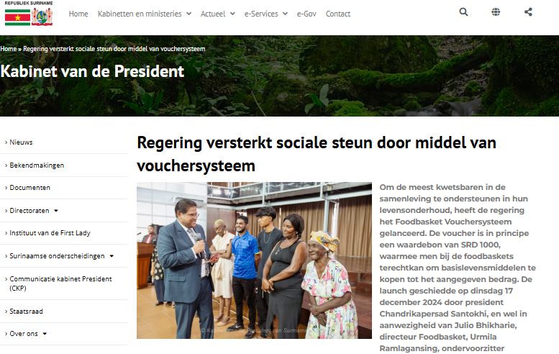

 | Source: Government of the Republic of Suriname
 | Retrieved from: |  | https://gov.sr/?s=food%20basket&jet_ajax_search_settings=%7B%22search_source%22%3A%5B%22post%22%2C%22bekendmaking%22%2C%22event%22%2C%22vacature%22%2C%22aanbestedingen%22%5D%7D

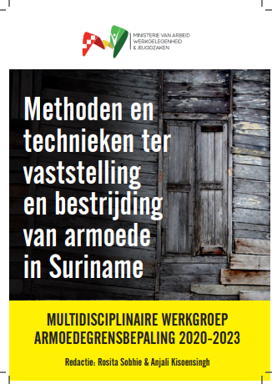
 |  |  |  | By establishing Surinamese-oriented measurement techniques, insight is not only gained into the extent and severity of poverty in Suriname, but it is also possible to study poor households in more detail for their characteristics, patterns and factors that contribute to this unfavorable situation. Empirical policy measures will be developed based on the findings of the Poverty Commission, in order to continue to offer a helping hand to society in general, and the less well-off and vulnerable in particular, in a socially responsible manner. In this way, the Ministries of AWJ and Social Affairs and Housing (SOZAVO) will be better able to efficiently and effectively implement their socio-economic policy programs, in line with the policy of the Crisis and Recovery Plan 2020-2022, in which poverty reduction was one of the core themes.

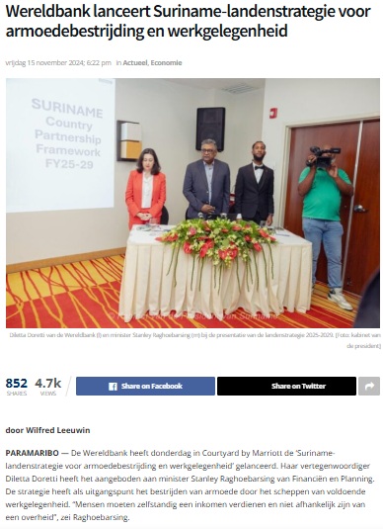
 |  |  |  |  | The document containing details of the strategy is currently not available yet.

 | Source: | https://dwtonline.com/wereldbank-lanceert-suriname-landenstrategie-voor-armoedebestrijding-en-werkgelegenheid/

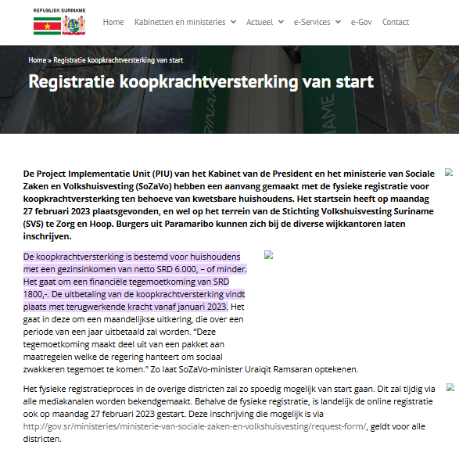
 |  |  |  |  |  | The Project Implementation Unit (PIU) of the Office of the President and the Ministry of Social Affairs and Housing (SoZaVo) started the physical registration for purchasing power enhancement for vulnerable households in February 2023 whereas citizens could register at the various district offices. The purchasing power enhancement is intended for households with a net family income of SRD 6,000 or less. This concerns a financial compensation of SRD 1,800. This concerns a monthly allowance, which will be paid over a period of one year. According to the minister of Social Affairs and AWJ, this compensation is part of a package of measures that the government uses to accommodate the socially disadvantaged. During the physical and online registration in 2023, approximately 73,000 individuals or families registered. The payments started in January 2023 with a foundation of 18,100 families/beneficiaries, namely: persons with disabilities, senior citizens and socially disadvantaged households who were already included in the SOZAVO file. In April, 31,038 families/persons qualified for the SRD 1,800 and for the month of May, more than 50,000 beneficiaries were achieved. From this number, the civil servants were selected who qualify for the purchasing power reinforcement of SRD 2,500 through the system of the Central Bureau of Mechanical Administration (CEBUMA). Ultimately, the number for May came to 43,253. For the month of June 2023, after instructions from the Ministry of Finance and Planning, government pensioners have also been removed from the file, because this group will receive the SRD 1800 via the pension fund. Ultimately, there were 41,500 beneficiary families for the month of June. Civil servants and their equivalents would receive an additional SRD 1,000 in purchasing power reinforcement on top of the SRD 2,500 that is already provided. Retired civil servants would receive 70% of this. For civil servants in the healthcare sector (nurses), specific purchasing pow

 | Source: | Government of the Republic of Suriname
 | Retrieved from: | https://gov.sr/registratie-koopkrachtversterking-van-start/
 |  | https://gov.sr/?s=koopkracht+versterking&jet_ajax_search_settings=%7B%22search_source%22%3A%5B%22post%22%2C%22bekendmaking%22%2C%22event%22%2C%22vacature%22%2C%22aanbestedingen%22%5D%7D

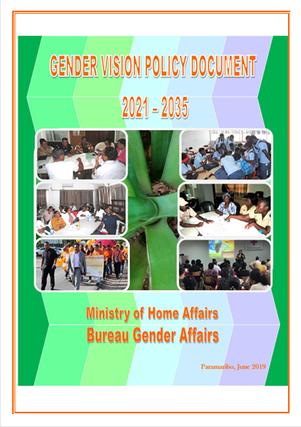
 |  |  |  |  | This vision document and the accompanying working documents of previous years, should be seen as a guideline for jointly, according to planning and above all structured implementation of the many work that still needs to be done to achieve gender equality in Surinamese society in the coming period. Because societal transformation related to gender equality and fairness takes time, a long-term gender strategy was selected. The difficulties outlined in the OP 2017-2021 regarding gender policy design and execution will take time to accomplish. This gender policy paper is accompanied by the Gender Plan of Action 2019–2020, which lists concrete initiatives for this period. Additionally, the long-term gender policy was chosen to span one year of the current OP (2017-2021). This prevents a gap and enables the intended gender policy to be seamlessly included in Suriname’s the next national development plan.

 | Source: | Ministry of Home Affairs, Bureau Gender Affairs, 2019
 |  | https://gov.sr/wp-content/uploads/2022/03/3-juli-engelse-printversie-gender-vision-policy-document-2021-2035-1.pdf

