10.1.1
10.1.1 Growth rates of household expenditure or income per capita among the bottom 40 per cent of the population and the total population
The growth rate in the welfare aggregate of bottom 40% is computed as the annualized average growth rate in per capita real consumption or income of the bottom 40% of the income distribution in a country from household surveys over a roughly 5-year period. The national average growth rate in the welfare aggregate is computed as the annualized average growth rate in per capita real consumption or income of the total population in a country from household surveys over a roughly 5-year period.

Figure 2. Consumption expenditures by stratum

Source: 2013/14 HBS
Explanation Figure 2:
Figure 2 presents the weighted equivalised consumption expenditures, here and further, expenditures for the 5 strata. The difference between the distribution of ParWan and the other strata is evident and point to relative higher expenditures for households in the urban region. The figure shows that the (95%)-range for all the other strata lies between 0-254 $ (0-500 SRD), while this is between 0-1018 $ (0-2000 SRD) for ParWan, not taking the right tail of the distributions into account. The higher and smaller the distribution function, the lower the average expenditures are for the strata. According to this logic, we expect the lowest expenditures for CorSar, the graph with the highest peak, followed by Nickerie and so on. Further in this section we will link back to these estimates, when we tabulate the average expenditures by strata.

Figure 3. Expenditures in maingroups following the COICOP-classification (%) |  |  |  |  |  |  |  |  |  | Figure 4 presents these expenditures by stratabased upon these 3 main categories, and the remaining categories are clustered in the group ‘Other’.
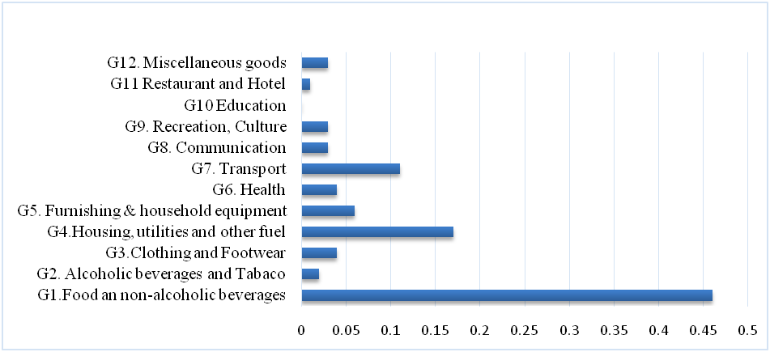
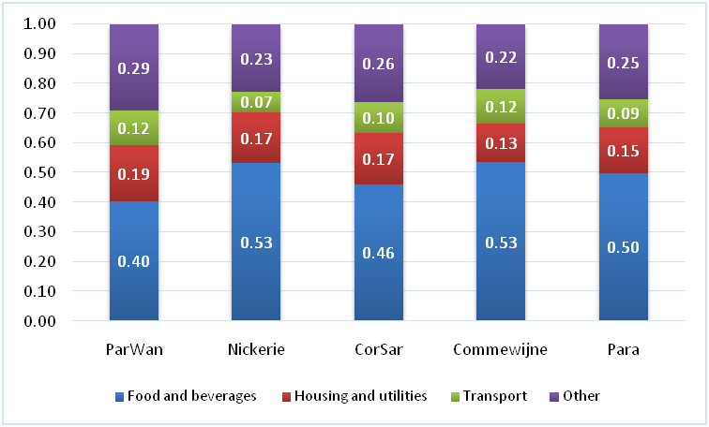

Source: 2013/14 HBS |  |  |  |  |  |  |  |  |  | Source: 2013/14 HBS
The classification of the expenditures in 12 main groups shows that households spend about 76% of the expenditures on 3 categories: food and non-alcoholic beverages (46%), household and utility costs (17%) and transportation (11%). |  |  |  |  |  |  |  |  |  | The division by strata shows that the relative proportion of food (40%) for the urban stratum (ParWan) is much lower than the other strata, which have more or less the same proportion of food share (50%).The share of all other expenditure categories are for the urban a bit higher than for the rural strata.

Figure 5. Expenditures of the 3 main groups by quintile-classification
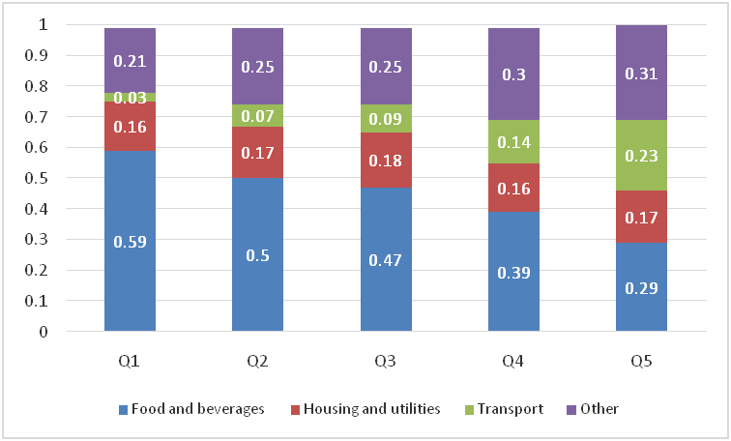

Explanation Figure 5
The next division is in quintiles, 5 equal groups of the household after ranking of their expenditure, presented by Figure 5. Households with the lowest expenditures are in Q1,and Q5 is thegroup households with the highest expenditures. Comparing the quintiles show that the share of food in the total consumption basket is the highest for Q1, and gradually this becomes lower for the other quintiles. For Q1-3, half of their consumption share consist of food, while for the richest group this is only 30%. The share for housing and utility expenditures is surprisingly almost equal for all the quintiles. We can conclude by saying that those in the lowest quintiles spend most of their expenditures on food , followed by housing and utilities expenses, while the highest quintile spend more or less equal proportions on all the 3 main categories, but relatively lower on food compared to the other quintiles. Spending relatively more of the disposable income on food for the lower quintiles, confirms traditional poverty theories that the poor spend almost all their income on food. Food is an essential part of the basic needs basket and the 2013/14 HBS data confirms also that households that are better off, spend less of their expenditures on food.

Tables 6 and 7 show expenditures by quintile’sethnicity. It also shows the distance between the lowest and the highest quintile for each ethnic group. This classification allows for comparison of groups with a lower living standard and those with higher standards. The classification is studied by taking account of the ethnic background of the household (Table 6) and geographical location or the stratum. Besides the general comparisons between and within subgroups, we also calculate specific inequality ratio’s to measure the differences between the earlier mentioned population subgroups and between the variousquintiles. In the last row of each table the ratio of the average expenditures of the highest and the lowest quintile is listed (Q5/Q1) for each subgroup, that is the ratio between the richest 20% and the poorest 20% of the sample. In addition, in the last column of each of these tables the ratio between the highest and the lowest average expenditure (ratio H/L) within each quintile is listed. The interpretation of the inequality ratio is that (since these ratio’s will be higher than 1) that the higher the ratio, the higher the inequality between the compared groups. The results are analysed step by step in the following part.

Table 6. Expenditures classified by quintiles, ethnicity and inequality ratios (N=2928) |  |  |  |  |  |  |  |  |  |  | Table 7. Expenditures classified by quintiles, strata and inequality ratios (N=2928)
Quintiles | Amerindians | Maroons | Creoles | Hind. | Javanese | Mixed | Other | Total | H/L |  | Quintiles | ParWan | Nickerie | CorSar | Commewijne | Para | Total | H/L
Q1 | 82.21 | 89.89 | 86.26 | 81.78 | 86.85 | 87.67 | 82.95 | 85.39 | 1.1 |  | Q1 | 93.21 | 74.34 | 81.12 | 82.49 | 82.33 | 85.39 | 1.3
Q2 | 174.7 | 176.01 | 176.95 | 180.94 | 177.19 | 175.09 | 172.05 | 177.68 | 1.1 |  | Q2 | 178.94 | 173.76 | 166.81 | 180.57 | 173.26 | 177.68 | 1.1
Q3 | 254.86 | 289.36 | 285.98 | 286.53 | 279.2 | 285.97 | 279.27 | 284.8 | 1.1 |  | Q3 | 285.29 | 290.56 | 282.5 | 280.65 | 273.61 | 284.8 | 1.1
Q4 | 418.72 | 475.64 | 467.02 | 462.31 | 466.76 | 468.31 | 456.72 | 465.1 | 1.1 |  | Q4 | 467.4 | 449.02 | 449.58 | 448.68 | 456.32 | 465.1 | 1.04
Q5 | 723.9 | 847.68 | 1124.09 | 1221.05 | 1064.73 | 1072.58 | 1104.01 | 1112.71 | 1.7 |  | Q5 | 1119.75 | 1127.49 | 921.45 | 969.56 | 907.66 | 1112.71 | 1.2
Total | 232.81 | 276.82 | 479.81 | 436.65 | 374.88 | 522.22 | 432.78 | 425.01 | 2.2 |  | Total | 495.46 | 236.42 | 202.02 | 241.26 | 181.98 | 425.01 | 2.7
Q5/Q1 | 8.8 | 9.4 | 13 | 14.9 | 12.3 | 12.2 | 13.3 | 13 |  |  | Q5/Q1 | 12 | 15.2 | 11.4 | 11.8 | 11 | 13

Explanation Figure 6 |  |  |  |  |  |  |  |  |  |  | Explanation Figure 7
The resultsfor ethnic groups show that the inequality between the richest and the poorest group is around 13 and varying between 8.8 and 14.9. That means that the 20%-richest group spend thirteen times more than the poorest 20%. For the Amerindians, for example the mean expenditures forthe richest group is $ 724 (SRD1422) and for the Q1, the poorest group, $82 (SRD 162).This results in an inequality ratio of 8.8. Compared tothe other ethnic groups, the Amerindians have the lowest inequality ratio. The highest inequality ratio is found with the Hindustani, with an estimated 14.9 ratio. Comparing all the subgroups show that the Hindustani’s in Q5 have the highest expenditures $ 1221 (SRD2399), and the Amerindians in Q1 the lowest $ 82 (SRD 162). However, this does not mean that the Hindustani’s are the richest of the sample; the means of the total sample show that the Amerindians are indeed the poorest $233 (SRD 457) followed closely by the Maroons with $ 277 (SRD 544), while the mixed ethnic group has the highest mean, $ 522 (SRD 1026). Noteworthy, is also the expenditures of the Q4, which are twice the level of the households in Q3.Comparing the mean of the total sample with the means of the quintiles, we can say that the results indicate that for Amerindians and Maroons the mean of their total subgroup is a representation of the average of Q1-Q3, while for the Hindustani, Creole and Javanese households the mean of the total sample represents more the average of the Q4 and Q5 means. In the table, the figures for the highest and lowest expenditures are marked bold for each quintile, and the results in the last column show that within each quintile the expenditures of the ethic group with the highest score is approximately 1.1 times higher, than the lowest score. These figures indicate that within each quintile the inequality between ethnic groups is less outspoken,as are the inequality ratios between quintiles, especially, Q5 compared to Q1. Q5 has the highest ine |  |  |  |  |  |  |  |  |  |  | For Table 7 the same procedure as Table 6 is repeated, but now with a focus on strata. The results show for example that households in the lowest quintile in ParWan have an average spending of $ 93, while this is 4 times higher for the fourth quintile ($ 467) and almost 11 times higher for the fifth quintile ($ 1120). Comparing the highest and lowest quintiles, show that Nickerie has the highest inequality ratio (Q5/Q1=15.2). This is not surprising, since the majority in Nickerie consist of Hindustani, which wereidentified as the group with the highest inequality in Table 6. The lowest inequality is found in Para (Q5/Q1=11.0), which can also be explained by the majority of Amerindians living in this strata. Between the various strata, the highest inequality is found in the first quintile, between ParWan and Nickerie, with an ratio of 1.3.The total sample ratio is 2.7 between ParWan and Para, which means that ParWan has compared to Para, and more or less with all the other strata, an expenditure level that is 3times higher.

Summarizing the results presented in the Tables 3-7we can say that comparing the means by strata over ethnic groups showed that for all ethnic groups, households in the ParWan stratum have 2 times higher expenditures than their peers in the other strata, which classifies ParWan as the strata with the highest living standards. Married or divorced head of households have a higher expenditure level for all strata compared to their unmarried peers. The 20% richest group has compared to their poorest peers in Q1, an estimated expenditure level that is approximately 10 times higher, pointing to a high inequality between the richest and the poorest in the sample.
The highest inequality between ethnic groups is found by the Hindustani (Q5/Q1=15) , while the lowest is found for Amerindians, 8.8. The Amerindians have the lowest expenditures, followed by the Maroons, whereas the Mixed group have the highest mean for the overall sample and not the Hindustani.The highest inequality between quintiles is found in Nickerie and the lowest in Para. However, the inequality within a quintile is moderate to low, at ethnic level as for the various strata

Table 8 Poverty incidence for selected population subgroups (%)
Ethnicity | Amerindian | Maroon | Creole | Hindustani | Javanese | Mixed | Other | Total
Non-poor | 59.5 | 70.1 | 85.1 | 81.1 | 78.9 | 85.8 | 68.5 | 80
Poor (Q1) | 40.6 | 29.9 | 15 | 19 | 21.1 | 14.2 | 31.5 | 20
total (N) | 72 | 292 | 593 | 867 | 556 | 428 | 119 | 2928
Household size | 1-pers. | 2-4 pers. | 5-7 pers. | 8 and more |  |  |  | Total
...

10.7.2
 |  | 10.7.2 Number of countries with migration policies that facilitate orderly, safe, regular and responsible migration and mobility of people
 |  | SDG Indicator 10.7.2 aims to describe the state of national migration policies and how such policies change over time. The information collected seeks to identify both progress made and gaps, thus contributing to the evidence base for actionable recommendations for the implementation of SDG target 10.7. The indicator also serves for the future thematic reviews at the High-level Political Forum on Sustainable Development (HLPF).
 |  | No data available

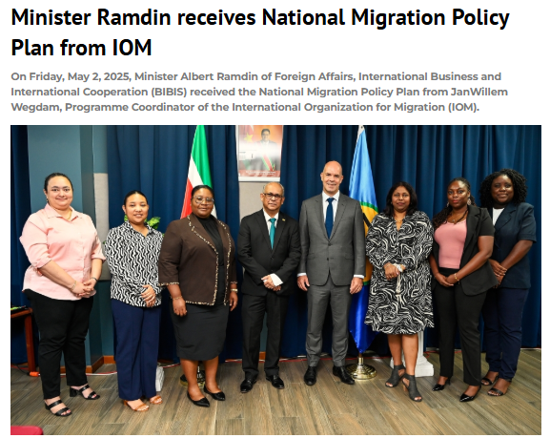

 |  |  | The National Migration Policy Plan aims to promote balanced, humanitarian, safe and regulated international mobility. In doing so, labour market participation of migrants should contribute to productivity and economic growth, while integration and acceptance in society are stimulated. The policy plan, drawn up in collaboration with various ministries and partners, marks an important step in regulating and guiding migration flows in and out of Suriname. With approximately 7 percent of the population consisting of migrants, and a growing trend of returning Surinamese and an influx of foreign specialists, migration is a determining factor for the socio-economic development of the country.

 |  | Source: Gov.sr

Year | Convention
Refugees
1951 | Convention relating to the Status of Refugees* | The 1951 Convention and the 1967 Protocol relating to the Status of Refugees are the central elements in the international regime of refugee protection. The 1951 Convention defines the term “refugee”, enumerates the rights of refugees and establishes the legal obligation of States to protect refugees. The Convention prohibits the expulsion or forcible return of refugees or asylum seekers. In accordance with the principle of “nonrefoulement”, a person cannot be returned to a country or territory in which his or her life or freedom would be threatened on account of race, religion, nationality, social affiliation or political opinion.

1967 | Protocol relating to the Status of Refugees* | The 1967 Protocol extended the application of the 1951 Convention to persons who became refugees after 1 January 1951, without any geographic limitation.

Migrant workers
1949 | ILO Convention concerning Migration for Employment (Revised 1949) (No. 97) | The International Labour Organization (ILO) has adopted three legally-binding instruments that are directly relevant for the protection of migrant workers: the Migration for Employment Convention (Revised), 1949 (No. 97), the Convention concerning Migrations in Abusive Conditions and the Promotion of Equality of Opportunity and Treatment of Migrant Workers (Supplementary Provisions), 1975 (No. 143), and the Convention concerning Decent Work for Domestic Workers, 2011 (No. 189). All three instruments have complementary non-binding recommendations. The 1949 Convention (No. 97) covers recruitment and promotes standards regarding the working conditions of migrant workers. It establishes the principle of equal treatment of migrant workers and nationals with regard to laws, regulations and administrative practices concerning living and working conditions, remuneration, social security, employment, taxes and access to justice.
...

