11.1.1
11.1.1 Proportion of urban population living in slums, informal settlements or inadequate housing |  | Note: Census 2024 is ongoing and therefore data about living conditions will be available in a later stage
The nature of the housing sector with its institutions, laws and regulations, is one that touches every single aspect of the economy of a country and has interface with practically every social development sector. People living in adequate homes have better health, higher chances to improve their human capital and seize the opportunities available in urban contexts. At the same time, a housing sector that performs well acts as a ‘development multiplier’ benefiting complementary industries, contributing to economic development, employment generation, service provision and overall poverty reduction. Broadly, for every job in the house-building sector, an additional 1.5 to 2 jobs are generally created in the construction materials and other input industries. The contributions of housing to urban prosperity are also evident.

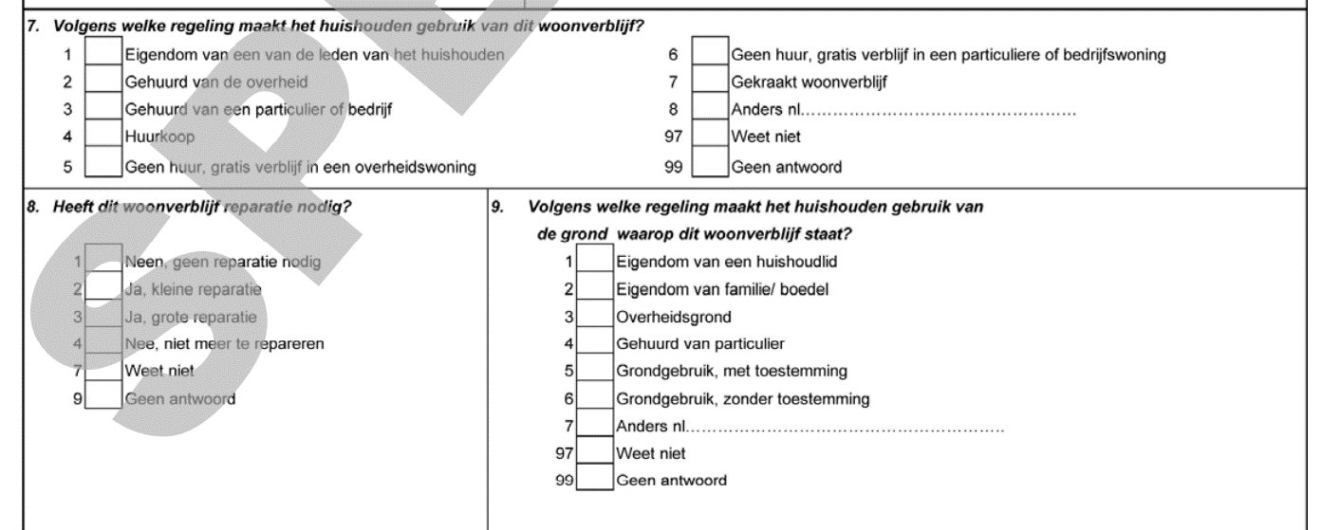

Source: Census 2012

 | TENURE , Ownership/ entitlement of the dwelling
woonverblijf | Freq. | Percent | Cum. | House ownership by area, 2022
Ownership of a household member | 9,089 | 67.75 | 67.75 | House Ownership form | Urban | Rural Coastal | Rural Interior
Rental from the government | 323 | 2.41 | 70.16 | Owned (with Mortgage) | 8.7 | 7.6 | 0.9
Rental from the private company | 1,543 | 11.5 | 81.66 | Owned (without Mortgage) | 51 | 53.4 | 70.5
Semi ownership based on loan arrangement (huurkoop) | 108 | 0.81 | 82.46 | Inheritance | 18 | 17.7 | 8.8
No rental, free from private company | 127 | 0.95 | 83.41 | Rented room in larger dwelling | 0.3 | 0.2 | 0.3
No rental, free from government | 650 | 4.84 | 88.25 | Private rented/Leased | 14.2 | 8.3 | 4.5
Illegal occupation | 67 | 0.5 | 88.75 | Squatted | 0.1 | 0.1 | 0
Other | 1,178 | 8.78 | 97.53 | Rent-free | 4.9 | 3.2 | 6.1
don't know | 93 | 0.69 | 98.23 | Other | 2.9 | 9.6 | 8.9
No answer | 238 | 1.77 | 100 | Source: Suriname Survey on Living Conditions, 2022
Total | 13,416 | 100 |  | Retrieved from:
 | Source: Census 2012 |  |  | Report: Technical Note, Proxy Means Test as tool for Social Targeting and Poverty Reduction; Update PMT-2024 with a focus on Interior (2025)

11.2.1
11.2.1 Proportion of population that has convenient access to public transport, by sex, age and persons with disabilities |  |  |  | Census 2024 is ongoing and therefore more data will be available in a later stadium
This indicator will be monitored by the proportion of the population that has convenient access to public transport. The access to public transport is considered convenient when a stop is accessible within a walking distance along the street network of 500 m from a reference point such as a home, school, work place, market, etc. to a low-capacity public transport system (e.g. bus, Bus Rapid Transit) and/or 1 km to a high-capacity system (e.g. rail, metro, ferry).Additional criteria for defining public transport that is convenient include: a. Public transport accessible to all special-needs customers, including those who are physically, visually, and/or hearing-impaired, as well as those with temporary disabilities, the elderly, children and other people in vulnerable situations. b. Public transport with frequent service during peak travel times c. Stops present a safe and comfortable station environment

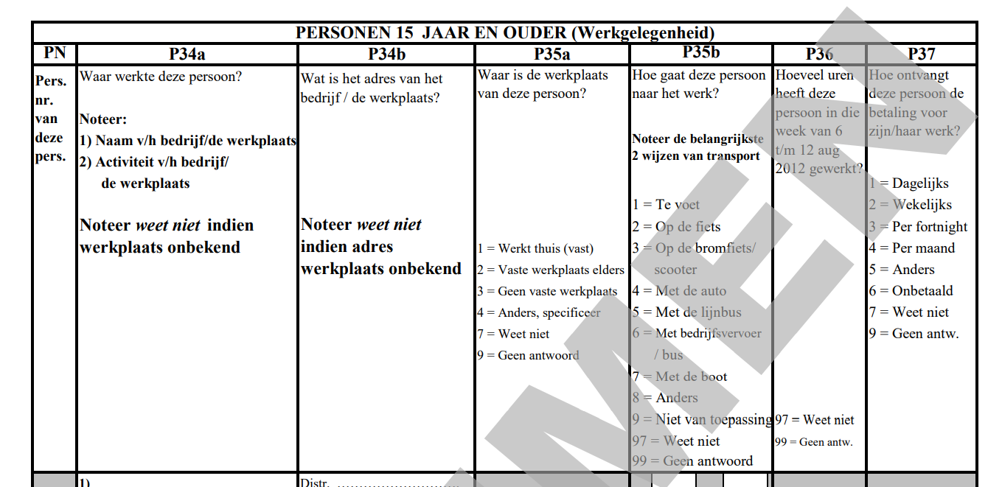

Source: Census 2012

suggestion for proxy indicator | p35b

 |  | Number of transport vehicles
 |  | number of vehicles | Freq. | Percent | Cum.
 |  | 0 | 13,598 | 25.2 | 25.2
 |  | 1 | 20,212 | 37.46 | 62.66
 |  | 2 | 13,254 | 24.56 | 87.22
 |  | 3 | 5,826 | 10.8 | 98.02
 |  | 4 | 890 | 1.65 | 99.67
 |  | 5 | 121 | 0.22 | 99.89
 |  | 6 | 20 | 0.04 | 99.93
 |  | 7 | 23 | 0.04 | 99.97
 |  | 8 | 13 | 0.02 | 99.99
 |  | 9 | 3 | 0.01 | 100
 |  | Total | 53,960 | 100
 |  | Source: 10% Census sample, 2012

 |  | Households with access to transport type
 |  |  | Total | yes | No | unknown | Yes (%) | No (%)
 |  | Bycicle | 140367 | 40630 | 96127 | 3610 | 29% | 68%
 |  | moped/scooter | 140367 | 35669 | 101082 | 3616 | 25% | 72%
 |  | motorcycle | 140367 | 1554 | 135121 | 3692 | 1% | 96%
 |  | van/ car | 140367 | 70902 | 65944 | 3521 | 51% | 47%
 |  | bus 8persons or more (public/private transport ) | 140367 | 2687 | 133991 | 3689 | 2% | 95%
 |  | pick up /truck | 140367 | 6660 | 130034 | 3673 | 5% | 93%
 |  | ATV | 140367 | 1328 | 135339 | 3700 | 1% | 96%
 |  | boat (motor) | 140367 | 3767 | 132888 | 3712 | 3% | 95%
 |  | kayak/canoe | 140367 | 2574 | 134023 | 3770 | 2% | 95%
 |  | other | 140367 | 449 | 124290 | 15628 | 0% | 89%
 |  | Total | 140367 | 166220 | 1188839 | 48611
 |  | Source : Census 2014, Vol 3, page

 |  | Mode of Transportation To Get To School by Age (in %)
 |  | Mode | Walking | Cycling | Public Bus | Taxi | Private Sector Vehicle | Private Car/Motorcycle | By Boat | Other | N
 |  | 0-14 | 25.27 | 4.04 | 9.1 | 0.31 | 17.73 | 40.12 | 1.87 | 1.56 | 1,286
 |  | 15-29 | 12.26 | 6.2 | 20.08 | 0.4 | 23.05 | 34.64 | 0.54 | 2.83 | 742
 |  | 30-44 | 2.63 | 1.32 | 6.58 | 1.32 | 15.79 | 67.11 | 1.32 | 3.95 | 76
 |  | 45-59 | 0 | 4.76 | 4.76 | 0 | 4.76 | 71.43 | 0 | 4.76 | 21
 |  | 65+ | 0 | 0 | 0 | 0 | 0 | 100 | 0 | 0 | 1
 |  | Total | 19.76 | 4.70 | 12.79 | 0.38 | 19.38 | 39.51 | 1.36 | 2.12 | 2,126.00
 |  | Source: Suriname Survey of Living Conditions, 2022

 |  | Mode of Transportation To Get To School by Sex (in %)
 |  | Mode | Walking | Cycling | Public Bus | Taxi | Private Sector Vehicle | Private Car/Motorcycle | By Boat | Other | N
 |  | Female | 19.11 | 2.45 | 13.85 | 0.53 | 20.86 | 40.05 | 1.05 | 2.1 | 1,141
 |  | Male | 50.51 | 7.31 | 11.57 | 0.2 | 17.66 | 38.88 | 1.73 | 2.13 | 985
 |  | Total | 19.76 | 4.70 | 12.79 | 0.38 | 19.38 | 39.51 | 1.36 | 2.12 | 2126.00
 |  | Source: Suriname Survey of Living Conditions, 2022

 |  | Mode of Transportation To Get To School by Physical Disability (in %)
 |  | Mode | Walking | Cycling | Public Bus | Taxi | Private Sector Vehicle | Private Car/Motorcycle | By Boat | Other | N
 |  | Yes | 9.09 | 9.09 | 36.36 | 0 | 36.36 | 9.09 | 0 | 0 | 11
 |  | No | 19.82 | 4.68 | 12.68 | 0.38 | 19.3 | 39.64 | 1.37 | 2.13 | 2,114
 |  | Total | 19.76 | 4.70 | 12.79 | 0.38 | 19.38 | 39.51 | 1.36 | 2.12 | 2126.00
 |  | Source: Suriname Survey of Living Conditions, 2022

11.3.1
11.3.1 Ratio of land consumption rate to population growth rate
The indicator is defined as the ratio of land consumption rate to population growth rate. This indicator requires defining the two components of population growth and land consumption rate. Computing the population growth rate is more straightforward and more readily available, while land consumption rate is slightly challenging, and requires the use of new techniques. In estimating the land consumption rate, one needs to define what constitutes “consumption” of land since this may cover aspects of “consumed” or “preserved” or available for “development” for cases such as land occupied by wetlands. Secondly, there is not one unequivocal measure of whether land that is being developed is truly “newly-developed” (or vacant) land, or if it is at least partially “redeveloped”. As a result, the percentage of current total urban land that was newly developed (consumed) will be used as a measure of the land consumption rate. The fully developed area is also sometimes referred to as built up area.
No data available | Total Post-deforestation area, Land Use and Land Cover (LULC) (Classes in ha.)
 | LULC Classes | 2000-2015 | 2000-2017 | 2000-2019 | 2000-2021
Deforestation rate (%) over the Monitoring Periods 2000-2023 | Secondary Vegetation | 1205 | 1642 | 1642 | 7160
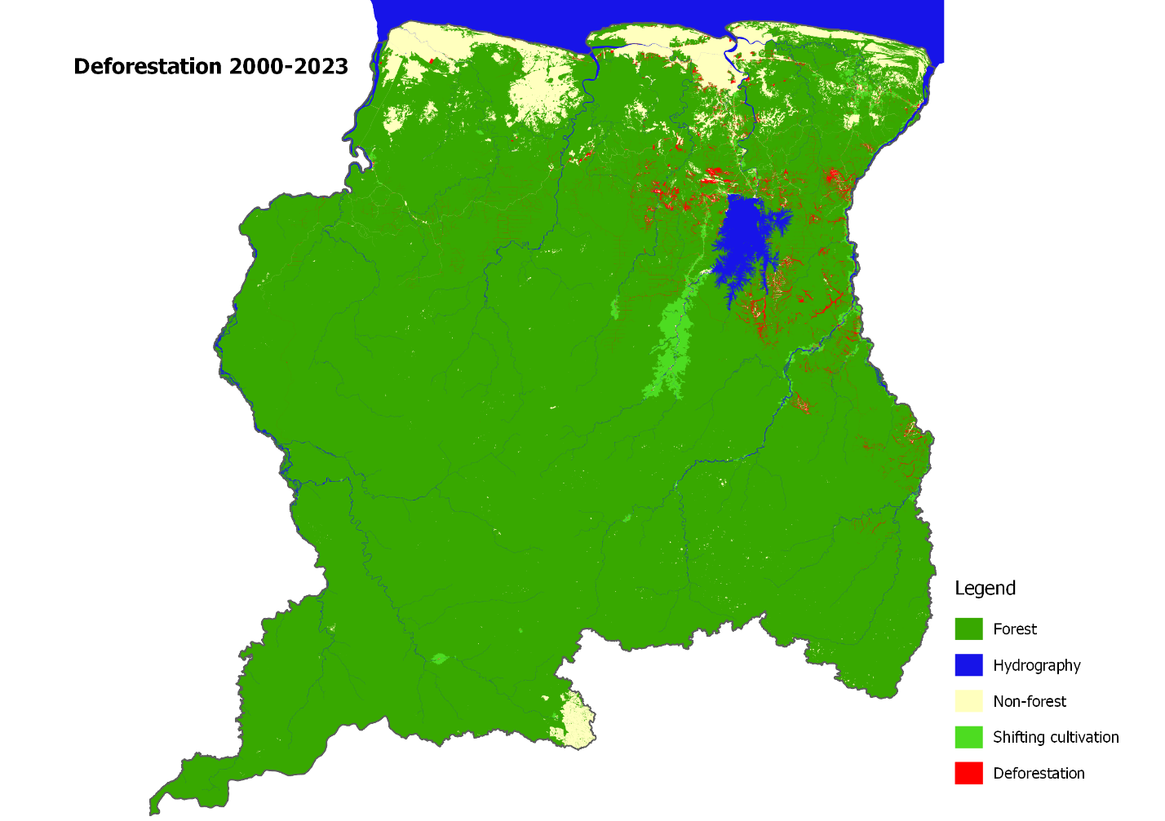
 | Urban Areas | 3424 | 2931 | 3807 | 3867
 | Inifrastructure | 12964 | 18843 | 24400 | 27409
 | Mining | 62102 | 72261 | 83739 | 93904
 | Agriculture | 2213 | 4956 | 5932 | 6834
 | Pasture | 455 | 1114 | 1495 | 1664
 | Other Land | 281 | 769 | 1124 | 714
 | Burned Areas | 2502 | 2302 | 2922 | 3161
 | Source: Foundation for Forest Management and Production Control
 | Retrieved from: https://statistics-suriname.org/wp-content/uploads/2024/12/Elfde-Milieustatistieken-pub-dec-2024.pdf
 | Table 8.5; Page 202

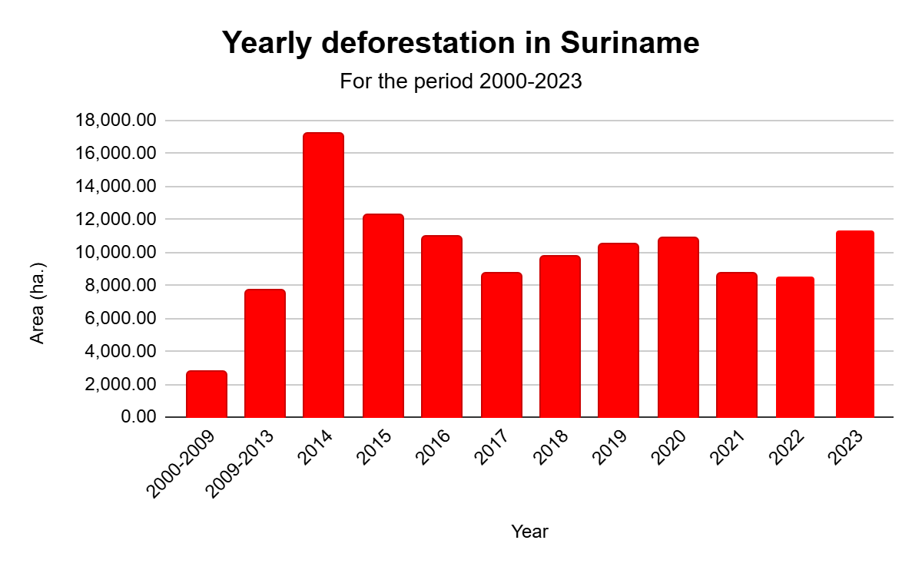

11.a.1
11.a.1 Number of countries that have national urban policies or regional development plans that (a) respond to population dynamics; (b) ensure balanced territorial development; and (c) increase local fiscal space |  |  |  | The Multi-Annual Development Plan 2022-2026 outlines the direction, priorities and implementation for the Growth and Modernization phase (the final phase of the government’s term of office) and the years thereafter, and builds on the Recovery Plan 2020-2022. This Development Plan 2022-2026 is therefore a document that is a collection of those choices (or strategies) that must be made in the coming years in order to 1) overcome the various crises in the long run, and 2) move society in the desired direction. However, the National Urban Policies for Suriname, does not respond to the population dynamics as an SDG11.a.1 qualifier. Suriname NUP does not focus on demographic trends and needs and does not address a spatial coherent territory that includes a balanced system for human settlement.
National Urban Policies and regional development plans: A National Urban Policy (NUP) is defined as a coherent set of decisions or principle of actions derived through a deliberate government led process of coordinating and rallying various actors for a common vision and goal that will promote more transformative, productive, inclusive, and resilient urban development for the long term This standard definition is extended and adapted to country contexts and may include, where applicable terms such as National Urban Plan, Framework, or Strategyas long as they are aligned with the above qualifiers. Similarly, regional development plans follow the same definition, only applied at the subnational level. | 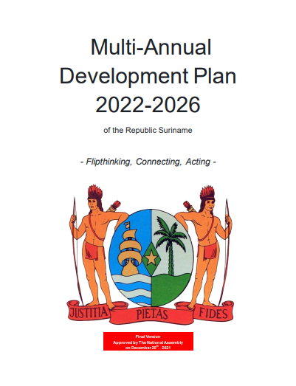
No data available
 |  | Source: Urban Policy Platform
 |  | Retrieved from: | https://nupdb.urbanpolicyplatform.org/listings/Suriname

11.b.1
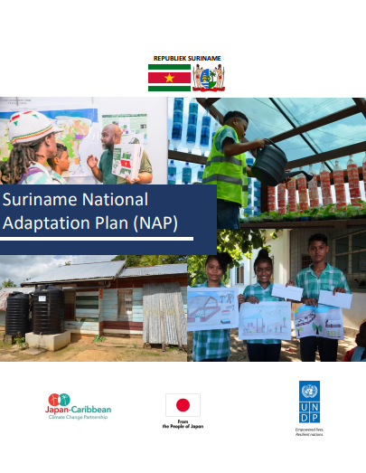
11.b.1 Number of countries that adopt and implement national disaster risk reduction strategies in line with the Sendai Framework for Disaster Risk Reduction 2015–2030
[a] An open-ended intergovernmental expert working group on indicators and terminology relating to disaster risk reduction established by the General Assembly (resolution 69/284) is developing a set of indicators to measure global progress in the implementation of the Sendai Framework. These indicators will eventually reflect the agreements on the Sendai Framework indicators.
Suriname did prepare a National Disaster Strategy, but it is now at the stage to awaiting approval |  |  |  | Suriname’s National Adaptation Plan (NAP) 2019 - 2029 was developed with financial and technical support of the Japan-Caribbean Climate Change Partnership (J-CCCP) Project. The NAP seeks to enable Suriname to conduct comprehensive medium and long-term climate adaptation planning.The NAP treats disaster risk reduction as a crosscutting and integrative sector, involved in varying aspects of adaptation planning.The priorities as established within the NAP provide many meaningful entry points for the Country Work Programme and coherence among the agendas.

 | Source: | https://unfccc.int/sites/default/files/resource/NAP-Suriname-2020.pdf

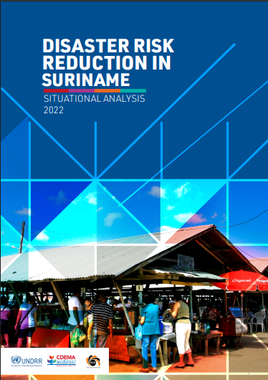
 |  |  | The Sendai Framework's Target E intends to boost the number of nations having disaster risk reduction policies. Participating States of the Caribbean Disaster Emergency Management Agency (CDEMA) link their Country Work Programs with the four Sendai Framework priority areas. This study aims to guide the creation and revision of key national instruments, such as the Country Work Programme, National Adaptation Plan, National Development Strategy, sectoral policies, and supporting instruments for implementing the 2030 Agenda in Suriname.

 | Source: | https://www.undrr.org/media/91201/download?startDownload=20250311

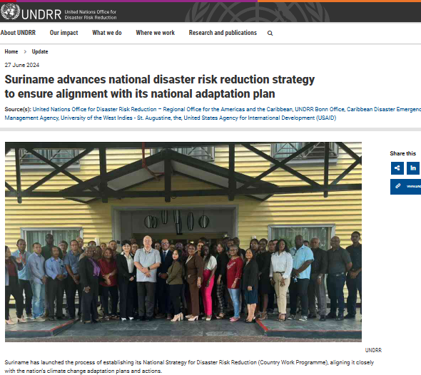
 |  |  |  |  | As for the next phase, Suriname has launched the process of establishing its National Strategy for Disaster Risk Reduction (DRR). The DRR Gap Analysis Workshop in Suriname represents a crucial step towards achieving the 2030 Sustainable Development Agenda and fulfilling national commitments to the Paris Agreement. By fostering collaboration and knowledge exchange among a diverse range of stakeholders, the workshop aimed to initiate the process of developing a Country Work Program (CWP) for Suriname. This initiative seeks to enhance the country's disaster risk management capabilities and integrate climate change adaptation (CCA) into disaster risk reduction (DRR) efforts.

 | Source: | https://www.undrr.org/news/suriname-advances-national-disaster-risk-reduction-strategy-ensure-alignment-its-national

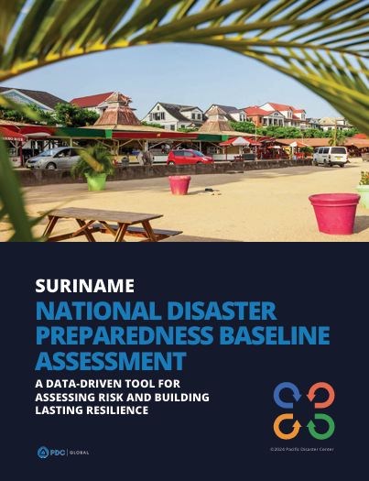
 |  |  |  | The Suriname National Disaster Preparedness Baseline Assessment (NDPBA) was completed in a partnership between the Pacific Disaster Center (PDC), the Nationaal Coördinatiecentrum voor Rampenbeheersing (NCCR) and the support of in-country stakeholders.The assessment includes the Risk and Vulnerability Assessment (RVA) and the Disaster Management Analysis (DMA). Multi-hazard exposure, social-economic vulnerabilities, and coping ability are RVA factors. The DMA evaluates six subthemes qualitatively: Enabling Environment, Institutional Arrangements, Disaster Governance Mechanisms, Capabilities and Resources, Capacity Development, and Communication and Information Management. The DMA results frame the RVA findings, offering a complete picture of disaster management. PDC and NCCR used the assessment findings to create a Disaster Risk Reduction 5-Year Action Plan to effectively manage limited resources and identify financing possibilities.The Multi-Annual Development Plan 2022-2026 emphasizes reducing disaster impacts on vulnerable populations and limiting economic losses. The Environmental Framework Act 2020 further strengthens this commitment by establishing the National Environmental Authority, aimed at enhancing climate change adaptation and building disaster-resilient infrastructure. However, the effectiveness of NCCR is hindered by the absence of an approved Disaster Management Law, which is crucial for delineating roles and resources, thus improving disaster preparedness and response across Suriname.

 | Source: | https://reliefweb.int/report/suriname/suriname-national-disaster-preparedness-baseline-assessment-data-driven-tool-assessing-risk-and-building-lasting-resilience-ennl

11.c
11.c Support least developed countries, including through financial and technical assistance, in building sustainable and resilient buildings utilizing local materials
No suitable replacement indicator was proposed. The global statistical community is encouraged to work to develop an indicator that could be proposed for the 2025 comprehensive review. See E/CN.3/2020/2, paragraph 23.
No data available
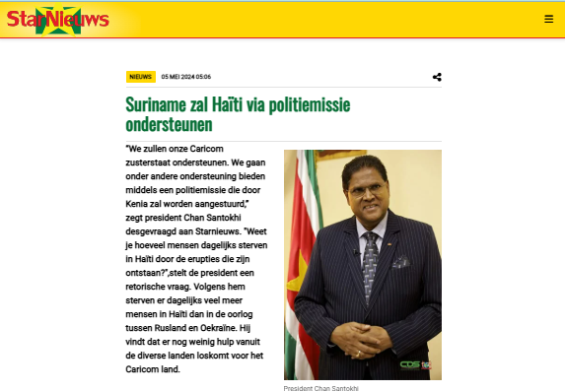
 | Surinamese President Chan Santokhi announced that Suriname will support its fellow CARICOM member state Haiti by participating in a police mission led by Kenya. He emphasized the severe daily violence in Haiti, stating it results in more deaths than the Russia-Ukraine war. The support will occur on three levels: international (via a UN-backed security resolution), regional, and bilateral. Suriname is preparing a trained team from its police and army for deployment. Santokhi stressed the importance of international solidarity, noting that one day Suriname may also need help. Following CARICOM negotiations and the resignation of former Haitian Prime Minister Ariel Henry, Fritz Belizaire now leads Haiti and is expected to establish a timeline for elections and legal reforms. Santokhi highlighted Suriname’s close ties with Haiti, including a significant Haitian community and cooperation in agriculture

Source: https://www.starnieuws.com/index.php/welcome/index/nieuwsitem/80910

