13.1.2
 | 13.1.2 Number of countries that adopt and implement national disaster risk reduction strategies in line with the Sendai Framework for Disaster Risk Reduction 2015–2030

Definition people affected by disasters: This indicator measures the number of people who died, went missing or were directly affected by disasters per 100,000 population. Concepts: - Death: The number of people who died during the disaster, or directly after, as a direct result of the hazardous event. -Missing: The number of people whose whereabouts is unknown since the hazardous event. It includes people who are presumed dead, for whom there is no physical evidence such as a body, and for which an official/ legal report has been filed with competent authorities. - Directly affected: The number of people who have suffered injury, illness or other health effects; who were evacuated, displaced, relocated or have suffered direct damage to their livelihoods, economic, physical, social, cultural and environmental assets. - Indirectly affected are people who have suffered consequences, other than or in addition to direct effects, over time, due to disruption or changes in economy, critical infrastructure, basic services, commerce or work, or social, health and psychological consequences. Computation Method: This indicator, X, is calculated as a simple summation of related indicators (death, missing people, and affected people) from national disaster loss databases divided by the total population data (from national censuses, World Bank or UN Statistics Division information). X_ =((A_2+A_3+B_1))/(Total Population)×100,000 Where: A2 Number of deaths attributed to disasters; A3 Number of missing persons attributed to disasters; and B1 Number of directly affected people attributed to disasters.

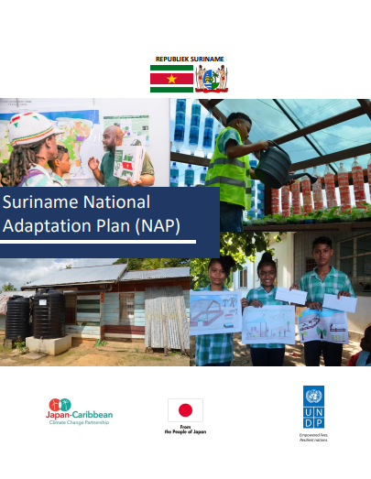
 |  | Suriname’s National Adaptation Plan (NAP) 2019 - 2029 was developed with financial and technical support of the Japan-Caribbean Climate Change Partnership (J-CCCP) Project. The NAP seeks to enable Suriname to conduct comprehensive medium and long-term climate adaptation planning.The NAP treats disaster risk reduction as a crosscutting and integrative sector, involved in varying aspects of adaptation planning.The priorities as established within the NAP provide many meaningful entry points for the Country Work Programme and coherence among the agendas.

 | Source:
 | https://www.undrr.org/media/91201/download?startDownload=20250311

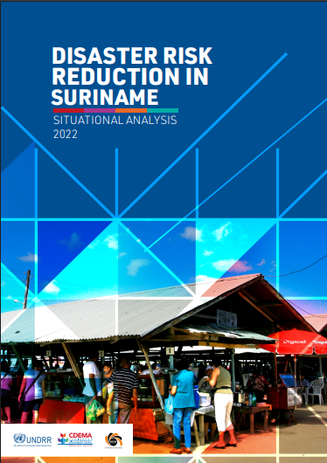
 |  | The Sendai Framework's Target E intends to boost the number of nations having disaster risk reduction policies. Participating States of the Caribbean Disaster Emergency Management Agency (CDEMA) link their Country Work Programs with the four Sendai Framework priority areas. This study aims to guide the creation and revision of key national instruments, such as the Country Work Programme, National Adaptation Plan, National Development Strategy, sectoral policies, and supporting instruments for implementing the 2030 Agenda in Suriname.

 | Source:
 | https://www.undrr.org/media/91201/download?startDownload=20250311

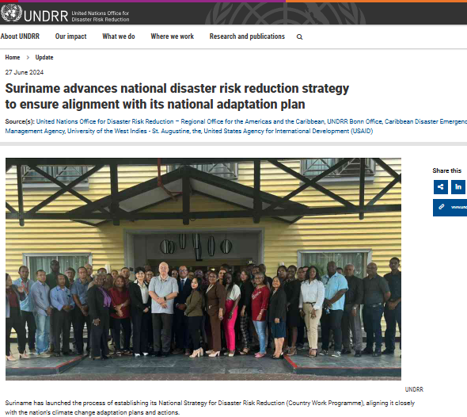
 |  | As for the next phase, Suriname has launched the process of establishing its National Strategy for Disaster Risk Reduction (DRR). The DRR Gap Analysis Workshop in Suriname represents a crucial step towards achieving the 2030 Sustainable Development Agenda and fulfilling national commitments to the Paris Agreement. By fostering collaboration and knowledge exchange among a diverse range of stakeholders, the workshop aimed to initiate the process of developing a Country Work Program (CWP) for Suriname. This initiative seeks to enhance the country's disaster risk management capabilities and integrate climate change adaptation (CCA) into disaster risk reduction (DRR) efforts.

 | Source:
 | https://www.undrr.org/news/suriname-advances-national-disaster-risk-reduction-strategy-ensure-alignment-its-national

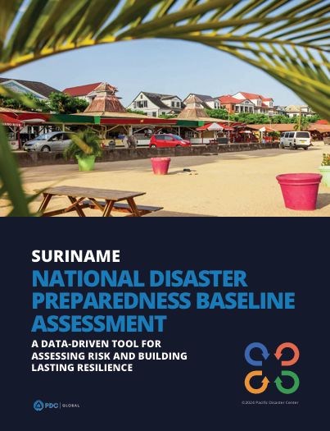
 |  | The Suriname National Disaster Preparedness Baseline Assessment (NDPBA) was completed in a partnership between the Pacific Disaster Center (PDC), the Nationaal Coördinatiecentrum voor Rampenbeheersing (NCCR) and the support of in-country stakeholders.The assessment includes the Risk and Vulnerability Assessment (RVA) and the Disaster Management Analysis (DMA). Multi-hazard exposure, social-economic vulnerabilities, and coping ability are RVA factors. The DMA evaluates six subthemes qualitatively: Enabling Environment, Institutional Arrangements, Disaster Governance Mechanisms, Capabilities and Resources, Capacity Development, and Communication and Information Management. The DMA results frame the RVA findings, offering a complete picture of disaster management. PDC and NCCR used the assessment findings to create a Disaster Risk Reduction 5-Year Action Plan to effectively manage limited resources and identify financing possibilities.The Multi-Annual Development Plan 2022-2026 emphasizes reducing disaster impacts on vulnerable populations and limiting economic losses. The Environmental Framework Act 2020 further strengthens this commitment by establishing the National Environmental Authority, aimed at enhancing climate change adaptation and building disaster-resilient infrastructure. However, the effectiveness of NCCR is hindered by the absence of an approved Disaster Management Law, which is crucial for delineating roles and resources, thus improving disaster preparedness and response across Suriname.

 | Source:
 | https://reliefweb.int/report/suriname/suriname-national-disaster-preparedness-baseline-assessment-data-driven-tool-assessing-risk-and-building-lasting-resilience-ennl

13.1.3
13.1.3 Proportion of local governments that adopt and implement local disaster risk reduction strategies in line with national disaster risk reduction strategies
The Sendai Framework for Disaster Risk Reduction 2015-2030 was adopted by UN Member States in March 2015 as a global policy of disaster risk reduction.One of thetargets is: “Substantially increase the number of countries with national and local disaster risk reduction strategies by 2020”.In line with the Sendai Framework for Disaster Risk Reduction 2015-2030, disaster risk reduction strategies and policies should mainstream and integrate disaster risk reduction within and across all sectors, across different timescales and with targets, indicators and time frames. These strategies should be aimed at preventing the creation of disaster risk, the reduction of existing risk and the strengthening of economic, social, health and environmental resilience.

Strategy available ,submitted for approval
 | Suriname’s National Adaptation Plan (NAP) 2019 - 2029 was developed with financial and technical support of the Japan-Caribbean Climate Change Partnership (J-CCCP) Project. The NAP seeks to enable Suriname to conduct comprehensive medium and long-term climate adaptation planning.The NAP treats disaster risk reduction as a crosscutting and integrative sector, involved in varying aspects of adaptation planning.The priorities as established within the NAP provide many meaningful entry points for the Country Work Programme and coherence among the agendas.

Source: | UNDP
Retrieved from: | https://www.undrr.org/media/91201/download?startDownload=20250311

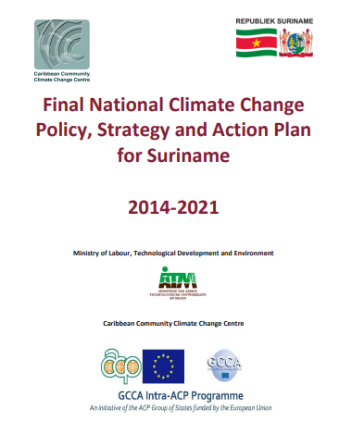
 | This National Climate Change Policy, Strategy and Action Plan (NCCPSAP) 2014-2021 is the logical next step in enabling Suriname to build resilience to the impacts of a changing climate, providing a clear roadmap to respond to the challenges of a changing climate, seize opportunities for climate compatible development and attract climate finance.

Source: | VNR 2022
Retrieved from: | https://dondru.sr/media/1047/sr_climate_change_policy_strategy_action_plan_2014_2021.pdf

Suriname's National Climate Change Policy, Strategy, and Action Plan (NCCPSAP) for 2022-2026 is part of the Multi-Annual Development Plan (MOP) 2022-2026 and aims to integrate climate change into national development planning and resource allocation, building upon the Recovery Plan 2020-2022

13.2.1
13.2.1 Number of countries with nationally determined contributions, long-term strategies, national adaptation plans and adaptation communications, as reported to the secretariat of the United Nations Framework Convention on Climate Change
NDCs.The Paris Agreement requires each Party to prepare, communicate and maintain successive nationally determined contributions (NDCs) including mitigation, adaptation and support measures. The Paris Agreement (Article 4, paragraph 2) requires each Party to prepare, communicate and maintain successive nationally determined contributions (NDCs) that it intends to achieve. Parties shall pursue domestic mitigation measures, with the aim of achieving the objectives of such contributions.

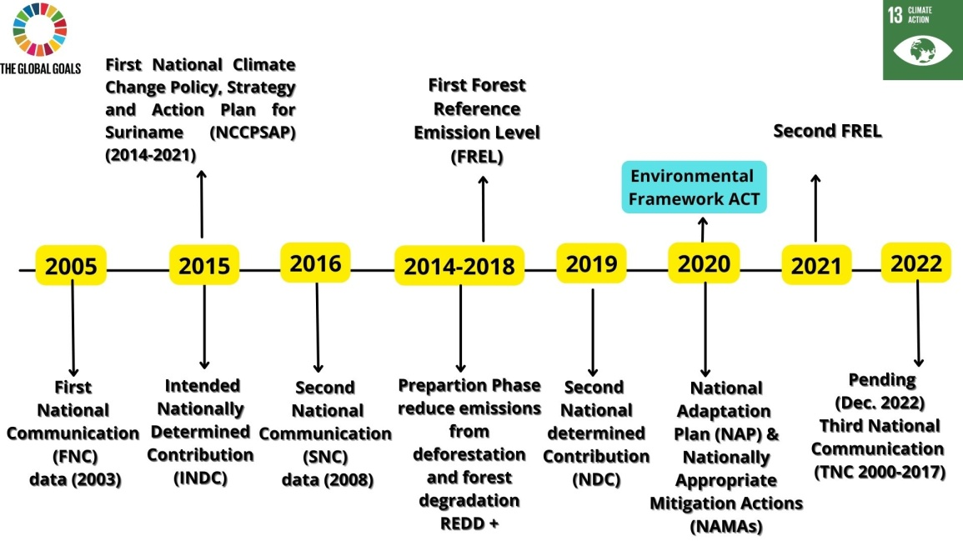

Source: ministry of Labour, Technology and Environment (ATM), Spatial Planning and Environment (ROM), National Institute For Environment and Development in Suriname (NIMOS), Foundation for Forest Management and Production Control (SBB) and consultants

Related Laws | Description
Nuisance Act G.B. 1930 no. 64 as amended by S.B. 2001 no. 63 (Hinderwet G.B. 1930 no. 64 z.l.g. bij S.B. 2001 no. 63) | Described as being ‘outdated’ but certain aspects are still applicable to climate change planning.
Nature Conservation Act G.B. 1954 no. 26 as amended by S.B. 1992 no. 80 (Natuurbeschermingswet G.B. 1954 no. 26 z.l.g. bij S.B. 1992 no. 80) | Putting in place arrangements for the protection and maintenance of nature monuments as well as the Nature Conservation Decrees for establishing nature reserves.
National Planning Act G.B. 1973 no. 89 (Planverordening G.B. 1973 no. 89) | Providing provisions for national and regional planning, e.g., land-use policy issues.
Forest Management Act S.B 1992 no. 80 (Wet Bosbeheer S.B 1992 no. 80) | Providing a framework for forest management, and sustainable utilization of the forest resources.
Source: Table drafted by ESS. 2023. Retrieved from partial report National Circumstances and Institutional Arrangements

The following text summarizes these legislative developments:
• The draft Coastal Protection Bill (Wet Bescherming Kustgebied), specifically designed to protect the vulnerable coastal ecosystems from anthropogenic pressures such as urban development and climate change

Three important Bills relevant to governance of water resources which were submitted to the Parliament in 2018 (NAP, 2019):
o Conservation and Management of Water Aquifers (Grondwater Beschermingsgebieden); o Groundwater Management (Grondwater); o Control of Drinking Water Quality (Toezicht Drinkwater Kwaliteit);

A draft law for the protection of the mangrove forest along the North Atlantic coast of Suriname was prepared and submitted to the Parliament for review in 2015 (Mangrove Forum Suriname (MAFOSUR), 2019)

The Sustainable Nature Management Act (Wet Duurzaam Natuurbeheer). This Act is currently drafted using a participatory process, to enable improved management of protected areas. This is intended to replace the Nature Conservation Act (NDC 2020, 2019).

National strategies and plans are developed to facilitate the implementation of UNFCCC through national policies, these include the following:
• National Climate Change Policy, Strategy and Action Plan (NCCPSAP) published in 2015.
• Draft National Energy Policy (2013-2033),
• National Development Plan 2022-2026, focused on 4 thematic areas. These are economy, social-cultural dimension, spatial planning and environment and management.
• Suriname’s first Nationally Appropriate Mitigation Action (NAMA) was finalized in 2019.
• National REDD+ Strategy of Suriname finalized in 2019 outlines Suriname’s mitigation actions focused on the forestry sector, formulated in its REDD+ vision and the policies and measures necessary to achieve that.
•The Government of Suriname organized the High-Level Conference of High Forest, Low-Deforestation developing countries on Climate Finance Mobilization from 12-14 February 2019.
• Policy Document of the Ministry of Spatial Planning and Environment (ROM) which contains assigned tasks and current capacity of the said Ministry.
• National Adaptation Plan (NAP) finalized in 2019.
• National Mangrove Strategy Suriname (NMS) finalized in 2019,

Multilateral Environmental Agreements
UN Convention on Biological Diversity (UNCBD; 11 April 1996) and UN Convention to Combat Desertification (UNCCD; 6 January 2000). Furthermore, Suriname ratified the Kyoto Protocol (25 September 2006) and the Paris Agreement (13 February 2019) which are part of the UN Framework Convention on Climate Change (UNFCCC). The Ministry of Spatial Planning and Environment (ROM) is the focal point for these conventions, and among others, the National Designated Authority (NDA) for the Green Climate Fund (GCF), the Global Environment Facility (GEF) focal point and in collaboration with the National Institute for Environment and Development in Suriname (NIMOS) the focal point for the Clean Development Mechanism (CDM).
Source: Third National Communication to the United Nations Framework Convention on Climate Change

13.3.1
 | 13.3.1 Extent to which (i) global citizenship education and (ii) education for sustainable development are mainstreamed in (a) national education policies; (b) curricula; (c) teacher education; and (d) student assessment
 | Indicator 4.7.1/12.8.1/13.3.1 measures the extent to which countries mainstream Global Citizenship Education (GCED) and Education for Sustainable Development (ESD) in their education systems. This is an indicator of characteristics of different aspects of education systems: education policies, curricula, teacher training and student assessment as reported by government officials, ideally following consultation with other government ministries, national human rights institutes, the education sector and civil society organizations. It measures what governments intend and not what is implemented in practice in schools and classrooms

 | see VNR2022 for a listing of the projects implemeted
A | The National Climate Change Policy, Strategy and Action Plan (NCCPSAP) 2014-2021 mentions the following:
1 | Comprehensive national research programme on social, environmental and economic baselines, climate science, vulnerability, impacts and risk management (NH)
2 | Awareness and capacity building programme to encourage energy conservation, energy efficiency and use of renewable energy (EBS)
 | Source: https://dondru.sr/media/1047/sr_climate_change_policy_strategy_action_plan_2014_2021.pdf
 | Page 91 - 97

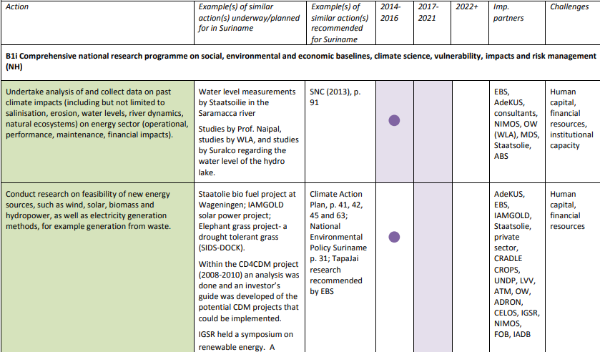

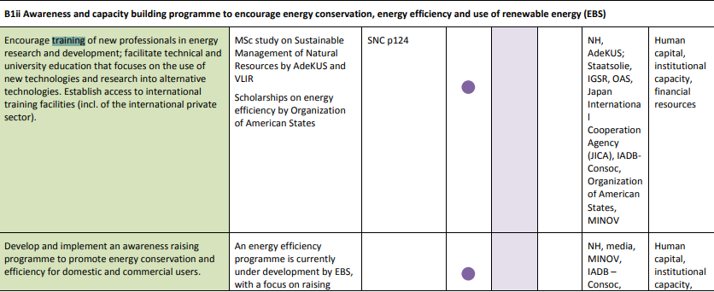

B | Mangrove Educational Centre

13.a.1
 |  |  | 13.a.1 Amounts provided and mobilized in United States dollars per year in relation to the continued existing collective mobilization goal of the $100 billion commitment through to 2025
 |  |  | Under the UNFCCC process, the COP requested the Standing Committee on Finance (SCF) to prepare a Biennial Assessment and Overview of Climate Finance Flows (BA) (decision 2/CP.17paragraph 121(f)), drawing on the available sources of information, and including information on the geographical and thematic balance of flows.There is no agreed definition under the UNFCCC on what should count toward assessing progress toward the $100 billion commitment. Data from the UNFCCC secretariat refers to climate-specific financial support to developing country Parties, reported by Annex I Parties in their Biennial Reports. Only Annex II Parties are obligated to report on financial support provided and other Annex I Parties also voluntarily provide this information. Consequently, this data should not be interpreted as an indicator in relation to the achievement of the collective mobilization goal of $100 billion commitment.
...
 |  |  | see VNR2022 for a listing of the projects implemeted
Inter-American Development Bank: Contingent Loan for Disaster Emergencies | March 2019 | US$ 30 million | Finance the execution of a project for the alleviation of the impact that a serve or catastrophic natural disaster could have on the country's finances, by increasing stability, efficiency of contingent financing to address emergencies | 5 Years | 25 years | 5.5 Years | 0.75% | Libor 3 months and a margin
International Bank for Reconstruction and Development: Loan Agreement | April 2019 | US$ 35 million | To Finance activities in regard with the reducing of flood risk for the people and assets in the Greater Paramaribo Area and improving the operation of the Saramacca Canal System | 6 Years | 30 Years | 6 Years | 0.25% | USD Libor 6 months plus 1.4% per annum
Source: Suriname Debt Management Office
Retrieved from: | https://sdmo.org/documenten/leningen/foreign_loan_agreements_2019.pdf
For all loans: | https://sdmo.org/index.php/leenovereenkomsten

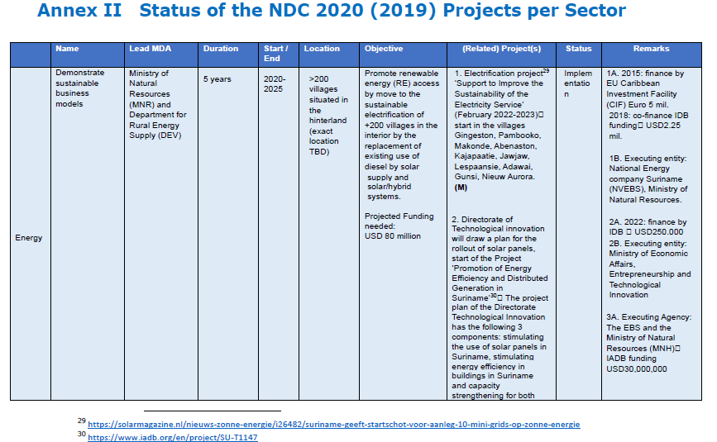

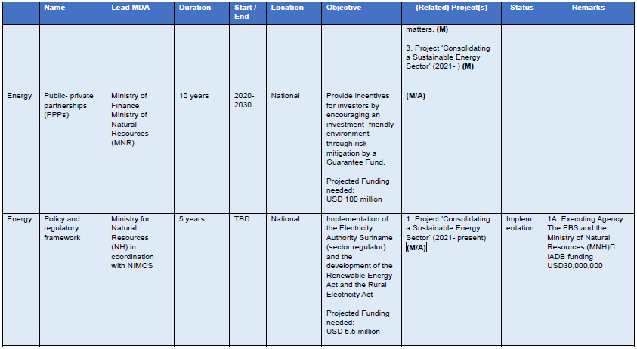

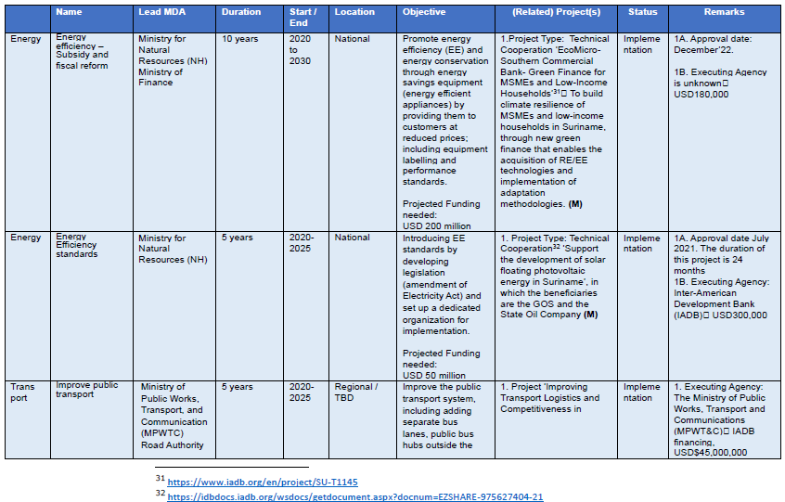

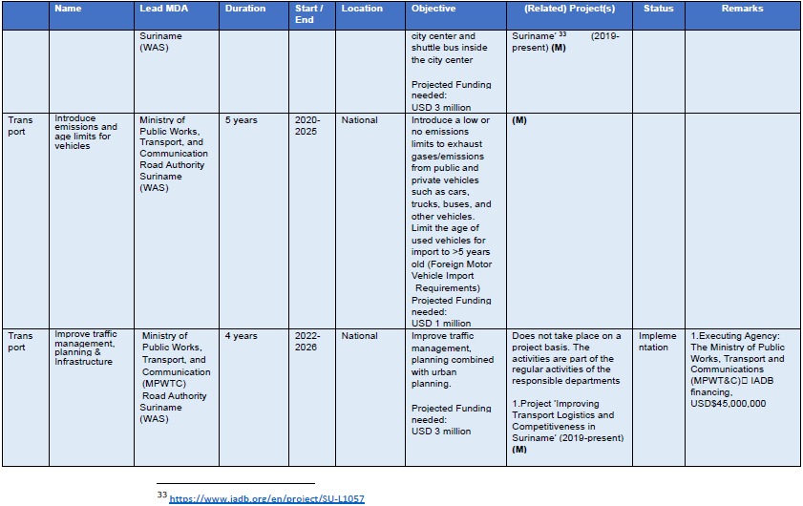

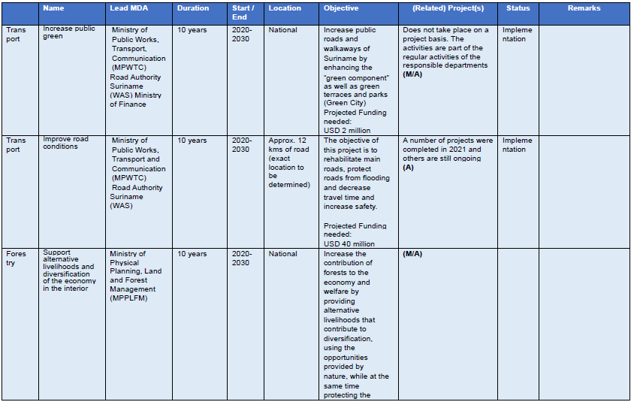

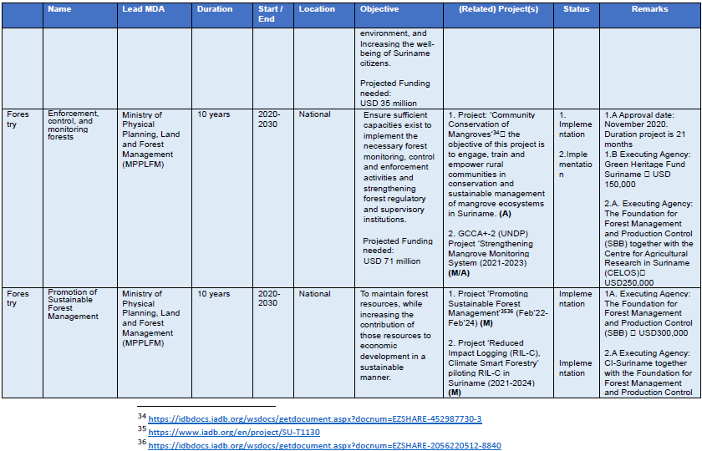

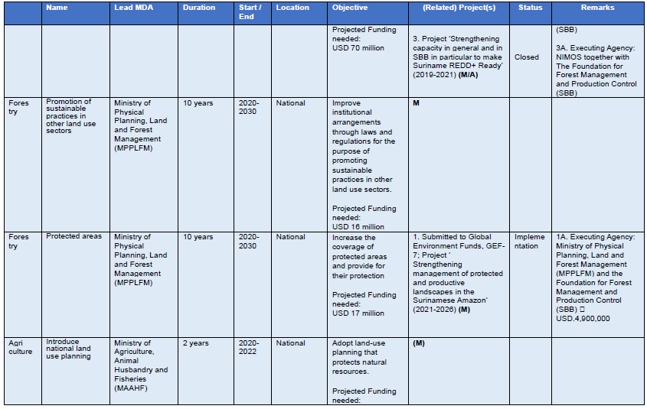

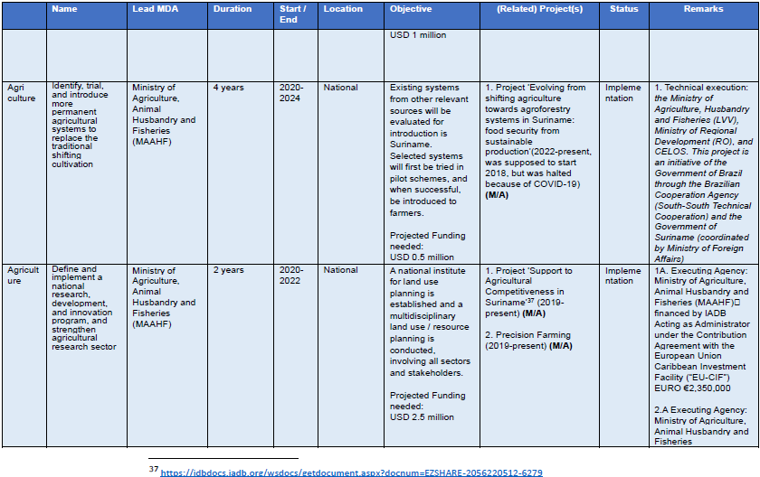

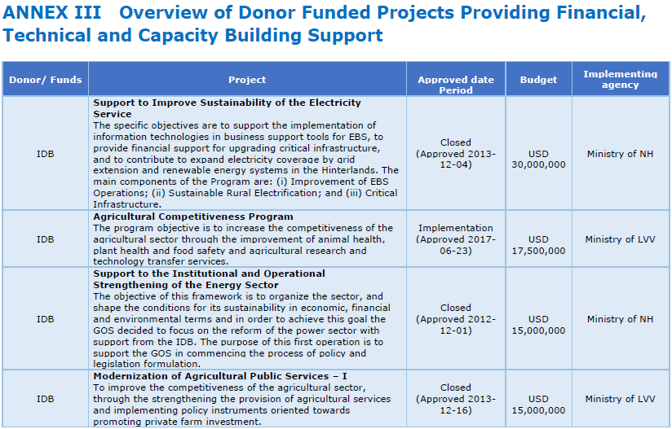

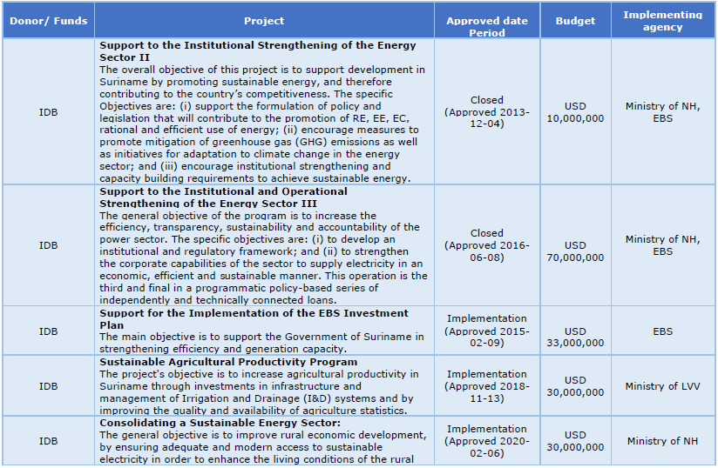

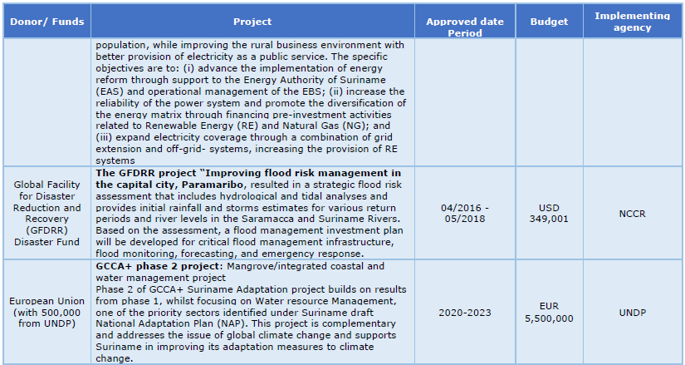

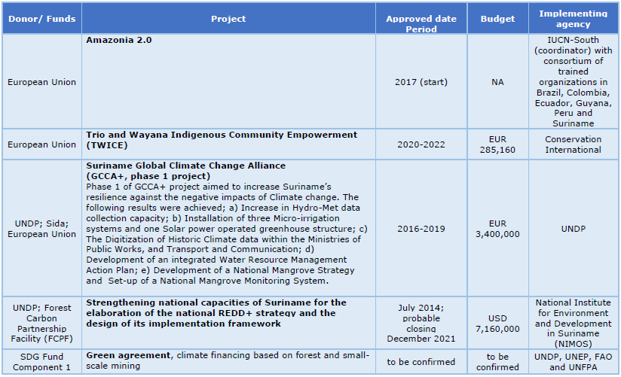

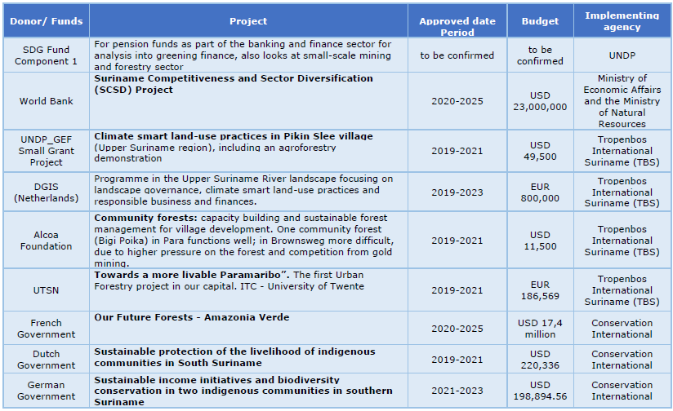

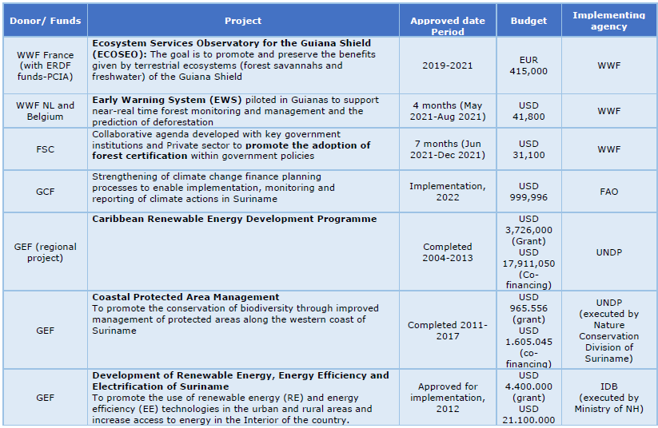

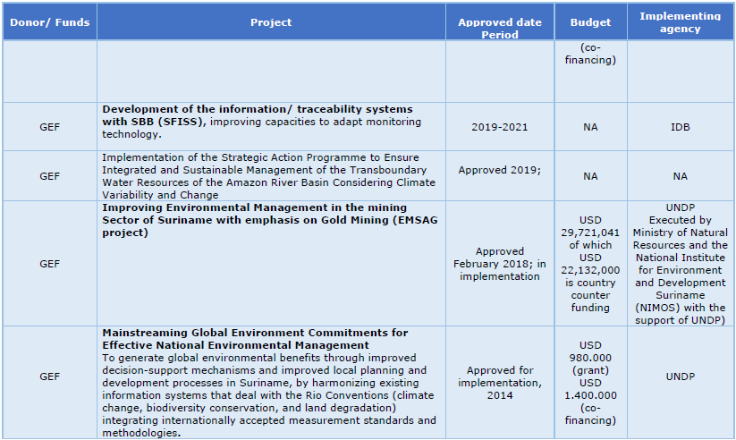

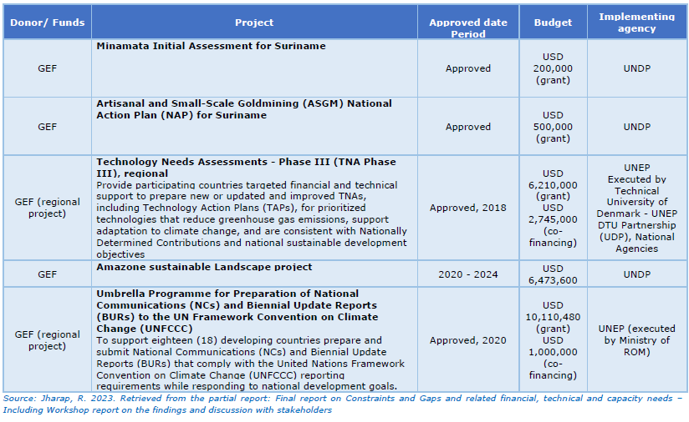

Source: Third National Communication to the United Nations Framework Convention on Climate Change

