14.2.1
14.2.1 Number of countries using ecosystem-based approaches to managing marine areas
Regional Seas Coordinated Indicator 22 ‘Integrated Coastal Zone Management (ICZM) is proposed as the primary indicator. For countries with Marine/Maritime Spatial Planning (MSP) in place, these plans can be helpful to assess ICZM. For other countries, it is important to identify ways to measure existing plans and to build capacity for integrated planning. All data for this indicator will be based on country submissions to the Regional Seas Programme.

The desired actions that were identified under this sub-objective were among others to identify species and areas that need effective protection urgently, to prepare or adjust management plans for nature reserves and vulnerable species, to implement the Coastal Zone Management Plan (ICZM Plan), and to conduct EIA for the establishment of new PAs. The activities that were implemented in the reporting period, include the following: - Restructuring of the Suriname Forest Service (LBB) at the Forestry Directorate (Ministryof RGB) for effective control and enforcement and actions towards the establishment ofthe Forest and Nature Authority (BOSNAS) for an integrated approach to biodiversity preservation. - Established National Forest Monitoring System by SBB, which includes Near Real Time Monitoring. This makes it possible to help detect deforestation and illegal logging activities using satellite images. - Rewriting of 3 coastal management plans within the Global Climate Change Alliance+(GCCA+) project (2016-2019), namely for the Bigi Pan, North Coronie and North Saramacca Multiple Use Management Areas (MUMAs). The focus will be on the regulations for hunting, fishing and tourism in specially appointed zones. - There are currently four proposed protected areas: Nani, Kaburi, Mac Clemen and Snake Creek for a total area of 132,000 ha (Environmental Statistics 2016). Noteworthy, the Coronie swamp is being considered as a Protected Area.
Source: CBD Sixth National report- pag 25
https://www.cbd.int/doc/nr/nr-06/sr-nr-06-en.pdf

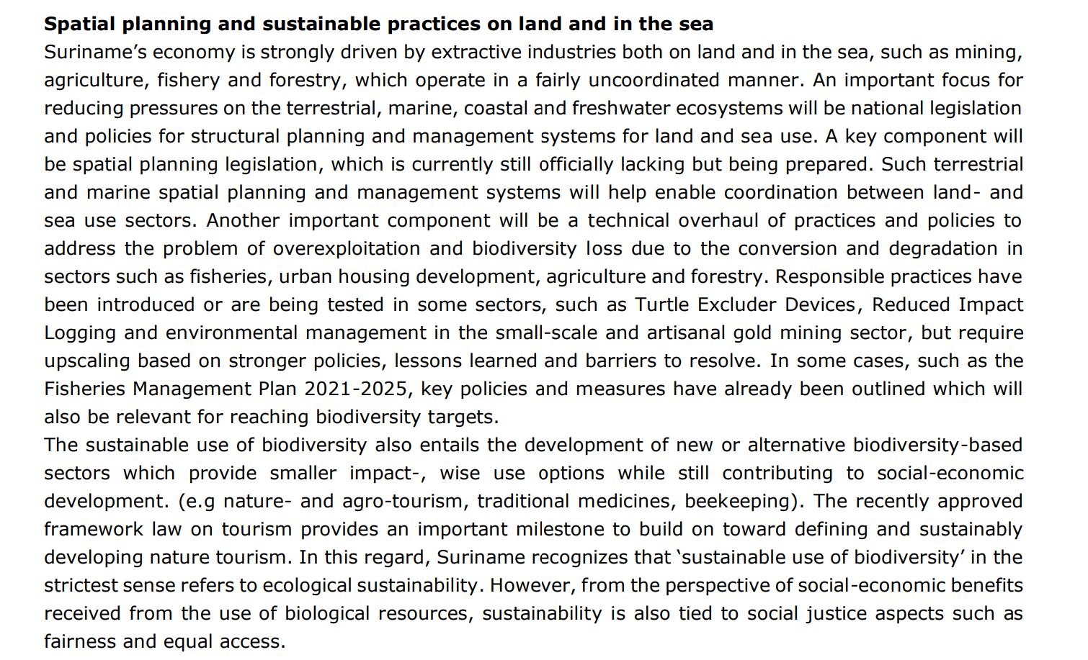

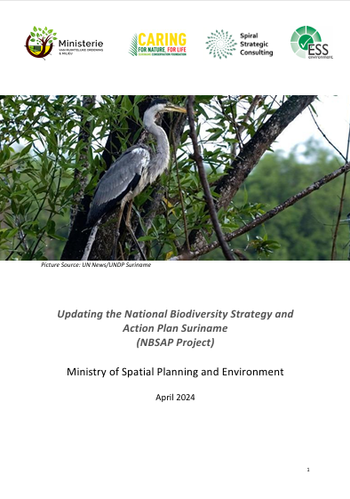
 | Since the last NBSAP, much time has gone. The preceding 11-17 years have seen significant national and worldwide developments. The GBF adoption is the most significant and recent shift in this scenario. National reforms in legal, institutional, and regulatory structures have led to increased natural resource-based economic growth, such as gold mining, wood exploitation, and fisheries, since the first NBSAP. In the next years, the extractive industry is likely to remain significant and the offshore oil and gas sector will grow. Due to the country's financial and economic situation, updating the NBSAP may prioritize policies and resources for social-economic improvement, potentially resulting in trade-offs between the economy and biodiversity. To meet development objectives, the new NBS needed clear entry points for mainstreaming biodiversity targets and national socio-economic agendas. Update the NBS to reflect the new national and international situation, national rights- and stakeholder opinions, and the GBF. Women and men's behaviors and biodiversity concerns should not be outside the NBAP's initiatives. Mainstreaming gender in the NBSAP ensures that plans, activities, and policies benefit gender equality and equity whether women or men are disadvantaged. The national level can also address biodiversity-related gender concerns.

Source: https://gov.sr/wp-content/uploads/2024/06/DOCUMENTS-UPDATED-NBSAP-2024-2035-NBAP-2024-2030.pdf

14.7.1
14.7.1 Sustainable fisheries as a proportion of GDP in small island developing States, least developed countries and all countries
This indicator expresses the value added of sustainable marine capture fisheries as a proportion of Gross Domestic Product (GDP).

Gross Value Added at Basic Prices (x 1,000 SRD) by kind of Economic Activity at Current Prices, 2015-2019 and GDP Market prices (x 1,000 SRD) in Current Prices, 2015-2019
Businesses and Households | 2015 | 2016 | 2017* | 2018* | 2019*
Agriculture, Hunting and Forestry | 927,153 | 1,359,547 | 1,841,339 | 1,991,473 | 1,866,911 |  | Fisheries as a proportion of GDP, 2015-2013
Fishery | 553,669 | 564,908 | 940,657 | 871,114 | 735,495 |  |  | 2015 | 2016 | 2017 | 2018 | 2019 | 2020 | 2021 | 2022 | 2023
Mining and Quarrying | 505,255 | 1,065,271 | 1,846,971 | 1,910,714 | 2,036,359 |  | % | 3.7 | 3.9 | 4.1 | 3.5 | 2.8 | 2.7 | 2.1 | 2.4 | 2.2
Manufacturing | 1,619,399 | 2,617,656 | 3,802,721 | 3,795,738 | 3,249,911 |  | Source: GBS, National Acocunts
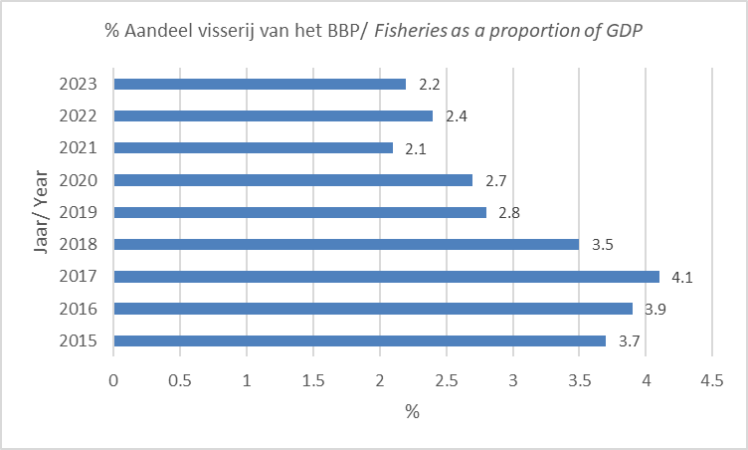
Electricity, Gas and Water supply | 521,927 | 445,409 | 612,566 | 698,743 | 696,611
Construction | 1,485,714 | 1,566,732 | 1,826,810 | 2,047,435 | 2,181,279
Wholesale and Retail trade | 2,993,463 | 2,740,458 | 2,773,360 | 2,706,342 | 2,930,545
Hotels and Restaurants | 692,990 | 853,751 | 977,462 | 1,167,213 | 1,788,734
Transport, Opslag en Communicatie | 1,772,090 | 2,289,935 | 2,460,471 | 2,307,667 | 2,107,645
Financiële Instellingen | 744,561 | 1,273,653 | 1,711,514 | 2,125,082 | 2,221,078
Zakelijke diensten | 675,636 | 1,031,977 | 1,131,694 | 1,218,592 | 1,247,704
Onderwijs | 13,061 | 14,050 | 16,604 | 17,533 | 23,620
Gezondheidszorg | 122,203 | 90,491 | 90,495 | 94,387 | 114,513
Overige gemeenschap- , Sociale en Persoonlijke diensten | 133,834 | 141,346 | 145,939 | 171,763 | 244,589
Subtotaal | 12,760,954 | 16,055,184 | 20,178,602 | 21,123,796 | 21,444,994

Sector Overheid | 2015 | 2016 | 2017* | 2018* | 2019*
Landbouw, Jacht en Bosbouw | 38,395 | 43,328 | 49,840 | 53,298 | 82,875
Elektriciteit, Gas en Water | 17,195 | 16,387 | 18,625 | 18,782 | 23,627
Constructie | 10,420 | 10,581 | 10,281 | 14,727 | 20,055
Transport, Opslag en Communicatie | 38,700 | 42,229 | 45,182 | 48,401 | 79,171
Publieke administratie | 784,621 | 821,364 | 849,689 | 995,946 | 1,633,298
Onderwijs | 598,070 | 643,376 | 840,488 | 887,476 | 1,195,610
Gezondheidszorg | 523,495 | 546,511 | 546,534 | 759,743 | 921,736
Subtotaal | 2,010,897 | 2,123,776 | 2,360,640 | 2,778,372 | 3,956,372
BBP tegen basisprijzen | 14,771,851 | 18,178,960 | 22,539,241 | 23,902,168 | 25,401,365
Belastingen minus subsidies op productie | 1,585,330 | 1,310,400 | 1,542,400 | 1,952,400 | 2,173,200
BBP tegen marktprijzen | 16,357,181 | 19,489,360 | 24,081,641 | 25,854,568 | 27,574,565
Source: General Bureau of Statistics, National Accounts Section

Gross Value Added at basic prices (1000SRD) by kind of Economic Activity at Current Prices, 2019-2023 and GDP market prices (1000SRD) at Current Prices, 2019-2023
Bedrijfstakken (Rev. 4) | 2015 | 2016 | 2017 | 2018 | 2019 | 2020 | 2021* | 2022* | 2023* | 2024*
A.Agriculture, forestry and fishing | 1,823 | 2,225 | 2,936 | 2,992 | 2,728 | 3,150 | 5,925 | 6,835 | 9,498 | 10,255
B.Mining and quarrying (extraction) | 739 | 1,148 | 1,731 | 1,718 | 2,165 | 2,179 | 3,463 | 4,276 | 5,559 | 6,600
C.Manufacturing (inclusive milling and refining) | 2,013 | 2,769 | 6,350 | 6,359 | 5,530 | 8,948 | 13,295 | 25,926 | 32,542 | 38,026
D.Electricity, gas, steam and air conditioning supply | 318 | 396 | 553 | 766 | 540 | 562 | 959 | 1,128 | 1,393 | 1,822
E.Water supply; sewerage, waste management and remediation activities | 19 | 21 | 39 | 51 | 70 | 73 | 101 | 129 | 188 | 230
F.Construction | 1,685 | 1,195 | 1,620 | 2,069 | 2,447 | 2,395 | 5,270 | 8,105 | 10,977 | 12,263
G.Wholesale and retail trade; repair of motor vehicles and motorcycles | 2,969 | 4,097 | 4,944 | 5,659 | 5,895 | 7,473 | 13,078 | 19,035 | 26,033 | 26,575
H.Transportation and storage | 696 | 551 | 571 | 848 | 744 | 699 | 1,174 | 2,022 | 3,438 | 4,429
I.Accommodation and food service activities | 699 | 812 | 879 | 1,061 | 1,702 | 618 | 842 | 1,305 | 2,088 | 2,842
J.Information and communication | 1,152 | 1,763 | 1,322 | 1,225 | 1,205 | 1,488 | 1,964 | 2,353 | 3,320 | 5,295
K.Financial and insurance activities | 762 | 999 | 1,261 | 1,795 | 1,980 | 2,569 | 4,859 | 8,226 | 10,906 | 13,188
L.Real estate activities | 752 | 871 | 914 | 996 | 1,079 | 1,301 | 1,672 | 2,193 | 2,699 | 3,893
M.Professional, scientific and technical activities | 219 | 267 | 353 | 406 | 436 | 538 | 908 | 1,402 | 2,153 | 2,612
N.Administrative and support service activities | - | - | - | - | - | - | - | - | - | -
O.Public administration and defense; compulsory social security | 1,071 | 1,044 | 1,175 | 1,382 | 2,205 | 2,262 | 2,742 | 3,878 | 4,792 | 6,423
P.Education | 547 | 594 | 708 | 740 | 1,039 | 1,273 | 1,320 | 1,515 | 2,184 | 2,510
Q.Human health and social work activities | 456 | 535 | 508 | 666 | 849 | 1,155 | 1,314 | 1,688 | 2,024 | 2,796
R.Arts, entertainment and recreation | - | - | - | - | - | - | - | - | - | -
S.Other service activities | 222 | 263 | 324 | 380 | 438 | 715 | 974 | 1,414 | 1,729 | 2,134
T.Activities of households as employers; undifferentiated goods- and services-producing activities of households for own use | - | - | - | - | - | - | - | - | - | -
U.Activities of extraterritorial organizations and bodies | - | - | - | - | - | - | - | - | - | -
X.Unknown | - | - | - | - | - | - | - | - | - | -
Gross Value Added at basic prices | 16,142 | 19,548 | 26,188 | 29,114 | 31,051 | 37,397 | 59,859 | 91,432 | 121,523 | 141,892
Taxes less subsidies on products | 1,372 | 1,115 | 705 | 708 | 681 | 1,323 | 1,367 | 2,256 | 5,543 | 13,829
GDP at market prices | 17,515 | 20,663 | 26,893 | 29,822 | 31,732 | 38,719 | 61,226 | 93,687 | 127,066 | 155,720
Source: GBS- National Accounts, 2021 and 2023 Retrieved from:
https://statistics-suriname.org/wp-content/uploads/2024/09/NRsheet-2024-baseyear-2015-comb.pdf
*Tentative figures
(1)The GDP figures for 2024 are projections from the Suriname Planning Bureau from October 2024, retrieved from:
https://www.cbvs.sr/
Real statistics, Table 22.1
Note: the Revised GDP ( 2015-2023)- categorized Fisheries together with Agriculture and Forestry.

