15.1.2
 | 15.1.2 Proportion of important sites for terrestrial and freshwater biodiversity that are covered by protected areas, by ecosystem type
 | The indicator Proportion of important sites for terrestrial and freshwater biodiversity that are covered by protected areas, by ecosystem type shows temporal trends in the mean percentage of each important site for terrestrial and freshwater biodiversity (i.e., those that contribute significantly to the global persistence of biodiversity) that is covered by designated protected areas and Other Effective Area-based Conservation Measures (OECMs).

 | Protected Area as a % of the Total Land Area, 2015-2023
 | Year | Protected Forest area | Protected area
 |  | km2 | %
 | 2015 | 22,650 | 14
 | 2016 | 22,650 | 14
 | 2017 | 22,650 | 14
 | 2018 | 22,650 | 14
 | 2019 | 22,650 | 14
 | 2020 | 22,650 | 14
 | 2021 | 22,650 | 14
 | 2022 | 22,650 | 14
 | 2023 | 22,650 | 14
 | Source: Foundation for Forest Management and Production Control
 | Retrieved from: | https://statistics-suriname.org/wp-content/uploads/2024/12/Elfde-Milieustatistieken-pub-dec-2024.pdf
 | Table 8.3a; Page 191

Protected Areas in Suriname (ha), 2021
 | Protected Areas(IUCN) |  | Funding yeas | Total unit |  | IUCN
 | Nature reserves
 | 1 | Boven Coesewijne (IV) | 1986 | 27,000 | Saramacca, Para | Terrestrial
 | 2 | Brinckheuvel (IV) | 1966 | 6,000 | Brokopondo
 | 3 | Central Suriname (IV) | 1998 | 1,592,000 | Sipaliwini
 | 4 | Coppename Monding (IV) | 1966 | 12,000 | Saramacca | Marine and Terrestrial
 | 5 | Galibi (IV) | 1969 | 4,000 | Marowijne
 | 6 | Hertenrits (III) | 1972 | 100 | Nickerie | Terrestrial
 | 7 | Copi (IV) | 1986 | 28,000 | Para
 | 8 | Peruvia (IV) | 1986 | 31,000 | Coronie
 | 9 | Sipaliwini (IV) | 1972 | 100,000 | Sipaliwini
 | 10 | Wane kreek (IV) | 1986 | 45,000 | Marowijne
 | 11 | Wia Wia (IV) | 1966 | 36,000 | Marowijne | Marine & Terrestrial
 | Nature parks
 | 12 | Brownsberg (II) | 1970 | 12,200 | Brokopondo | Terrestrial
 | Special management areas
 | 13 | Bigi Pan (IV) | 1987 | 67,900 | Nickerie & Coronie | Marine and Terrestrial
 | 14 | Noord Coronie (IV) | 2001 | 27,200 | Coronie
 | 15 | Noord Saramacca (IV) | 2001 | 88,400 | Saramacca
 | 16 | Noord Commewijne-Marowijne (IV) | 2002 | 61,500 | Commewijne, Marowijne
 | Total |  |  | 2,138,300
 | 17 | Nani NR (IV) |  | 54,000
 | 18 | Kaburi NR (IV) |  | 68,000
 | 19 | Mac Clemen SPF* (VI) |  | 6,000
 | 20 | Snake Creek SPF* (VI) |  | 4,000
 | Total |  |  | 132,000
 | Sources: Foundation of Forest Management and Production Control & Forest Management Service, division Nature Conservation
 | Retrieved from: | https://statistics-suriname.org/wp-content/uploads/2024/12/Elfde-Milieustatistieken-pub-dec-2024.pdf
 | Table 8.3b; Page 193
 | Remark: Protected areas 17-20 are proposed protected areas.

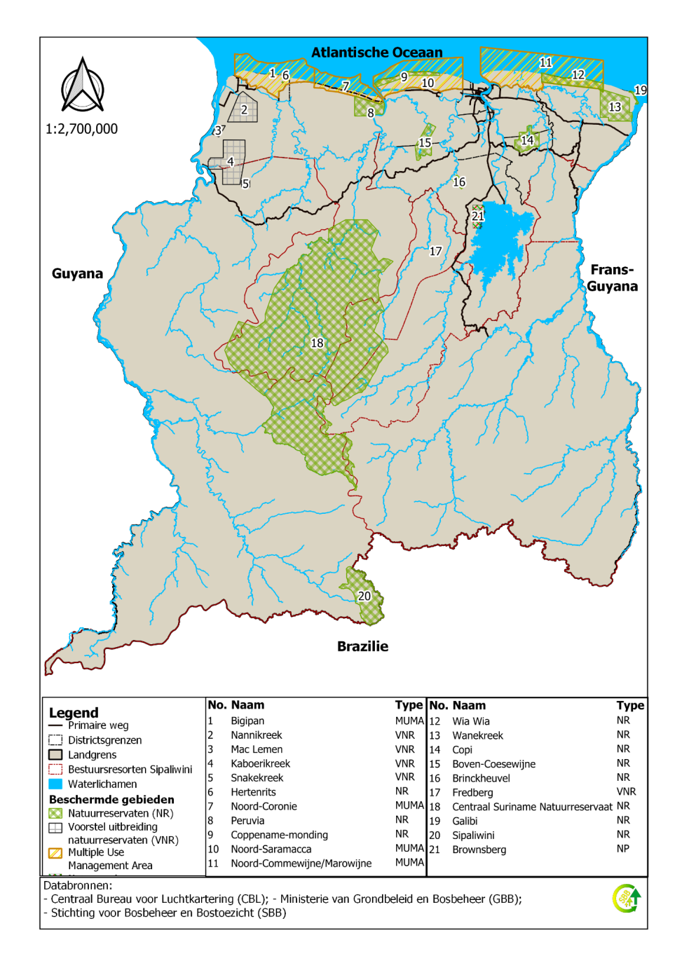

 | Map with the Protected Areas of Suriname, 2022
 | Source:Foundation of Forest Management and Production Control

15.2.1
15.2.1 Progress towards sustainable forest management
“Sustainable forest management” (SFM) is a central concept for Goal 15 and target 15.1 as well as for target 15.2. It has been formally defined, by the UN General Assembly, as follows: [a] dynamic and evolving concept [that] aims to maintain and enhance the economic, social and environmental values of all types of forests, for the benefit of present and future generations” (Resolution A/RES/62/98) .The indicator is composed of five sub-indicators that measure progress towards all dimensions of sustainable forest management. The environmental values of forests are covered by three sub-indicators focused on the extension of forest area, biomass within the forest area and protection and maintenance of biological diversity, and of natural and associated cultural resources. Social and economic values of forests are reconciled with environmental values through sustainable management plans. The sub-indicator provides further qualification to the management of forest areas, by assessing areas which are independently verified for compliance with a set of national or international standards. The sub-indicators are: 1. Annual forest area change rate 2. Above-ground biomass stock in forest 3. Proportion of forest area located within legally established protect areas 4. Proportion of forest area under a long-term forest management plan 5. Forest area under an independently verified forest management certification scheme A dashboard is used to assess progress related to the five sub-indicators. The adoption of the dashboard approach aims at ensuring consideration of all dimensions of sustainable forest management and provides for clear view of areas where progress has been achieved.

Total Land Area and Forest Area, 2015-2023 |  |  |  | Total Post-deforestation area, Land Use and Land Cover (LULC) (classes in ha), 2000-2015, 2000-2017, 2000-2019, 2000-2021
 | Total land area | Total Forest area # |  | LULC classes | Area (ha) #
 | km2 | % | km2 |  | 2000-2015 | 2000-2017 | 2000-2019 | 2000-2021
2015 | 163,820 | 93.1 | 152,517 | Secondary vegetation | 1,205 | 1,642 | 1,642 | 7,160
2016 | 163,820 | 93.03 | 152,403 | Urban Areas | 3,424 | 2,931 | 3,807 | 3,867
2017 | 163,820 | 92.97 | 152,300 | Infrastructure | 12,964 | 18,843 | 24,400 | 27,409
2018 | 163,820 | 92.91 | 152,212 | Mining | 62,102 | 72,261 | 83,739 | 93,904
2019 | 163,820 | 92.75 | 151,950 | Agriculture | 2,213 | 4,956 | 5,932 | 6,834
2020 | 163,820 | 92.7 | 151,859 | Pasture* | 455 | 1,114 | 1,495 | 1,664
2021 | 163,820 | 92.65 | 151,785 | Other Land | 281 | 769 | 1,124 | 714
2022 | 163,820 | 92.61 | 151,707 | Burned areas | 2,502 | 2,302 | 2,922 | 3,161
2023 | 163,820 | 92.56 | 151,631 | Source: Foundation for Forest Management and Production Control
Source: Foundation for Forest Management and Production Control |  |  |  | Retrieved from: | https://statistics-suriname.org/wp-content/uploads/2024/12/Elfde-Milieustatistieken-pub-dec-2024.pdf
Retrieved from: | https://statistics-suriname.org/wp-content/uploads/2024/12/Elfde-Milieustatistieken-pub-dec-2024.pdf |  |  | Table 8.5; Page 202
Table 8.3a; Page 191 |  |  |  | Note: The area of pasture also includes abandoned areas which are not necessarily pasture areas. The year 2000 is used as the base year.

Deforestastion (%) over de monitoringsperiods 2008-2018 |  |  |  |  |  |  | Graph: Total Post-deforestation area, Land Use and Land Cover (LULC) (classes in ha.),2000-2015, 2000-2017, 2000-2019 and 2000-2021
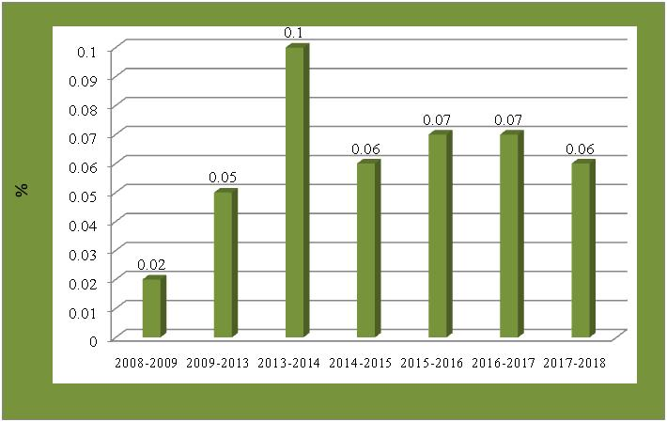
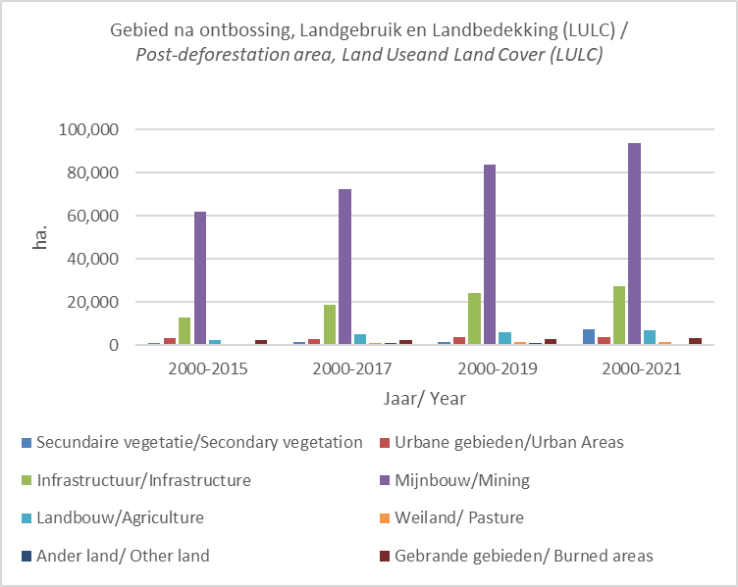

Source: Foundation of Forest Management and Production Control

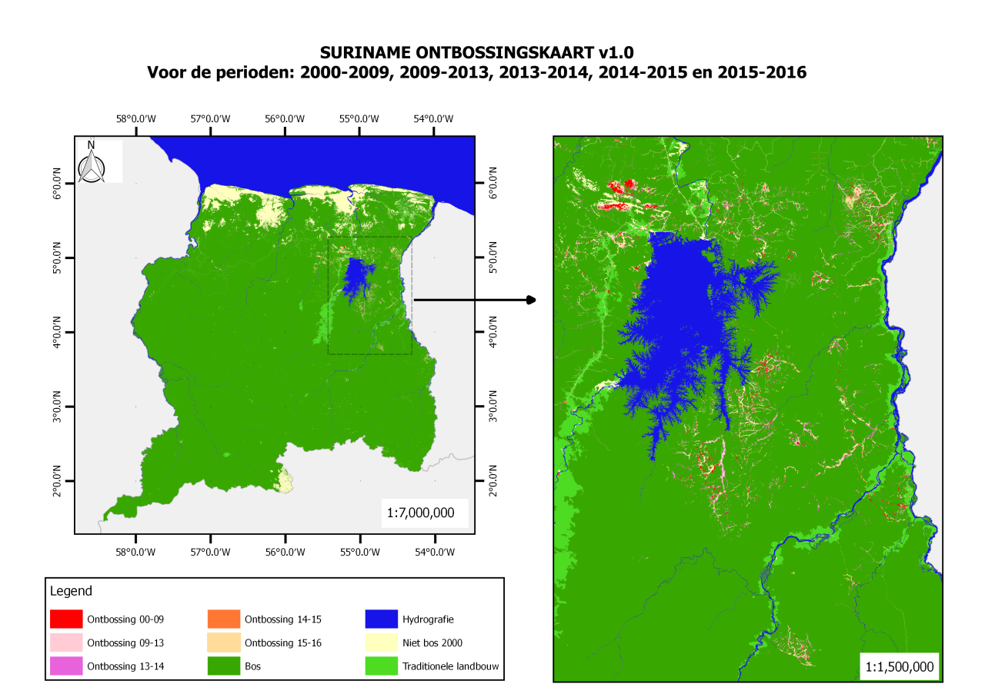
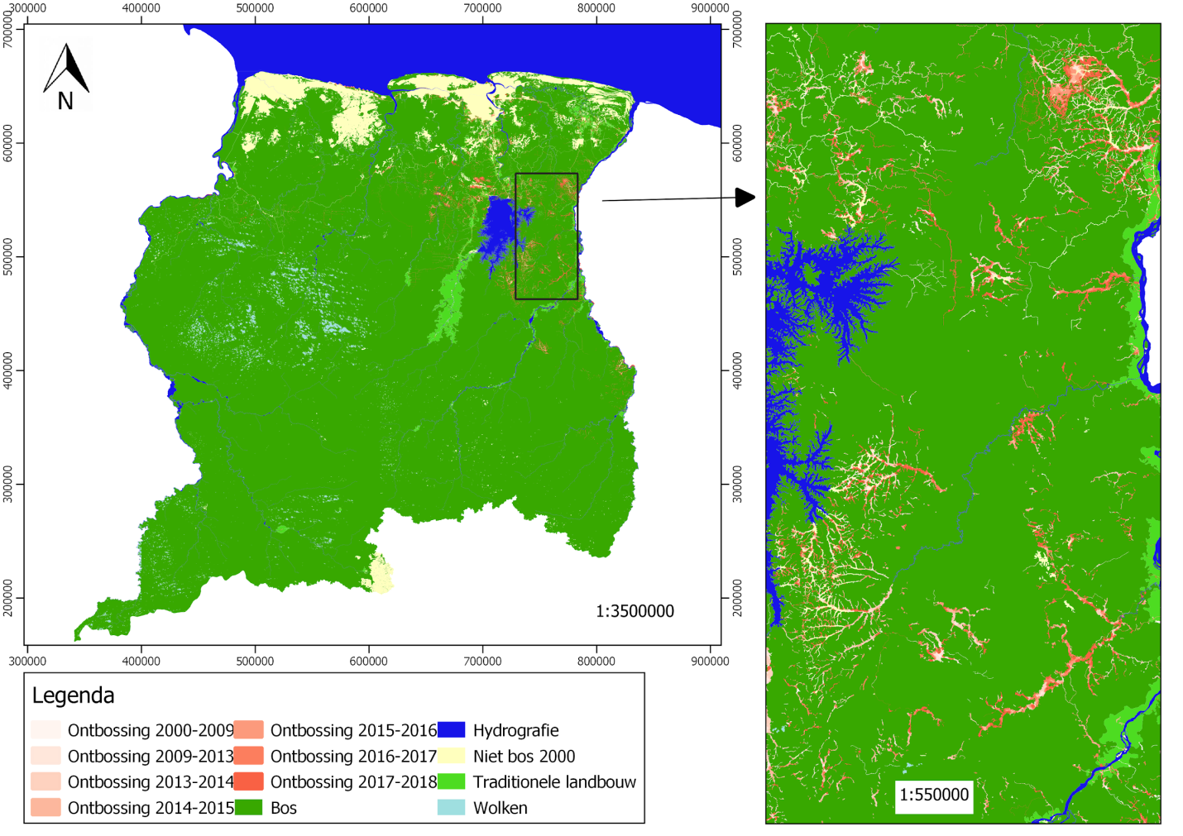

Forest Cover map Suriname with deforestation 2000-2009, 2009-2013, 2013-2014, 2014-2015, 2015-2016 |  |  |  |  |  |  |  |  | Forest Cover Map Suriname with deforestation from 2000=2018
Source:Foundation of Forest Management and Production Control |  |  |  |  |  |  |  |  | Map: Bosbedekking kaart Suriname met ontbossing van 2000 tot en met 2018

Deforestation rate (%) over the monitoring periods 2000-2019 |  |  |  |  |  |  |  |  | Deforestation rate (%) over the monitoring periods 2000-2022
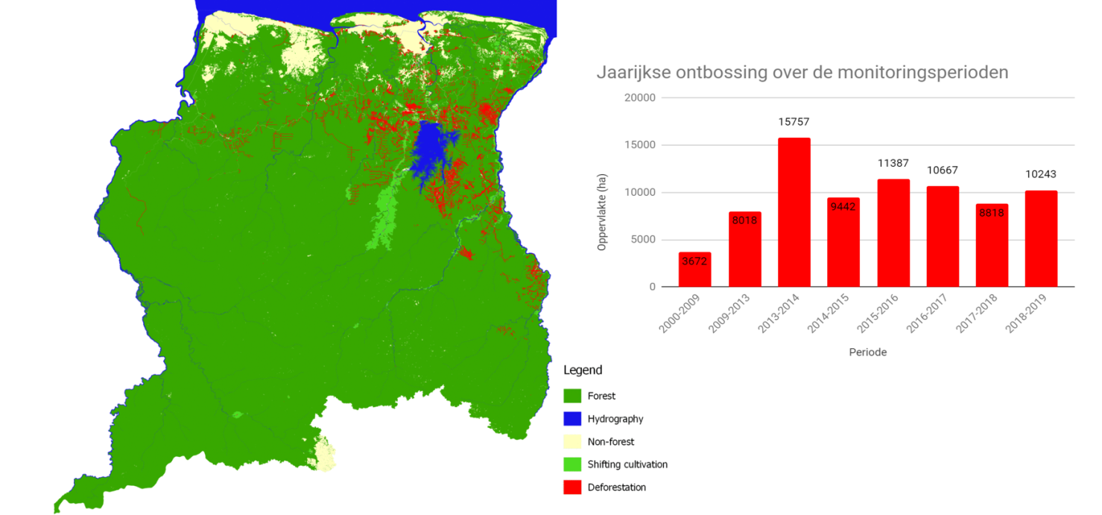
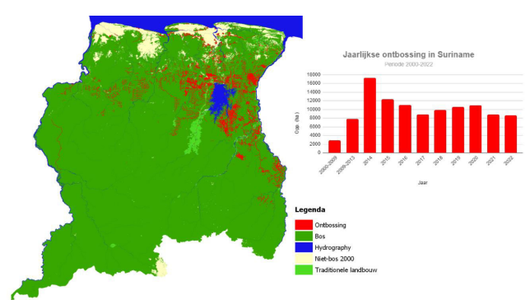

Source:Foundation of Forest Management and Production Control |  |  |  |  |  |  |  |  | Source:Foundation of Forest Management and Production Control

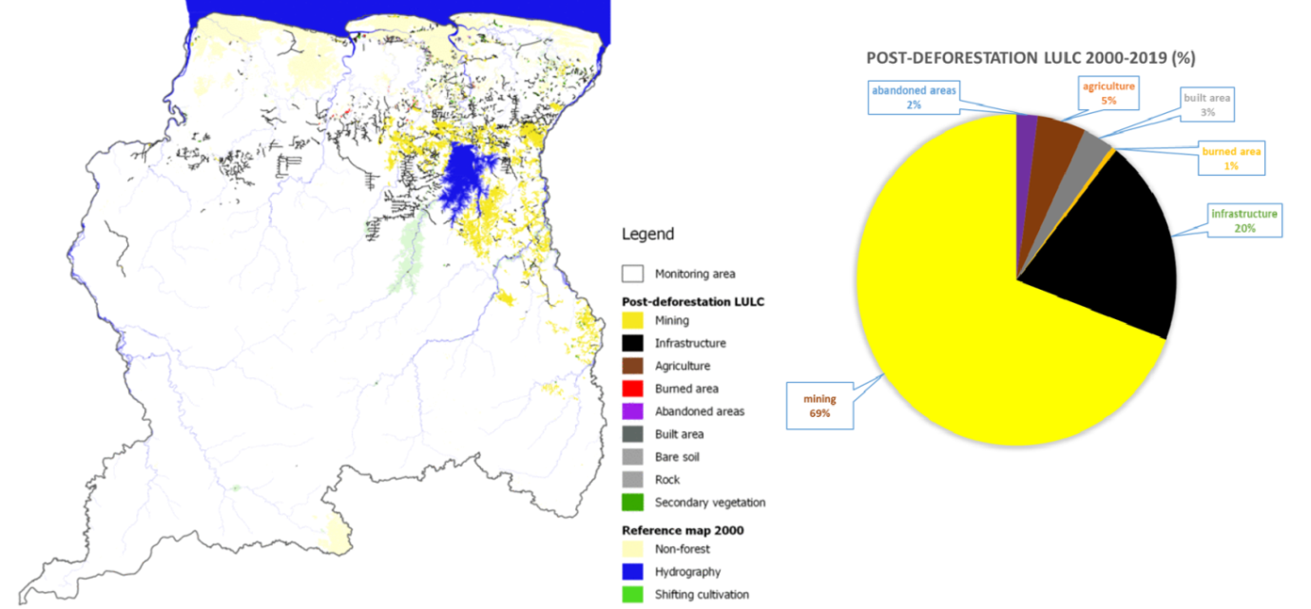

Post-deforestation Land Use and Land Cover ( LULC)_ Map Suriname from 2000-2019
Source:Foundation of Forest Management and Production Control

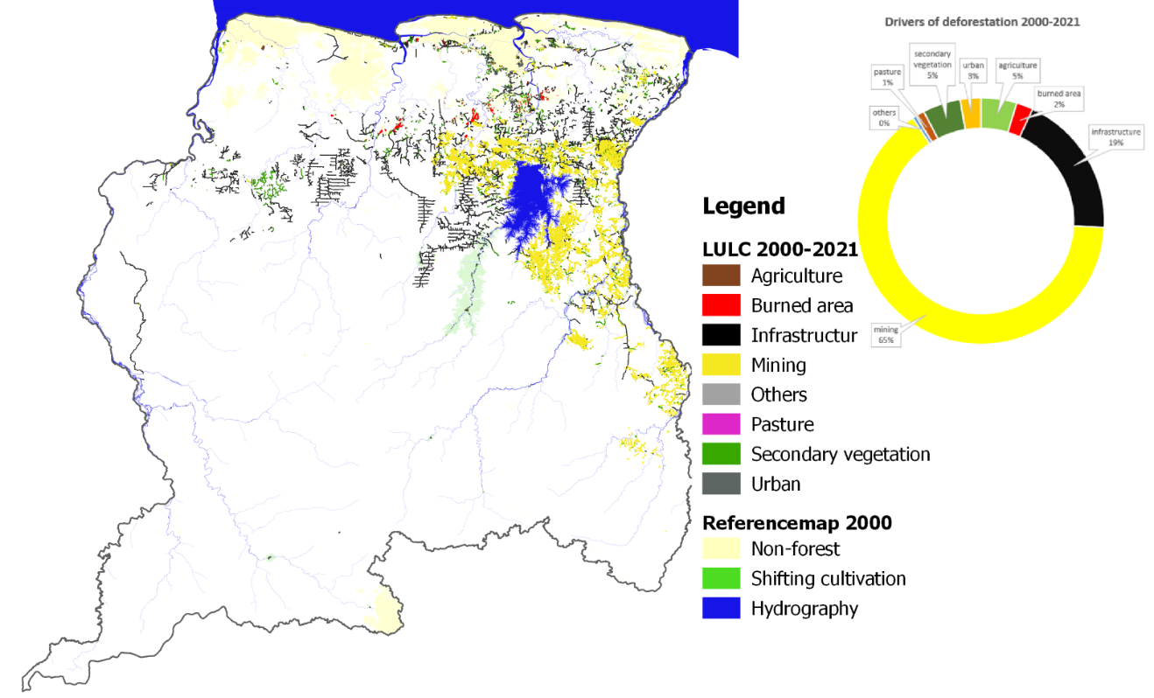

Figure 8.4b: Post-deforestation LULC Map Suriname, 2000-2021

15.3.1
15.3.1 Proportion of land that is degraded over total land area
Land degradation is defined as the reduction or loss of the biological or economic productivity and complexity of rain fed cropland, irrigated cropland, or range, pasture, forest and woodlands resulting from a combination of pressures, including land use and management practices. This definition was adopted by and is used by the 196 countries that are Party to the UNCCD (see also Figure 1) . Land Degradation Neutrality (LDN) is defined as a state whereby the amount and quality of land resources necessary to support ecosystem functions and services and enhance food security remain stable or increase within specified temporal and spatial scales and ecosystems (decision 3/COP12)..Total land area is the total surface area of a country excluding the area covered by inland waters, like major rivers and lakes. The measurement unit for this indicator is the spatial extent (hectares or km2) expressed as the proportion (percentage or %) of land that is degraded over total land area. SDG indicator 15.3.1 is a binary - degraded/not degraded - quantification based on the analysis of available data for three sub-indicators to be validated and reported by national authorities. The sub-indicators (Trends in Land Cover, Land Productivity and Carbon Stocks) were adopted by the UNCCD’s governing body in 2013 as part of its monitoring and evaluation approach. The method of computation for this indicator follows the “One Out, All Out” statistical principle and is based on the baseline assessment and evaluation of change in the sub-indicators to determine the extent of land that is degraded over total land area.The One Out, All Out principle is applied taking into account changes in the sub-indicators which are depicted as (i) positive or improving, (ii) negative or declining, or (iii) stable or unchanging. If one of the sub-indicators is negative (or stable when degraded in the baseline or previous monitoring year) for a particular land unit, then it would be considered as degraded subj
...
Total Post-deforestation area, Land Use and Land Cover (LULC) (classes in ha), 2000-2015, 2000-2017, 2000-2019, 2000-2021
Mining | 62,102 | 72,261 | 83,739 | 93,904
Agriculture | 2,213 | 4,956 | 5,932 | 6,834
Pasture* | 455 | 1,114 | 1,495 | 1,664
Other Land | 281 | 769 | 1,124 | 714
Burned areas | 2,502 | 2,302 | 2,922 | 3,161 | Graph Total Post-deforestation area, Land Use and Land Cover (LULC) (classes in ha.),2000-2015, 2000-2017, 2000-2019 and 2000-2021
Source: Foundation for Forest Management and Production Control
Retrieved from: | https://statistics-suriname.org/wp-content/uploads/2024/12/Elfde-Milieustatistieken-pub-dec-2024.pdf
Table 8.3a; Page 191

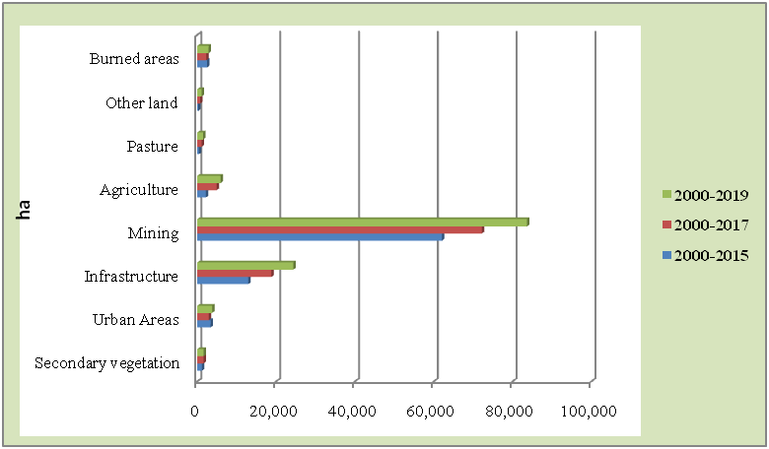
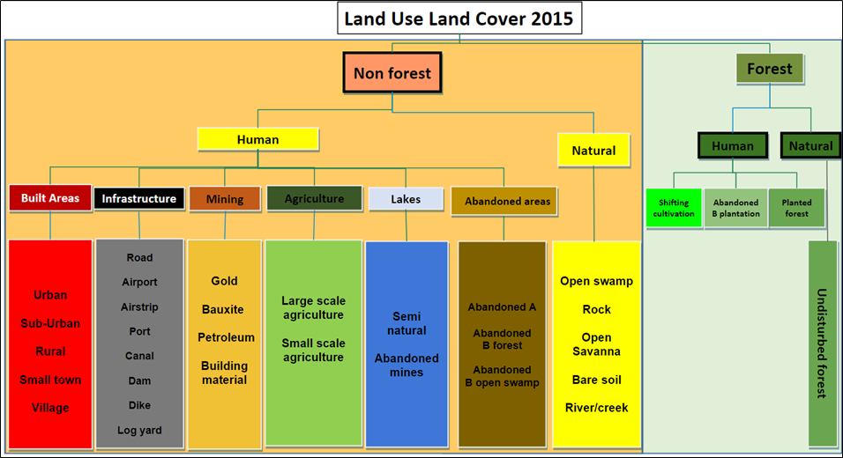

Graph: Total Post-deforestation area, Land Use and Land Cover (LULC) (classes in ha), 2000-2015, 2000-2017 and 2000-2019 |  |  |  |  | Source: Foundation for Forest Management and Production Control
 |  |  |  |  | Retrieved from: | https://statistics-suriname.org/wp-content/uploads/2024/12/Elfde-Milieustatistieken-pub-dec-2024.pdf
 |  |  |  |  | Graph 8.1; Page 202
...

15.6.1
...
Notes on the Nagoya Protocol | Laws under consideration:
Suriname is not yet Party to the Nagoya Protocol on Access and Benefit Sharing, however, small progress is made towards ratifying/acceding the Protocol. In this progress, it can be mentioned that as a result of a workshop (hosted by CARICOM secretariat) in Suriname in 2015, the countries’ capacity for implementation of the Nagoya Protocol on Access and Benefit Sharing has been strengthened. The objective of this workshop was preventing the exploitation of Genetic Resources and associated Traditional Knowledge within CARICOM Member States. The workshop was held, in collaboration with the Access and Benefit Sharing Capacity Development Initiative and the Government of Suriname. The workshop forms part of theWork Program of Phase 2 of the EU funded Program for Capacity-Building related to Multilateral Environmental Agreements in ACP Countries. CM has prioritized this as a policy measure for 2019. Furthermore, in preparation for the ratification of the Nagoya Protocol, Suriname is in the process of taking steps to start stakeholder’s consultation in 2019. One of the main obligations under the Protocol is to incorporate Access and Benefit Sharing on Genetic Resources and Traditional Knowledge of the ITPs in Suriname. | Law amendment Environmental Framework Act (2024)
Source: The Sixth National Report to the United Nations Convention on Biological Diversity, 2019 ( pag 111) | Draft law Sustainable Nature Management Act

Convention on Biological Diversity(2010)
The Convention on Biological Diversity; CBD was ratified in Suriname on 12-01-1996. This convention aims to preserve biodiversity, promote sustainable use of components of biodiversity and share in the benefits arising from the use of biological resources (benefit-sharing). This treaty covers all ecosystems, species and genetic resources. It combines traditional conservation with the economic goal by using biological sources sustainably
Source: http://www.cbd.int

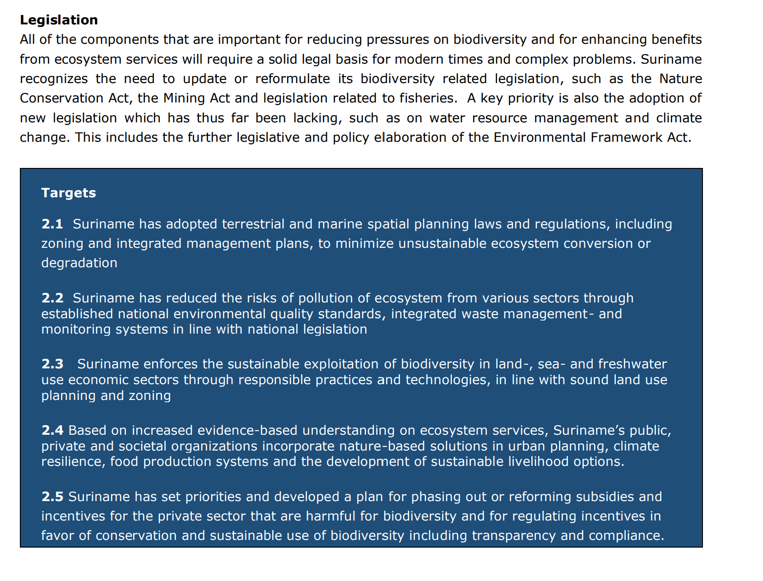

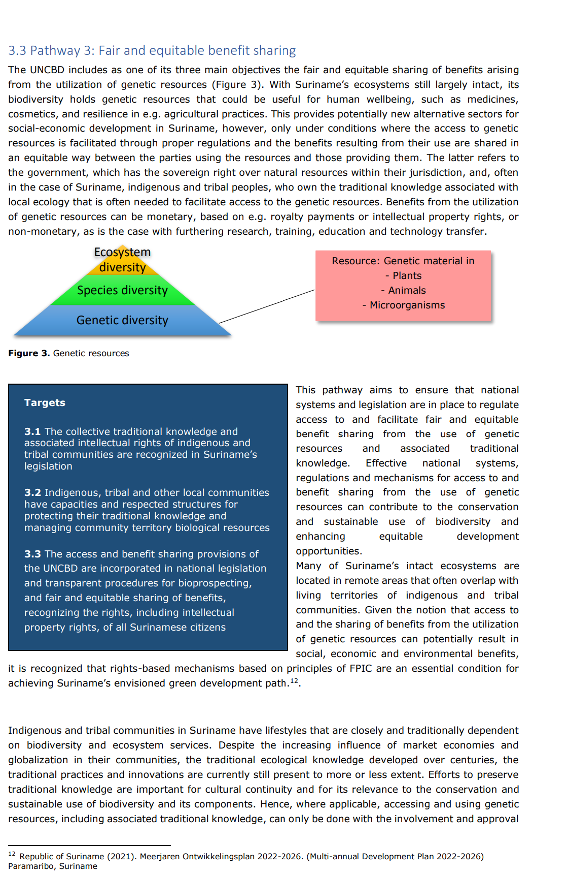

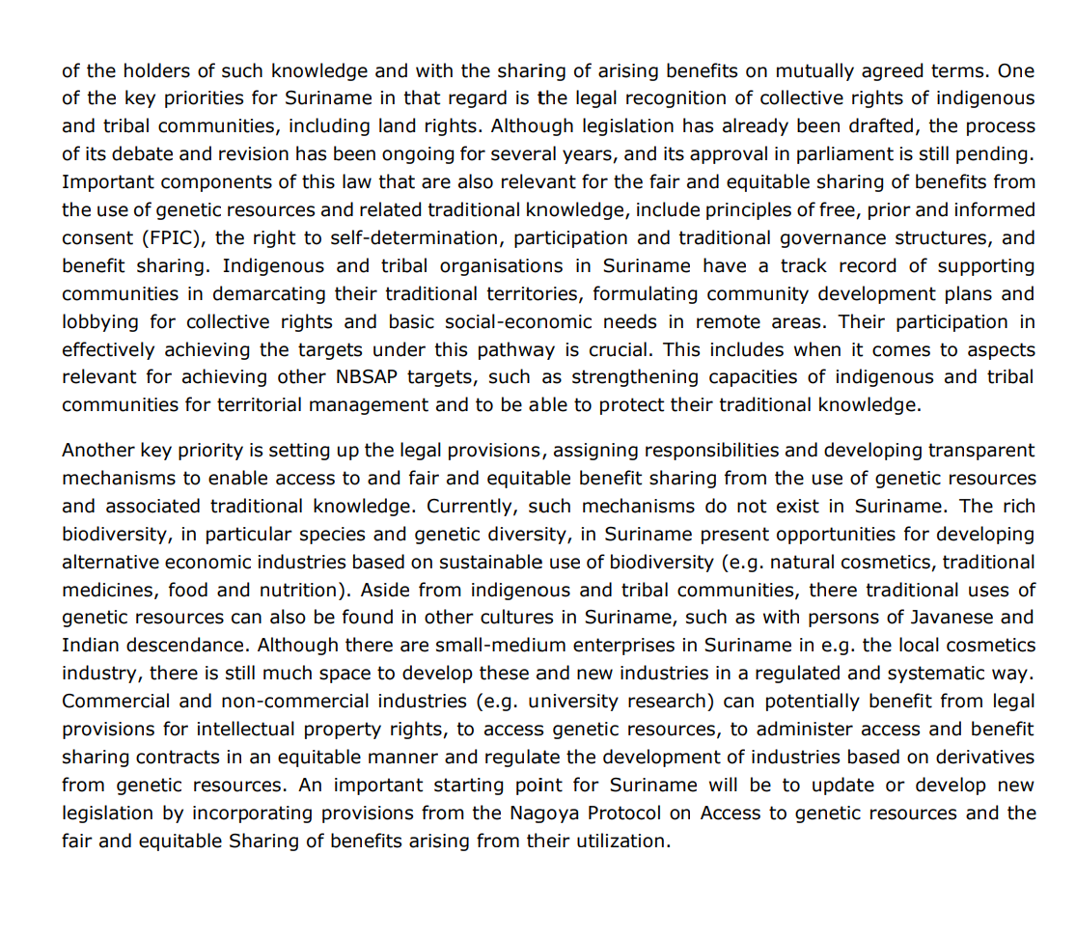

15.8.1
15.8.1 Proportion of countries adopting relevant national legislation and adequately resourcing the prevention or control of invasive alien species
This indicator aims to quantify trends in: Commitment by countries to relevant multinational agreements, specifically:(1)National adoption of invasive alien species relevant policy. Percentage of countries with (a) national legislation and policy relevant to invasive alien species. (b) if targets and objectives within national strategies for preventing and controlling invasive alien species are aligned with Aichi Target 9 The translation of policy arrangements into action by countries to implement policy and actively prevent and control invasive alien species (IAS) and the resourcing of this action, specifically:(2) National allocation of resources towards the prevention or control of IAS.

(a)Legislations:
The Game Act is a law designed to protect animals living in the wild by regulating hunting. According to the 1954 Game Act there are four categories of wild animals, namely protected animals, game species, cage species and predominantly harmful species. All mammals and reptiles that are not on the hunting calendar are fully protected57. In total there are 47 animals on the Wild Animal list and 60 animals on the cage animal list. Most animals are bird species. The 4 category Wild are included in the hunting calendar: 1. Hunting Game species: animal species on which one can hunt with a valid hunting certificate ( see figure 11.2b) 2. Cage species: animal species that can be captured with a special permit (see figure 11.3c) 3. Mostly harmful animal species: animal species on which one can hunt that cause damage to have and good (see figure 11.2a) 4. Protected animal species: Animals that should not be hunted, attempted hunting, catching or attempting to catch. Of these animal species, one may not arrive and whether parts of them are with them. The hunt is adequately regulated, but in practice it is difficult to enforce the regulations.

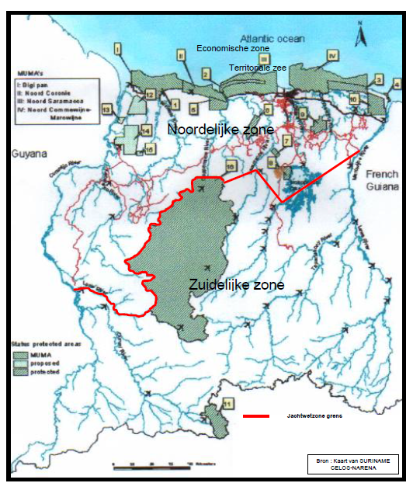

Figure: Game Act zone
Source:Forest Service of Suriname, Division of Nature Conservation

(b) if targets and objectives within national strategies for preventing and controlling invasive alien species are aligned with Aichi Target 9 (assesment done:Mid-August 2018)
Progress towards target but at an insufficient rate
With regards to Invasive Alien Species (IAS) there is no mentioning of it in the Development Plan 2017-2021. Variousinitiatives and project activities were already mentioned in section II regarding the NBAP 2012-2016, under sub objective 1.5 “Spread of dangerous objects, substances or organisms in natural ecosystems limited and under control”. Mention was made of a preliminary research conducted in 2016 by CM on the status of IAS in Suriname. The research focused on 3 questions: 1) Are IAS commercially traded?; 2) Are biological instruments being used in handling of IAS?; and 3) What policy measures are in place with regards to management and extermination of IAS? This research showed that there is no unambiguous definition for IAS. Participating organizations are using different definitions. Also, that there are insufficient and lack of legal regulations and laws with regards to IAS, in particularly protection against IAS. Furthermore, there is no coordinated program or protocol in place with regards to management of IAS.Also, it was mentioned that in 2017, a survey was done in preparation of the Capacity-BuildingWorkshop for Caribbean Small Island Developing States towards Achieving Aichi Biodiversity Target 9 (Kingston, Jamaica). This research report includes among other things, an overview of IAS in Suriname, as well as(intentionally and unintentionally) introduced species. Thisstudy shows that in Suriname IAS of concern are identified and prioritized. Specifically, the Bactrocera carambolae (Carambola fruit fly) is on surveillance and measures have been taken to eradicate the population in the past. However, pathways for other IAS are not identified and prioritized. Various governmental and research institutions were involved in thissurvey. The following governmental and non-governmental organizations have tasks related to IAS management: - CM with regards to the coordination of environment policy. - Ministry of Finance, Department of Customs, with rega
Source: The Sixth National Report to the United Nations Convention on Biological Diversity, 2019 ( pag 84)

15.c.1
15.c.1 Proportion of traded wildlife that was poached or illicitly trafficked
The share of all trade in wildlife detected as being illegal

Please see SDG 15.7.1 data

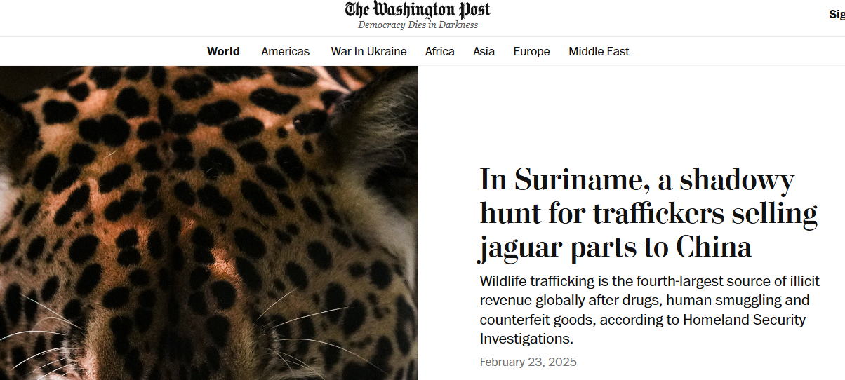

Source: https://www.gfcnieuws.com/undercoveronderzoek-onthult-jaguar-smokkel-in-suriname/

