16.1.3
 | 16.1.3 Proportion of population subjected to (a) physical violence, (b) psychological violence and (c) sexual violence in the previous 12 months
 | The total number of persons who have been victim of physical, psychological or sexual violence in the previous 12 months, as a share of the total population.

 | Number of registered victims from violence by Sex, 2010 – 2016 |  |  |  |  |  |  |  |  |  |  |  | Children Witnessing Any Type of Violence at Home
 | Year | Type of Violence | Total |  |  | Mid-Year Population |  |  | Ratio |  |  |  |  | Female | Male | Total
 |  |  | Male | Female | Total | Male | Female | Total | Male | Femal | Total |  | Yes | 43.18 | 56.82 | 44
 | 2010 | Sexual | 0 | 22 | 22 | 216410 | 213350 | 429760 | 0.00 | 0.01 | 0.01 |  | No | 51.08 | 48.92 | 1,719
 |  | Physical | 200 | 491 | 691 | 216410 | 213350 | 429760 | 0.09 | 0.23 | 0.16 |  | Total | 50.88 | 49.12 | 1,763
 |  | Total | 297 | 724 | 1021 | 216410 | 213350 | 429760 | 0.14 | 0.34 | 0.24 |  | Source: Suriname Survey of Living Conditions, 2022
 | 2011 | Sexual | 1 | 34 | 35 | 221380 | 217910 | 439290 | 0.00 | 0.02 | 0.01
 |  | Physical | 84 | 600 | 684 | 221380 | 217910 | 439290 | 0.04 | 0.28 | 0.16
 |  | Total | 136 | 810 | 946 | 221380 | 217910 | 439290 | 0.06 | 0.37 | 0.22
 | 2012 | Sexual | 0 | 37 | 37 | 219682 | 223047 | 442729 | 0.00 | 0.02 | 0.01
 |  | Physical | 69 | 677 | 746 | 219682 | 223047 | 442729 | 0.03 | 0.30 | 0.17
 |  | Total | 109 | 998 | 1107 | 219682 | 223047 | 442729 | 0.05 | 0.45 | 0.25
 | 2013 | Sexual | 0 | 42 | 42 | 223487 | 226910 | 450397 | 0.00 | 0.02 | 0.01
 |  | Physical | 78 | 588 | 666 | 223487 | 226910 | 450397 | 0.03 | 0.26 | 0.15
 |  | Total | 126 | 926 | 1052 | 223487 | 226910 | 450397 | 0.06 | 0.41 | 0.23
 | 2014 | Sexual | 1 | 71 | 72 | 227256 | 230730 | 457986 | 0.00 | 0.03 | 0.02
 |  | Physical | 139 | 734 | 873 | 227256 | 230730 | 457986 | 0.06 | 0.32 | 0.19
 |  | Total | 228 | 1190 | 1418 | 227256 | 230730 | 457986 | 0.10 | 0.52 | 0.31
 | 2015 | Sexual | 0 | 42 | 42 | 230991 | 234519 | 465510 | 0.00 | 0.02 | 0.01
 |  | Physical | 78 | 588 | 666 | 230991 | 234519 | 465510 | 0.03 | 0.25 | 0.14
 |  | Total | 126 | 926 | 1052 | 230991 | 234519 | 465510 | 0.05 | 0.39 | 0.23
 | 2016 | Sexual | 1 | 71 | 72 | 234700 | 238300 | 473000 | 0.00 | 0.03 | 0.02
 |  | Physical | 139 | 734 | 873 | 234700 | 238300 | 473000 | 0.06 | 0.31 | 0.18
 |  | Total | 228 | 1190 | 1418 | 234700 | 238300 | 473000 | 0.10 | 0.50 | 0.30
 | Bron:

 | From the publication “Selected Statistics on Women and Men in Suriname 2017” (General Bureau for Statistics, 2017), according to table 4.7: Number of registered victims of domestic violence by type of domestic violence, age group and gender, 2010-2016” shows that the percentage of male and female victims of sexual violence for the period 2010-2016 is as follows:

 | Sexual violance | 2010 | 2011 | 2012 | 2013 | 2014 | 2015 | 2016
 | Male | 2.5 | 3.7 | 2 | 5.2 | 6.7 | 8.5 | 7.8
 | Female | 97.5 | 96.3 | 98 | 94.8 | 93.3 | 91.5 | 92.2
 | Absolute total | 40 | 54 | 51 | 58 | 104 | 82 | 90
 | Per 100000 |  |  |  |  |  | 14 | 16

 | I: number of investigations started | I | II | I | II
 | II: number of persons/legal entities involved in the offense |  |  |  |  |  |  |  |  | I: number of investigations started | I | II | I | II
 |  | Total 2015-2019 |  | Average 2015-2019 |  | Threat rating by crime type |  |  |  | II: number of persons/legal entities involved in the offense
1 | Number of illicit trafficking in narcotics and psychotropic substances | 1002 | 1183 | 200 | 237 | High |  |  |  |  | Total 2015-2019 |  | Average 2015-2019 |  | Threat rating by crime type
2 | Participation in organized crime | 20 | 20 | 4 | 4 | Moderate/High |  |  | 26 | Murder/manslaughter, grievous bodily harm | 166 | 75 | 33 | 15
3 | Sexual exploitation including sexual exploitation of children (Trafficking in Persons/human trafficking) | 13 | 32 | 3 | 6 | Moderate/High |  |  |  | (Indicator 16.1.1 Number of victims of intentional homicide per 100,000 population, by sex and age; please note: number of investigations started, not number of murdered persons | 28 | 13 | 6 | 3
4 | Cases of terrorism | 0 | 0 | 0 | 0 | Low |  |  |  | Source: KPS, december 2020, edited by NRA
5 | Terrorist Financing Cases | 0 | 0 | 0 | 0 | Low
6 | Kidnapping and hostage-taking (Article 342 Criminal Law/National Code) | 185 | 0 | 37 | 0 | Moderate/High |  |  |  |  |  | 2015 | 2016 | 2017 | 2018 | 2019 | 2020 | Aaverage pop 2015-2019
7 | Extortion (KD department) | 161 | 15 | 32 | 3 | Moderate/High |  |  |  |  | Mid-year Population (estimate) | 567,291 | 575,700 | 583,200 | 590,100 | 598,000 | 602,500 | 582,858
8 | Illegal arms trade (Firearm Law) (KD department) | 11 | 12 | 2 | 2 | Mediocre
9 | Environmental Crime | 0 | 0 | 0 | 0 | Low
10 | Robbery (Article 372 of the Criminal Law) (KD division) | 285 | 495 | 57 | 99 | High | indicator 16.1.2
11 | Robbery (Article 372 Criminal Law/National Code) | 1751 | 0 | 350 | 0 | High
12 | Smuggling activities (violation of the Smuggling Decree) (departments KD and FED) | 151 | 155 | 30 | 31 | Moderate /High
13 | Falsification and counterfeiting of goods | 0 | 0 | 0 | 0 | Low
14 | Piracy (National) | 43 | 0 | 9 | 0 | Moderate /Low
15 | Trading with foreknowledge and Market Manipulation | 0 | 0 | 0 | 0 | Low
16 | Number of ML/TF investigations (FOT department) | 157 | 0 | 31 | 0 | Moderate /High
17 | Number of corruption investigations (ITZ: Internal Police Investigations into Acceptance of Gifts and Promises) | 53 | 0 | 11 | 0 | Moderate/High
18 | Number of Trafficking in Persons/Human Trafficking Investigations) | 21 | 30 | 4 | 6 | Mediocre
19 | Number of fraud investigations | 763 | 1378 | 153 | 276 | High
20 | Number of other ML related studies | 1 | 0 | 0 | 0 | Low
21 | Number of Ml/TF related arrests (FOT department) | 4 | 0 | 1 | 0 | Low
22 | Frequency of seized goods from ML activities (FOT department) | 7 | 0 | 1 | 0 | Low
23 | Number of studies based on ML/TF reports received from MOT (FOT department) | 1 | 0 | 0 | 0 | Low
24 | Number of cases of smuggling of hard drugs from Suriname discovered abroad | 41 | 0 | 8 | 0 | Moderate/High
25 | Illegal trade in stolen and other goods | 0 | 0 | 0 | 0 | Low
...
 | Source: KPS, december 2020, edited by NRA
 | 26 | Murder/manslaughter, grievous bodily harm | 166 | 75 | 33 | 15
 |  | Ind 16.1.3 approximate total |  |  | 455 | 24
 |  | Total per 100,000 |  |  | 78 | 4

 |  | Mid-year Population (estimate) | 567,291 | 575,700 | 583,200 | 590,100 | 598,000 | 602,500 | 582,858

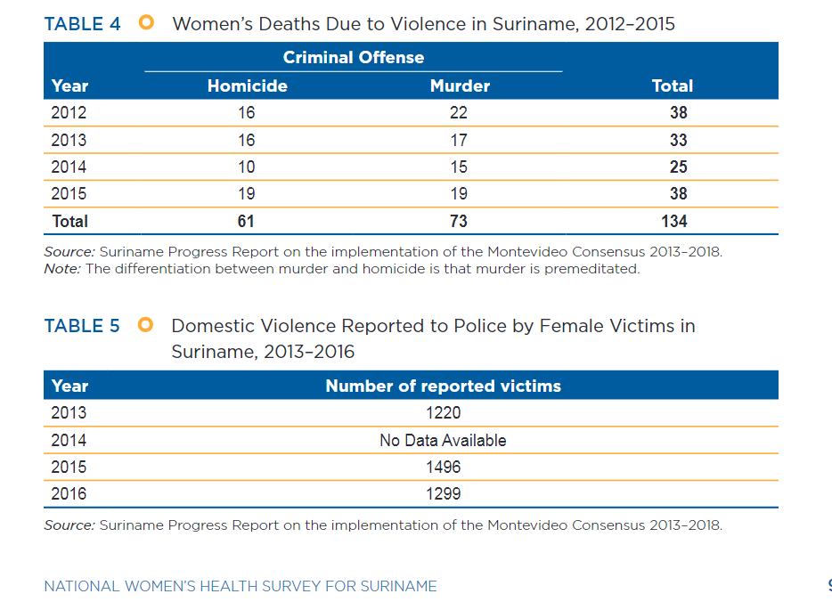
 |  |  |  |  |  |  |  | Women's Death Due to Violence in Suriname, 2012-2015.
 |  |  |  |  |  |  |  |  | Criminal Offense
 |  |  |  |  |  |  |  | Year | Homicide | Murder | Total
 |  |  |  |  |  |  |  | 2012 | 16 | 22 | 38
 |  |  |  |  |  |  |  | 2013 | 16 | 17 | 33
 |  |  |  |  |  |  |  | 2014 | 10 | 15 | 25
 |  |  |  |  |  |  |  | 2015 | 19 | 19 | 38

 |  |  |  |  |  |  |  | Total | 61 | 73 | 134
 |  |  |  |  |  |  |  | Source: Suriname Progress Report on the Implementation of the Montevideo Consensus, 2013-2018
 |  |  |  |  |  |  |  | Note: The differentation between murder and homicide is that murder is premediated

 |  |  |  |  |  |  |  | Domestic Violence Reported to Police by Female Victims in Suriname, 2013–2016
 |  |  |  |  |  |  |  | Year | Number of reported victims
 |  |  |  |  |  |  |  | 2013 | 1220
 |  |  |  |  |  |  |  | 2014 | No Data Available
 |  |  |  |  |  |  |  | 2015 | 1496
 |  |  |  |  |  |  |  | 2016 | 1299
 |  |  |  |  |  |  |  | Source: Suriname Progress Report on the Implementation of the Montevideo Consensus, 2013-2018

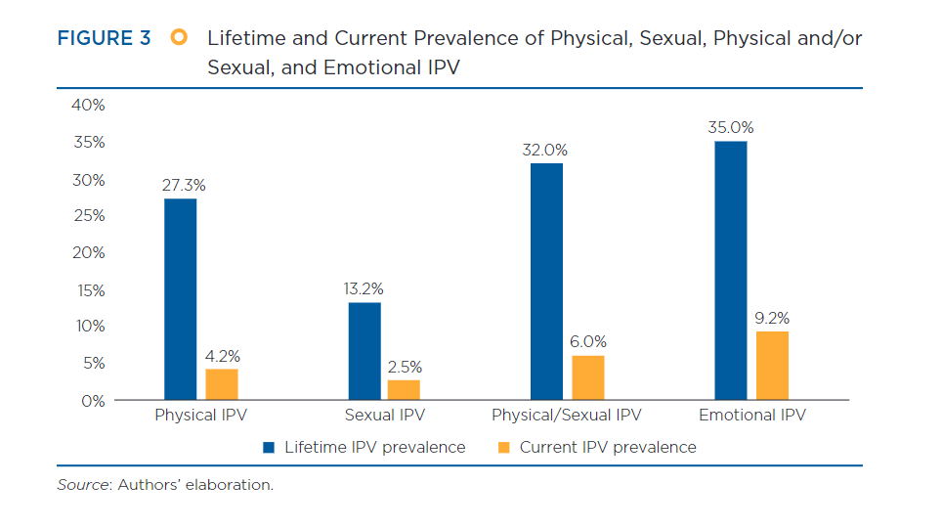

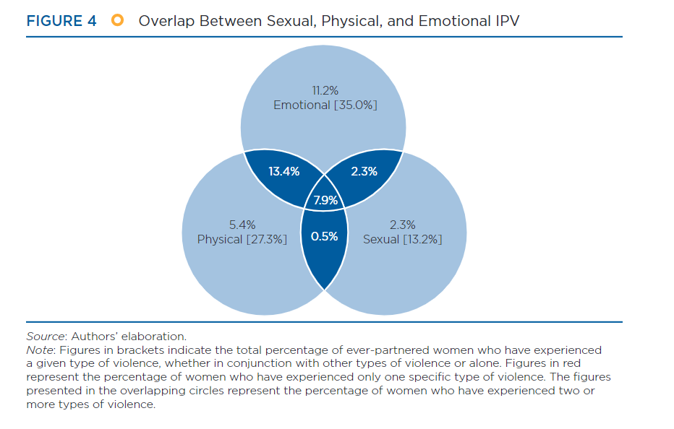

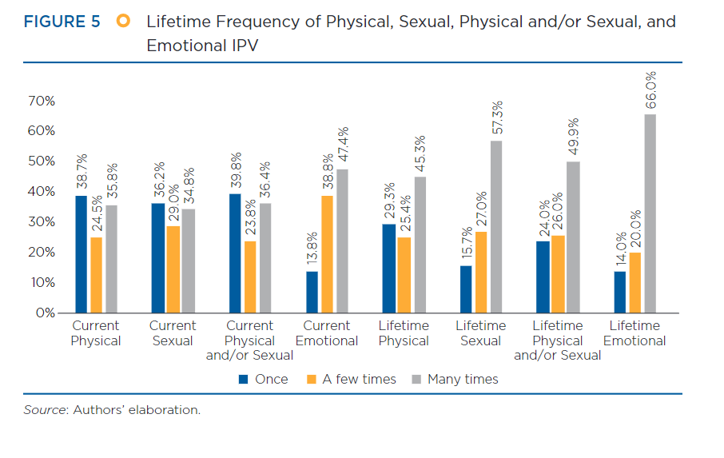

16.1.4
16.1.4 Proportion of population that feel safe walking alone around the area they live
This indicator refers to the proportion of the adult population who feel safe walking alone in their neighborhood after dark.
 |  |  |  |  |  |  |  |  | Male | Female
 |  |  |  |  |  |  |  | Very Safe | 991 | 859
 |  |  |  |  |  |  |  | Somewhat Safe | 1411 | 1376
 |  |  |  |  |  |  |  | Somewhat Unsafe | 607 | 666
 |  |  |  |  |  |  |  | Very Unsafe | 434 | 546

Table PR.7.1W: Feelings of safety (women)
Percent distribution of women age 15-49 years by feeling of safety walking alone in their neighbourhood after dark and being home alone after dark, Suriname MICS, 2018
 | Percent distribution of women who walking alone in their neighbourhood after dark feel: |  |  |  |  | Total | Percent of women who feel safe walking alone in their neighbourhood after dark1 | Percent distribution of women who being home alone after dark feel: |  |  |  |  | Total
 | Very safe | Safe | Unsafe | Very unsafe | Never walk alone after dark |  |  | Very safe | Safe | Unsafe | Very unsafe | Never home alone after dark

Total | 6.7 | 40.8 | 22.0 | 2.3 | 28.3 | 100.0 | 47.3 | 7.9 | 59.7 | 23.6 | 1.7 | 7.1 | 100.0

Area
Urban | 5.4 | 38.3 | 23.6 | 2.8 | 29.9 | 100.0 | 43.7 | 6.9 | 59.6 | 24.8 | 2.1 | 6.6 | 100.0
...

16.2.3
...
16.2.3 Proportion of young women and men aged 18–29 years who experienced sexual violence by age 18
2016 | 2 | 23 | 3 | 41 | 1 | 13 | - | 2 | 1 | 2 | -
...
16.2.3 Proportion of young women and men aged 18–29 years who experienced sexual violence by age 18
Source: KPS, GBS, Gender publications
...
16.2.3 Proportion of young women and men aged 18–29 years who experienced sexual violence by age 18
From : National Women Health survey 2018, IDB

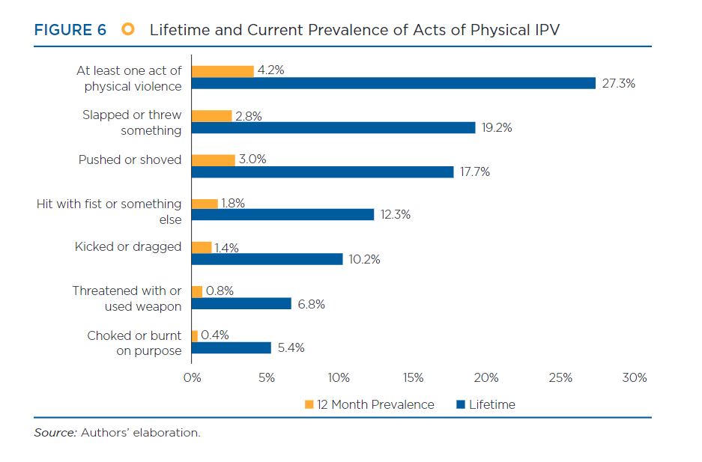

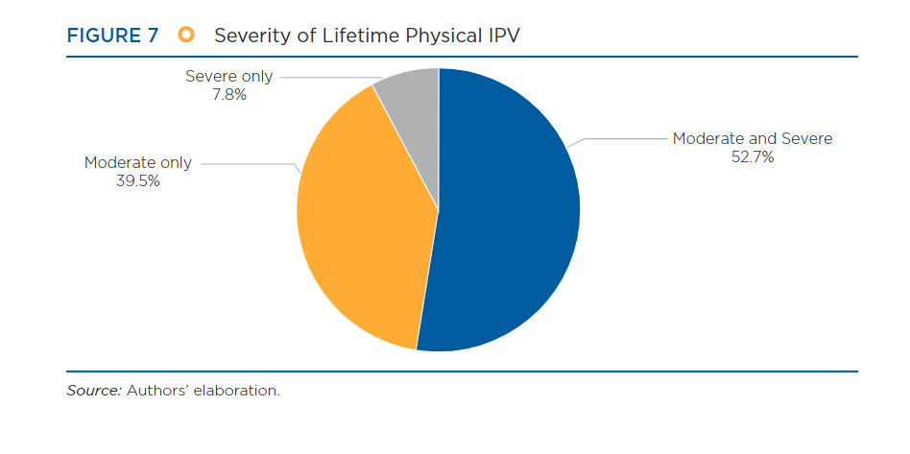

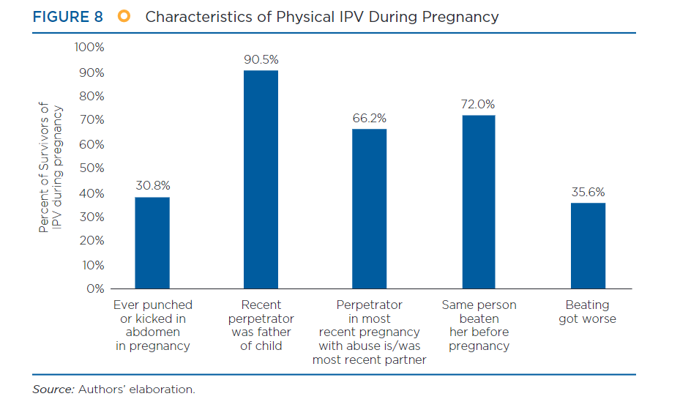

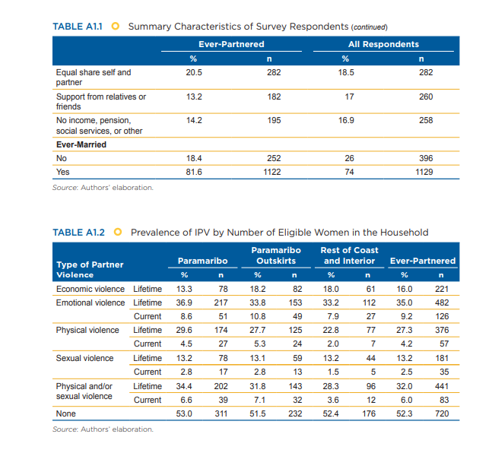
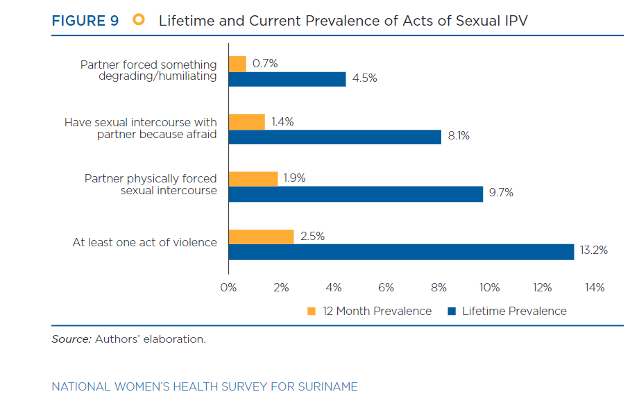
 |  |  |  |  |  |  |  |  |  |  |  | TABLE A1.1: Summary Characteristics of Survey Respondents (continued)
 |  |  |  |  |  |  |  |  |  |  |  |  | Ever-Partnered | All Respondents
 |  |  |  |  |  |  |  |  |  |  |  |  | % | n | % | n
 |  |  |  |  |  |  |  |  |  |  |  | Equal share self and partner | 20.5 | 282 | 18.5 | 282
 |  |  |  |  |  |  |  |  |  |  |  | Support from relatives or friends | 13.2 | 182 | 17 | 260
 |  |  |  |  |  |  |  |  |  |  |  | No income, pension, social services, or other | 14.2 | 195 | 16.9 | 258
 |  |  |  |  |  |  |  |  |  |  |  | Ever-Married
 |  |  |  |  |  |  |  |  |  |  |  | No | 18.4 | 252 | 26 | 396
 |  |  |  |  |  |  |  |  |  |  |  | Yes | 81.6 | 1122 | 74 | 1129

 |  |  |  |  |  |  |  |  |  |  |  | TABLE A1.2: Prevalence of IPV by Number of Eligible Women in the Household
 |  |  |  |  |  |  |  |  |  |  |  | Type of Partner Violence | Paramaribo |  | Paramaribo Outskirts
 |  |  |  |  |  |  |  |  |  |  |  |  | % | n | % | n
 |  |  |  |  |  |  |  |  |  |  |  | Economic violence | Lifetime | 13.3 | 78 | 18.2
 |  |  |  |  |  |  |  |  |  |  |  | Emotional violence | Lifetime | 36.9 | 217 | 33.8
 |  |  |  |  |  |  |  |  |  |  |  |  | Current | 8.6 | 51 | 10.8
 |  |  |  |  |  |  |  |  |  |  |  | Physical violence | Lifetime | 29.6 | 174 | 27.7
 |  |  |  |  |  |  |  |  |  |  |  |  | Current | 4.5 | 27 | 5.3
 |  |  |  |  |  |  |  |  |  |  |  | Sexual violence | Lifetime | 13.2 | 78 | 13.1
 |  |  |  |  |  |  |  |  |  |  |  |  | Current | 2.8 | 17 | 2.8
 |  |  |  |  |  |  |  |  |  |  |  | Physical and/or sexual violence | Lifetime | 34.4 | 202 | 31.8
 |  |  |  |  |  |  |  |  |  |  |  |  | Current | 6.6 | 39 | 7.1
 |  |  |  |  |  |  |  |  |  |  |  | None |  | 53.0 | 311 | 51.5

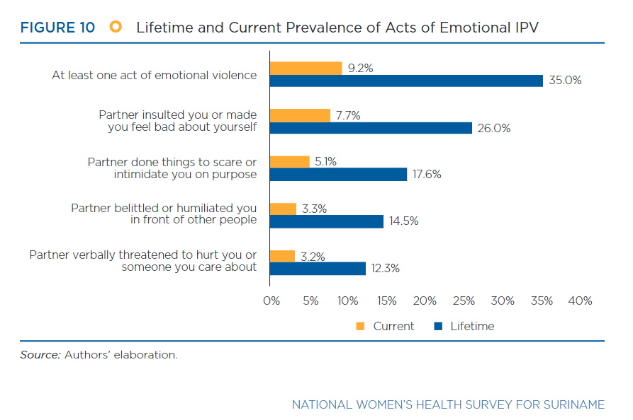
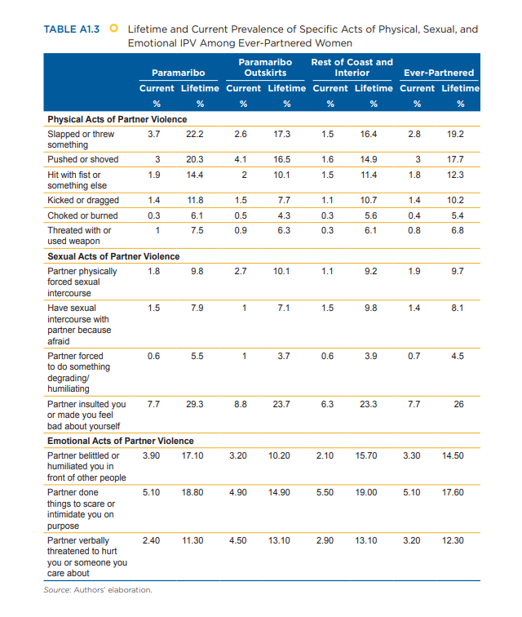
 |  |  |  |  |  |  |  |  |  |  |  | TABLE A1.3: Lifetime and Current Prevalence of Specific Acts of Physical, Sexual, and Emotional IPV Among Ever-Partnered Women
 |  |  |  |  |  |  |  |  |  |  |  |  | Paramaribo |  | Paramaribo Outskirts
 |  |  |  |  |  |  |  |  |  |  |  |  | Current % | Lifetime % | Current % | Lifetime %
 |  |  |  |  |  |  |  |  |  |  |  | Physical Acts of Partner Violence
 |  |  |  |  |  |  |  |  |  |  |  | Slapped or threw something | 3.7 | 22.2 | 2.6 | 17.3
 |  |  |  |  |  |  |  |  |  |  |  | Pushed or shoved | 3 | 20.3 | 4.1 | 16.5
 |  |  |  |  |  |  |  |  |  |  |  | Hit with fist or something else | 1.9 | 14.4 | 2 | 10.1
 |  |  |  |  |  |  |  |  |  |  |  | Kicked or dragged | 1.4 | 11.8 | 1.5 | 7.7
 |  |  |  |  |  |  |  |  |  |  |  | Choked or burned | 0.3 | 6.1 | 0.5 | 4.3
 |  |  |  |  |  |  |  |  |  |  |  | Threatened with or used weapon | 1 | 7.5 | 0.9 | 6.3
 |  |  |  |  |  |  |  |  |  |  |  | Sexual Acts of Partner Violence
 |  |  |  |  |  |  |  |  |  |  |  | Partner physically forced sexual intercourse | 1.8 | 9.8 | 2.7 | 10.1
 |  |  |  |  |  |  |  |  |  |  |  | Have sexual intercourse with partner because afraid | 1.5 | 7.9 | 1 | 7.1
 |  |  |  |  |  |  |  |  |  |  |  | Partner forced to do something degrading/humiliating | 0.6 | 5.5 | 1 | 3.7
 |  |  |  |  |  |  |  |  |  |  |  | Partner insulted you or made you feel bad about yourself | 7.7 | 29.3 | 8.8 | 23.7
 |  |  |  |  |  |  |  |  |  |  |  | Emotional Acts of Partner Violence
 |  |  |  |  |  |  |  |  |  |  |  | Partner belittled or humiliated you in front of other people | 3.90 | 17.10 | 3.20 | 10.20
 |  |  |  |  |  |  |  |  |  |  |  | Partner done things to scare or intimidate you on purpose | 5.10 | 18.80 | 4.90 | 14.90
 |  |  |  |  |  |  |  |  |  |  |  | Partner verbally threatened to hurt you or someone you care about | 2.40 | 11.30 | 4.50 | 13.10

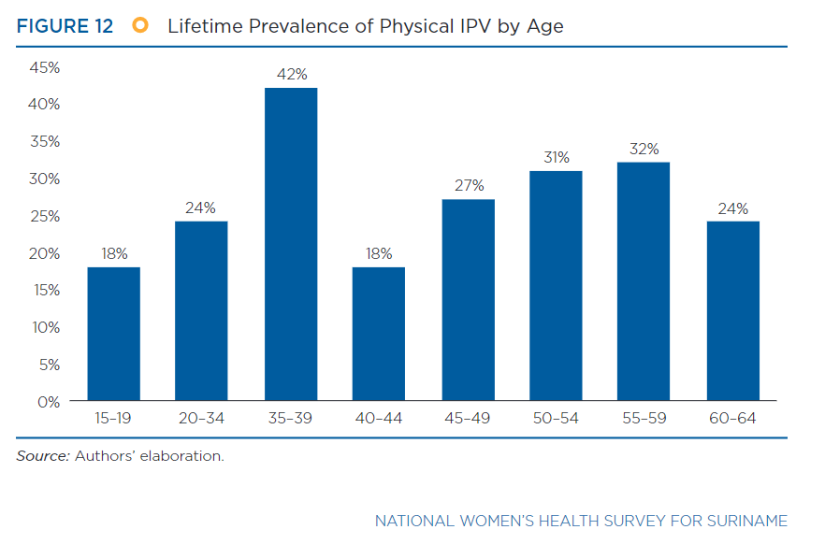

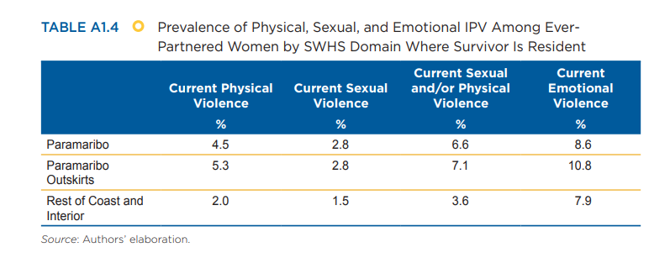
 |  |  |  |  |  |  |  |  |  |  |  | TABLE A1.4: Prevalence of Physical, Sexual, and Emotional IPV Among Ever-Partnered Women by SWHS Domain Where Survivor Is Resident
 |  |  |  |  |  |  |  |  |  |  |  |  | Current Physical Violence % | Current Sexual Violence % | Current Sexual and/or Physical Violence % | Current Emotional Violence %
 |  |  |  |  |  |  |  |  |  |  |  | Paramaribo | 4.5 | 2.8 | 6.6 | 8.6
 |  |  |  |  |  |  |  |  |  |  |  | Paramaribo Outskirts | 5.3 | 2.8 | 7.1 | 10.8
 |  |  |  |  |  |  |  |  |  |  |  | Rest of Coast and Interior | 2.0 | 1.5 | 3.6 | 7.9

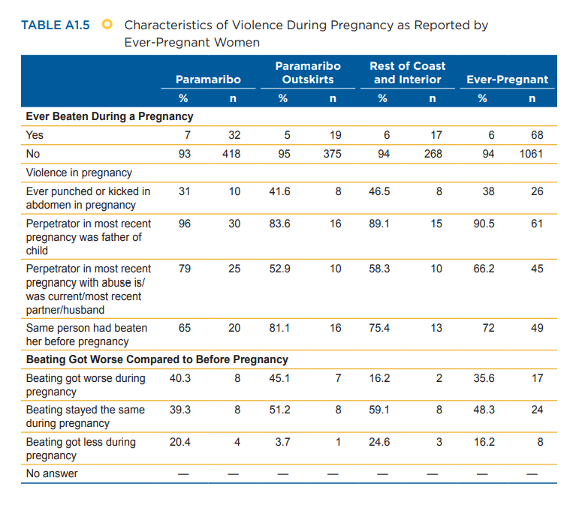

 |  |  |  |  |  |  |  |  |  |  |  | TABLE A1.5: Characteristics of Violence During Pregnancy as Reported by Ever-Pregnant Women
 |  |  |  |  |  |  |  |  |  |  |  |  | Paramaribo |  | Paramaribo Outskirts
 |  |  |  |  |  |  |  |  |  |  |  |  | % | n | % | n
 |  |  |  |  |  |  |  |  |  |  |  | Ever Beaten During a Pregnancy
 |  |  |  |  |  |  |  |  |  |  |  | Yes | 7 | 32 | 5 | 19
 |  |  |  |  |  |  |  |  |  |  |  | No | 93 | 418 | 95 | 375
 |  |  |  |  |  |  |  |  |  |  |  | Violence in pregnancy
 |  |  |  |  |  |  |  |  |  |  |  | Ever punched or kicked in abdomen in pregnancy | 31 | 10 | 41.6 | 8
 |  |  |  |  |  |  |  |  |  |  |  | Perpetrator in most recent pregnancy was father of child | 96 | 30 | 83.6 | 16
 |  |  |  |  |  |  |  |  |  |  |  | Perpetrator in most recent pregnancy with abuse is/was current/most recent partner/husband | 79 | 25 | 52.9 | 10
 |  |  |  |  |  |  |  |  |  |  |  | Same person had beaten her before pregnancy | 65 | 20 | 81.1 | 16
 |  |  |  |  |  |  |  |  |  |  |  | Beating Got Worse Compared to Before Pregnancy
 |  |  |  |  |  |  |  |  |  |  |  | Beating got worse during pregnancy | 40.3 | 8 | 45.1 | 7
 |  |  |  |  |  |  |  |  |  |  |  | Beating stayed the same during pregnancy | 39.3 | 8 | 51.2 | 8
 |  |  |  |  |  |  |  |  |  |  |  | Beating got less during pregnancy | 20.4 | 4 | 3.7 | 1
 |  |  |  |  |  |  |  |  |  |  |  | No answer | - | - | - | -

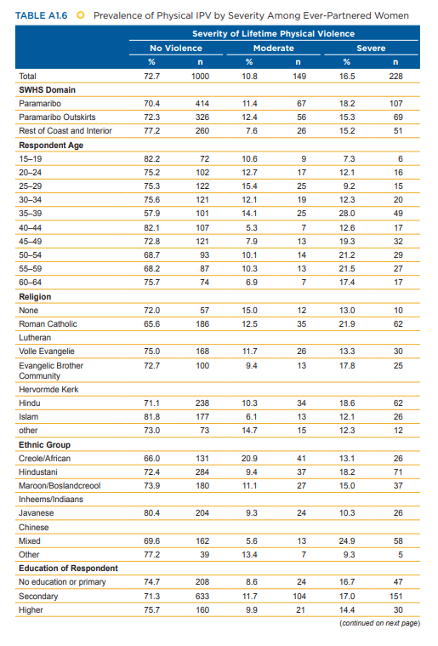

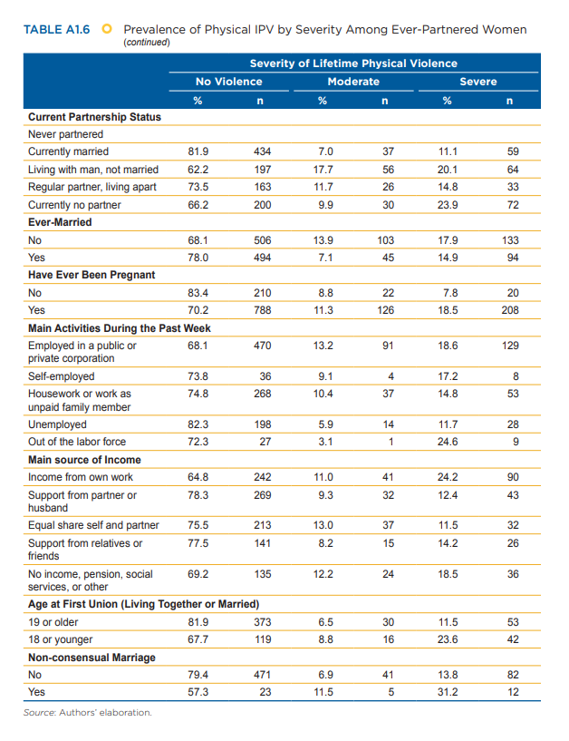

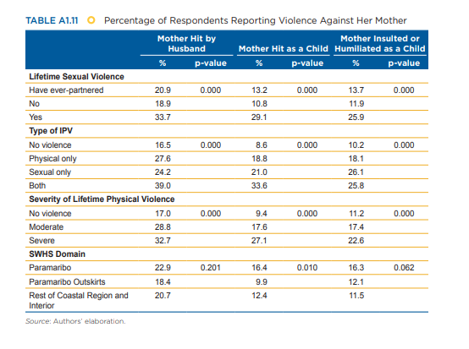
 |  |  |  |  | TABLE A1.11: Percentage of Respondents Reporting Violence Against Her Mother
 |  |  |  |  |  | Mother Hit by Husband |  | Mother Hit as a Child |  | Mother Insulted or Humiliated as a Child
 |  |  |  |  |  | % | p-value | % | p-value | %
 |  |  |  |  | Lifetime Sexual Violence
 |  |  |  |  | Have ever-partnered | 20.9 | 0.000 | 13.2 | 0.000 | 13.7
 |  |  |  |  | No | 18.9 |  | 10.8 |  | 11.9
 |  |  |  |  | Yes | 33.7 |  | 29.1 |  | 25.9
 |  |  |  |  | Type of IPV
 |  |  |  |  | No violence | 16.5 | 0.000 | 8.6 | 0.000
 |  |  |  |  | Physical only | 27.6 |  | 18.8
 |  |  |  |  | Sexual only | 24.2 |  | 21.0
 |  |  |  |  | Both | 39.0 |  | 33.6
 |  |  |  |  | Severity of Lifetime Physical Violence
 |  |  |  |  | No violence | 17.0 | 0.000 | 9.4 | 0.000
 |  |  |  |  | Moderate | 28.8 |  | 17.6
 |  |  |  |  | Severe | 32.7 |  | 27.1
 |  |  |  |  | SWHS Domain
 |  |  |  |  | Paramaribo | 22.9 | 0.201 | 16.4 | 0.010 | 16.3 | 0.062
 |  |  |  |  | Paramaribo Outskirts | 18.4 |  | 9.9 |  | 12.1
 |  |  |  |  | Rest of Coastal Region and Interior | 20.7 |  | 12.4

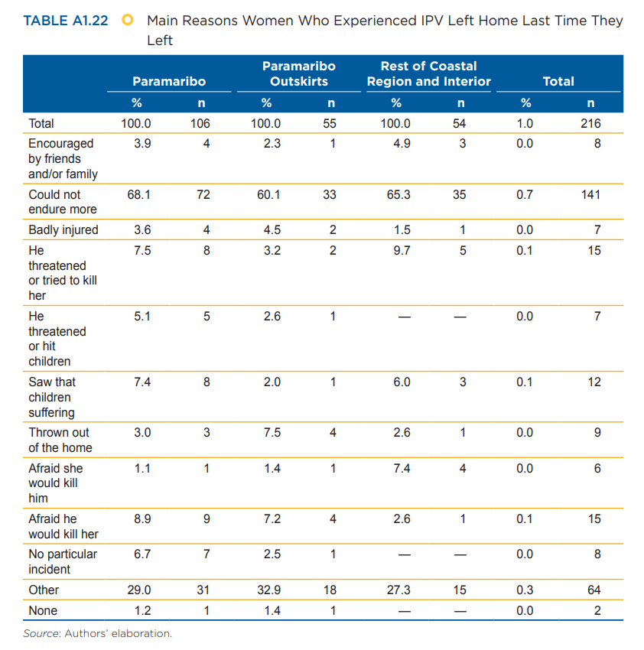
 |  |  |  |  |  | TABLE A1.22: Main Reasons Women Who Experienced IPV Left Home Last Time They Left
 |  |  |  |  |  |  | Paramaribo |  | Paramaribo Outskirts |  | Rest of Coastal Region and Interior
 |  |  |  |  |  |  | % | n | % | n | %
 |  |  |  |  |  | Total | 100.0 | 106 | 100.0 | 55 | 100.0
 |  |  |  |  |  | Encouraged by friends and/or family | 3.9 | 4 | 2.3 | 1 | 4.9
 |  |  |  |  |  | Could not endure more | 68.1 | 72 | 60.1 | 33 | 65.3
 |  |  |  |  |  | Badly injured | 3.6 | 4 | 4.5 | 2 | 1.5
 |  |  |  |  |  | He threatened or tried to kill her | 7.5 | 8 | 3.2 | 2 | 9.7
 |  |  |  |  |  | He threatened or hit children | 5.1 | 5 | 2.6 | 1 | —
 |  |  |  |  |  | Saw that children suffering | 7.4 | 8 | 2.0 | 1 | 6.0
 |  |  |  |  |  | Thrown out of the home | 3.0 | 3 | 7.5 | 4 | 2.6
 |  |  |  |  |  | Afraid she would kill him | 1.1 | 1 | 1.4 | 1 | 7.4
 |  |  |  |  |  | Afraid he would kill her | 8.9 | 9 | 7.2 | 4 | 2.6
 |  |  |  |  |  | No particular incident | 6.7 | 7 | 2.5 | 1 | —
 |  |  |  |  |  | Other | 29.0 | 31 | 32.9 | 18 | 27.3
 |  |  |  |  |  | None | 1.2 | 1 | 1.4

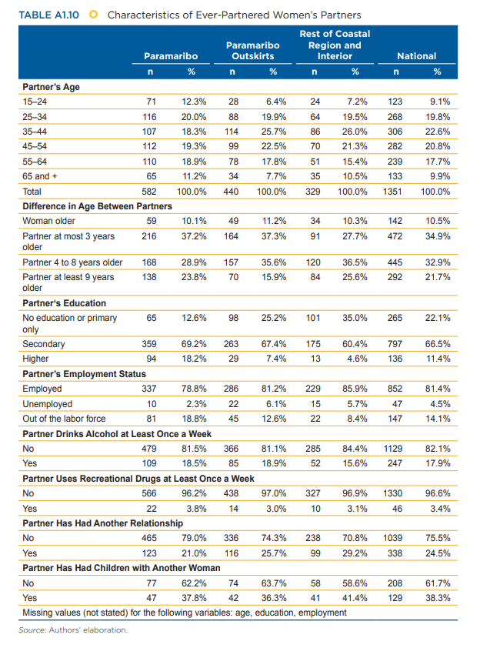

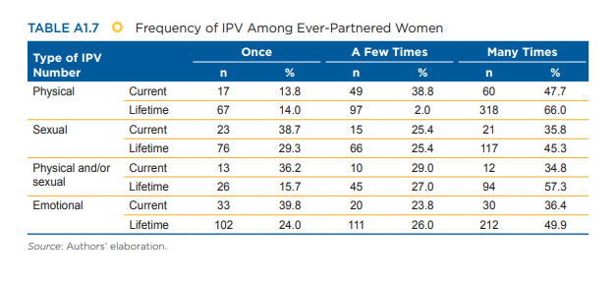
 |  |  |  |  | TABLE A1.7: Frequency of IPV Among Ever-Partnered Women
 |  |  |  |  | Type of IPV Number |  | Once |  | A Few Times
 |  |  |  |  |  |  | n | % | n
 |  |  |  |  | Physical | Current | 17 | 13.8 | 49
 |  |  |  |  |  | Lifetime | 67 | 14.0 | 97
 |  |  |  |  | Sexual | Current | 23 | 38.7 | 15 | 25.4 | 21
 |  |  |  |  |  | Lifetime | 76 | 29.3 | 66 | 25.4 | 117
 |  |  |  |  | Physical and/or sexual | Current | 13 | 36.2 | 10 | 29.0 | 12
 |  |  |  |  |  | Lifetime | 26 | 15.7 | 45 | 27.0 | 94
 |  |  |  |  | Emotional | Current | 33 | 39.8 | 20 | 23.8 | 30
 |  |  |  |  |  | Lifetime | 102 | 24.0 | 111 | 26.0 | 212

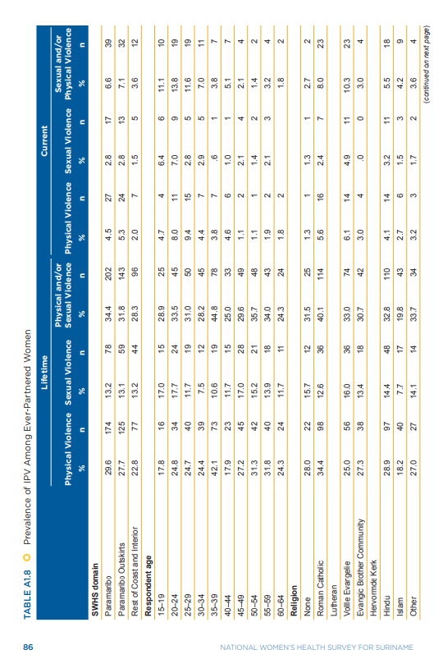
 |  |  |  |  |  | Prevalence of IPV Among Ever-Partnered Women
 |  |  |  |  |  |  | Lifetime
 |  |  |  |  |  |  | Physical Violence % |  | Sexual Violence |  | Physical and/or Sexual Violence %
 |  |  |  |  |  | SWHS domain | % | n | % | n | %
 |  |  |  |  |  | Paramaribo | 29.6 | 17.4 | 13.2 | 7.8 | 34.4
 |  |  |  |  |  | Paramaribo Outskirts | 27.7 | 12.5 | 13.1 | 5.9 | 31.8
 |  |  |  |  |  | Rest of Coast and Interior | 22.8 | 7.7 | 13.2 | 4.4 | 28.3
 |  |  |  |  |  | Respondent age
 |  |  |  |  |  | 15-19 | 17.8 | 16 V | 17.0 | 15 | 28.9
 |  |  |  |  |  | 20-24 | 24.8 | 34 | 17.7 | 24 | 33.5
 |  |  |  |  |  | 25-29 | 24.7 | 40 | 11.7 | 19 | 31.0
 |  |  |  |  |  | 30-34 | 24.4 | 39 | 7.5 | 12 | 28.2
 |  |  |  |  |  | 35-39 | 42.1 | 73 | 10.6 | 19 | 44.8
 |  |  |  |  |  | 40-44 | 17.9 | 23 | 11.7 | 15 | 25.0
 |  |  |  |  |  | 45-49 | 27.2 | 45 | 17.0 | 28 | 29.6
 |  |  |  |  |  | 50-54 | 31.3 | 42 | 15.2 | 21 | 35.7
 |  |  |  |  |  | 55-59 | 31.8 | 40 | 13.9 | 18 | 34.0
 |  |  |  |  |  | 60-64 | 24.3 | 24 | 11.7 | 11 | 24.3
 |  |  |  |  |  | Religion
 |  |  |  |  |  | None | 28.0 | 22 | 15.7 | 12 | 31.5
 |  |  |  |  |  | Roman Catholic | 34.4 | 98 | 12.6 | 36 | 40.1
 |  |  |  |  |  | Lutheran
 |  |  |  |  |  | Volle Evangèle | 25.0 | 56 | 16.0 | 36 | 33.0
 |  |  |  |  |  | Evangic Brother Community | 27.3 | 38 | 13.4 | 18 | 30.7
 |  |  |  |  |  | Hervormick Kerk
 |  |  |  |  |  | Hindu | 28.9 | 97 | 14.4 | 48 | 32.8
 |  |  |  |  |  | Islam | 18.2 | 40 | 7.7 | 17 | 19.8
 |  |  |  |  |  | Other | 27.0 | 27 | 14.1 | 14 | 33.7

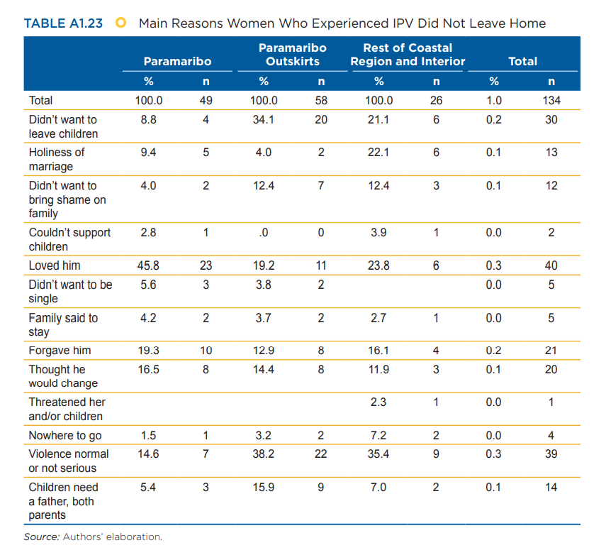
 |  |  |  |  |  | TABLE A1.23: Main Reasons Women Who Experienced IPV Did Not Leave Home
 |  |  |  |  |  |  | Paramaribo |  | Paramaribo Outskirts |  | Rest of Coastal Region and Interior
 |  |  |  |  |  |  | % | n | % | n | %
 |  |  |  |  |  | Total | 100.0 | 49 | 100.0 | 58 | 100.0
 |  |  |  |  |  | Didn't want to leave children | 8.8 | 4 | 34.1 | 20 | 21.1
 |  |  |  |  |  | Holiness of marriage | 9.4 | 5 | 4.0 | 2 | 22.1
 |  |  |  |  |  | Didn't want to bring shame on family | 4.0 | 2 | 12.4 | 7 | 12.4
 |  |  |  |  |  | Couldn't support children | 2.8 | 1 | .0 | 0 | 3.9
 |  |  |  |  |  | Loved him | 45.8 | 23 | 19.2 | 11 | 23.8
 |  |  |  |  |  | Didn't want to be single | 5.6 | 3 | 3.8 | 2
 |  |  |  |  |  | Family said to stay | 4.2 | 2 | 3.7 | 2 | 2.7
 |  |  |  |  |  | Forgave him | 19.3 | 10 | 12.9 | 8 | 16.1
 |  |  |  |  |  | Thought he would change | 16.5 | 8 | 14.4 | 8 | 11.9
 |  |  |  |  |  | Threatened her and/or children |  |  |  |  | 2.3
 |  |  |  |  |  | Nowhere to go | 1.5 | 1 | 3.2 | 2 | 7.2
 |  |  |  |  |  | Violence normal or not serious | 14.6 | 7 | 38.2 | 22 | 35.4
 |  |  |  |  |  | Children need a father, both parents | 5.4 | 3 | 15.9 | 9 | 7.0

16.5.1
...
 |  |  |  | Occasion of Bribery | Men | Women
 |  |  |  | By a police officer | 197 | 67
 |  |  |  | By a public employee | 196 | 100
 |  |  |  | By a soldier | 31 | 8
 |  |  |  | To Process a document in Municipal Government | 41 | 40 | Asked to Pay a Bribe by a Police Officer in the Last 12 Months
Male | Female | Unknown | Total | At work | 80 | 24 |  | Male | Female | Unknown
3292 | 3405 | 1438 | 8135 | To courts | 20 | 10 | No | 668 | 722 | 1
93.84 | 97.34 | 93.44 | 95.2 | Public Health Services | 53 | 57 | in % | 90.51 | 97.44 | 100
197 | 67 | 91 | 355 | At school | 15 | 26 | Yes | 70 | 19 | 0
5.62 | 1.92 | 5.91 | 4.15 |  |  |  | in % | 9.49 | 2.56 | 0
8 | 9 | 0 | 17 |  |  |  | Total | 738.00 | 741.00 | 1.00
0.23 | 0.26 | 0 | 0.2 |  |  |  | in % | 100 | 100 | 100
3 | 6 | 10 | 19 |  |  |  | Source: Lapop, 2023
0.09 | 0.17 | 0.65 | 0.22
8 | 11 | 0 | 19
0.23 | 0.31 | 0 | 0.22 |  |  |  | Asked to Pay a Bribe by a Police Officer in the Last 12 Months
3,508.00 | 3,498.00 | 1,539.00 | 8,545 |  |  |  |  | Male | Female | Unknown
100 | 100 | 100 | 100 |  |  |  | No | 668 | 720 | 1
 |  |  |  |  |  |  | in % | 90.39 | 97.3 | 100
 |  |  |  |  |  |  | Yes | 71 | 20 | 0
 |  |  |  |  |  |  | in % | 9.61 | 2.7 | 0
 |  |  |  |  |  |  | Total | 739.00 | 740.00 | 1.00
Male | Female | Unknown | Total |  |  |  | in % | 100 | 100 | 100
3296 | 3381 | 1437 | 8114 |  |  |  | Source: Lapop, 2023
93.96 | 96.66 | 93.37 | 94.96
196 | 100 | 92 | 388
5.59 | 2.86 | 5.98 | 4.54
6 | 5 | 1 | 12
0.17 | 0.14 | 0.06 | 0.14
4 | 4 | 9 | 17
0.11 | 0.11 | 0.58 | 0.2
6 | 8 | 0 | 14
0.17 | 0.23 | 0 | 0.16
3,508.00 | 3,498.00 | 1,539.00 | 8,545
100 | 100 | 100 | 100
...

16.6.1
...
Ministries & Departments |  | 2017 |  |  | 2018
22 | BWD | 69 | 197 | -65 | 194 | 194 | 0
23 | CTW | 207 | 825 | -75 | 629 | 629 | 0
24 | Public Green | 60 | 53 | 14 | 53 | 53 | 0
25 | Transport & Communication | 172 | 117 | 47 | 114 | 100 | 14
26 | Physical Planning, Land & Forestry Management | 43 | 28 | 55 | 28 | 28 | 0
27 | Sport & Youth Affairs | 106 | 47 | 126 | 47 | 47 | 0
Total expenditure |  | 8146 | 8479 | -4 | 8624 | 9972 | -14
Total expenditure |  | 8145,7 | 8474 |  | 8623 | 9970

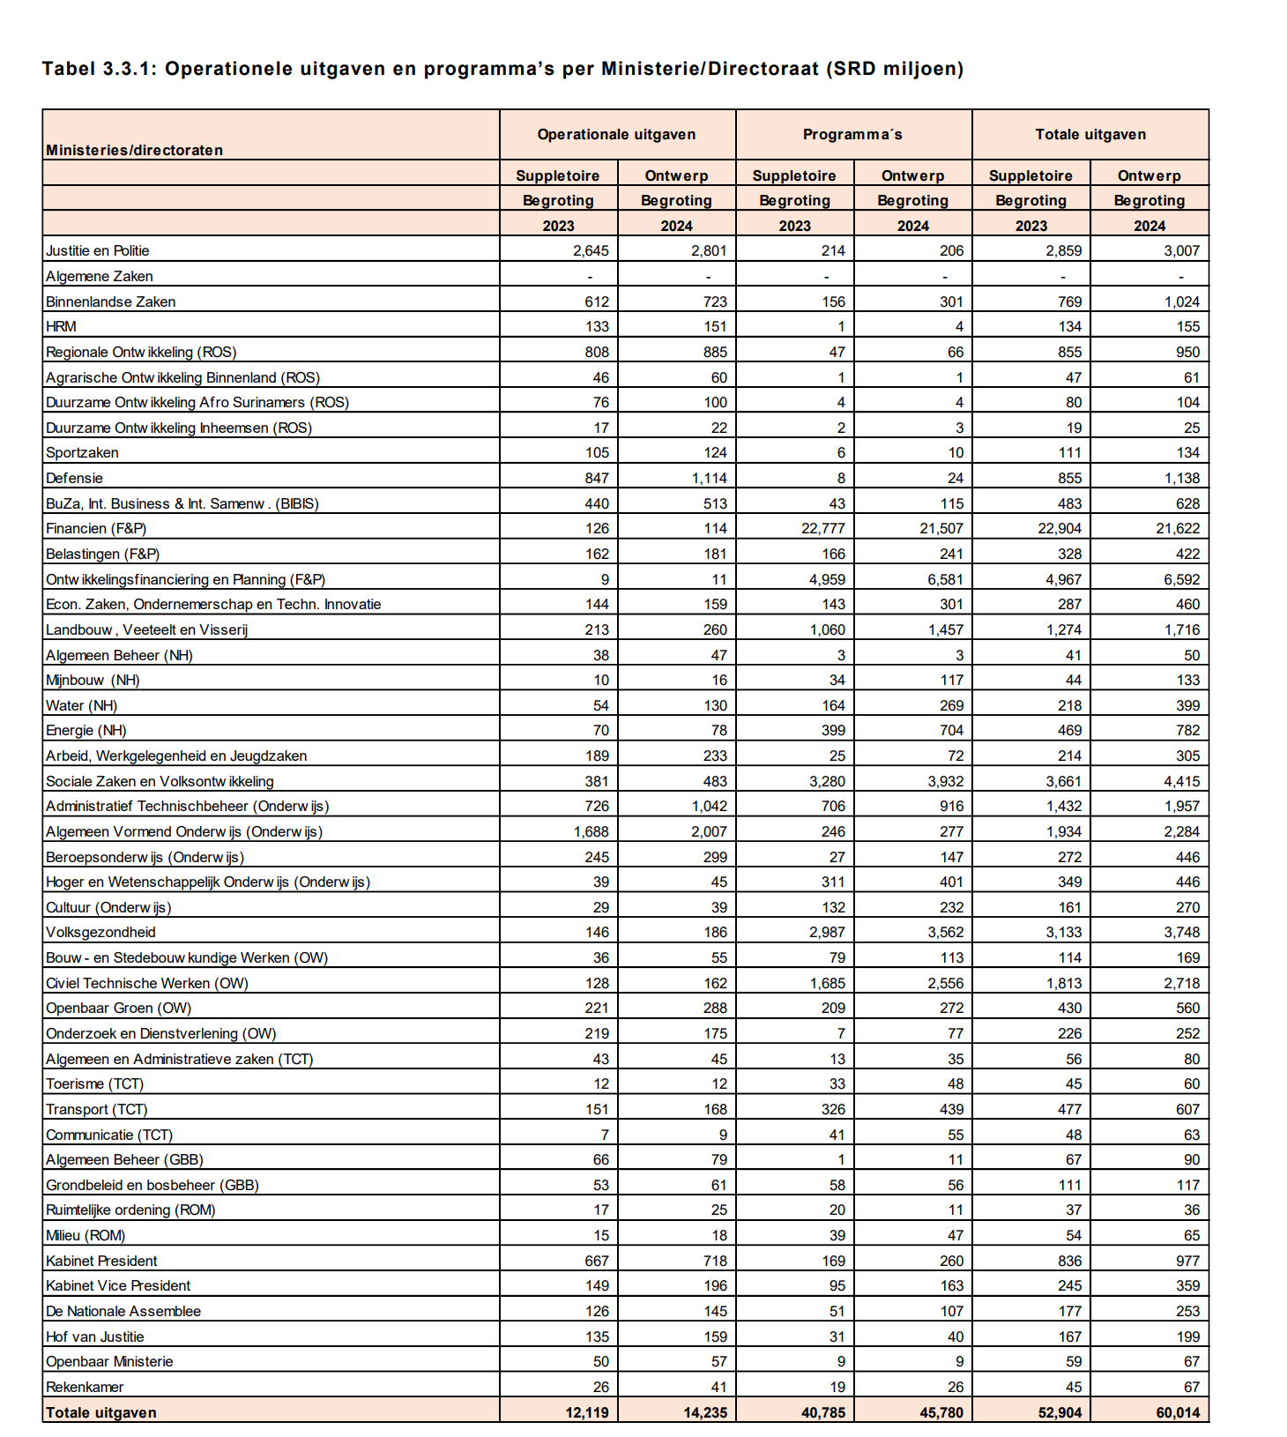
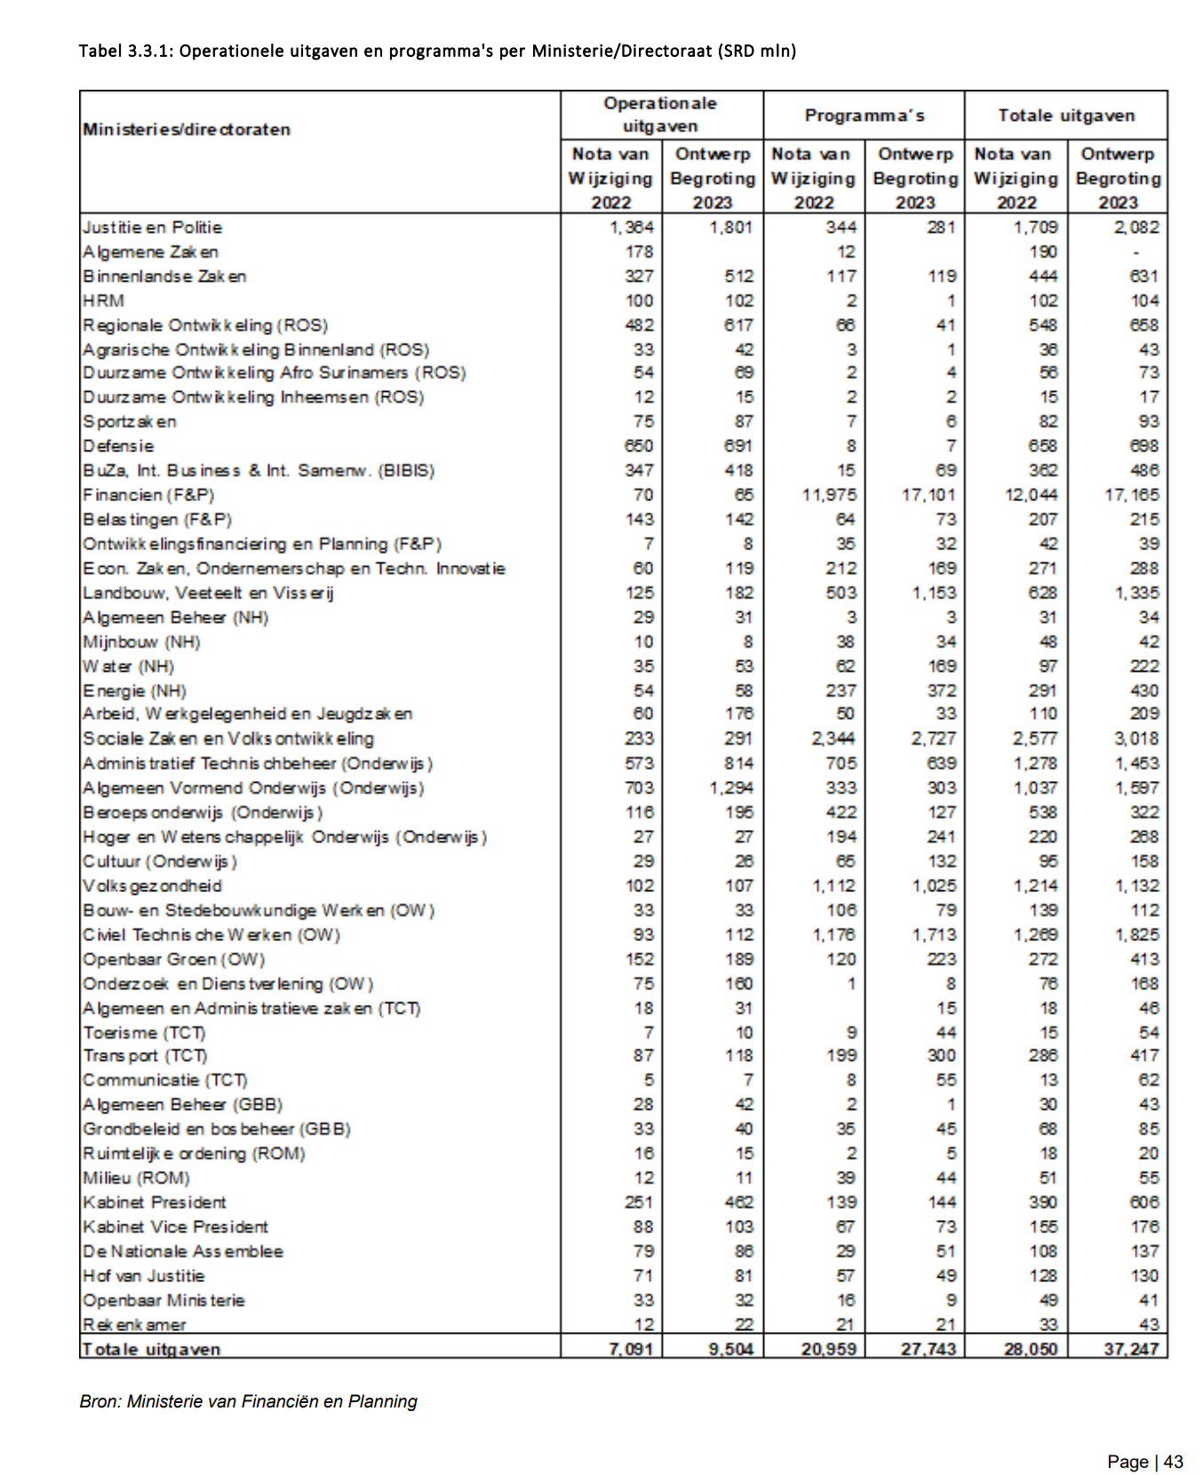
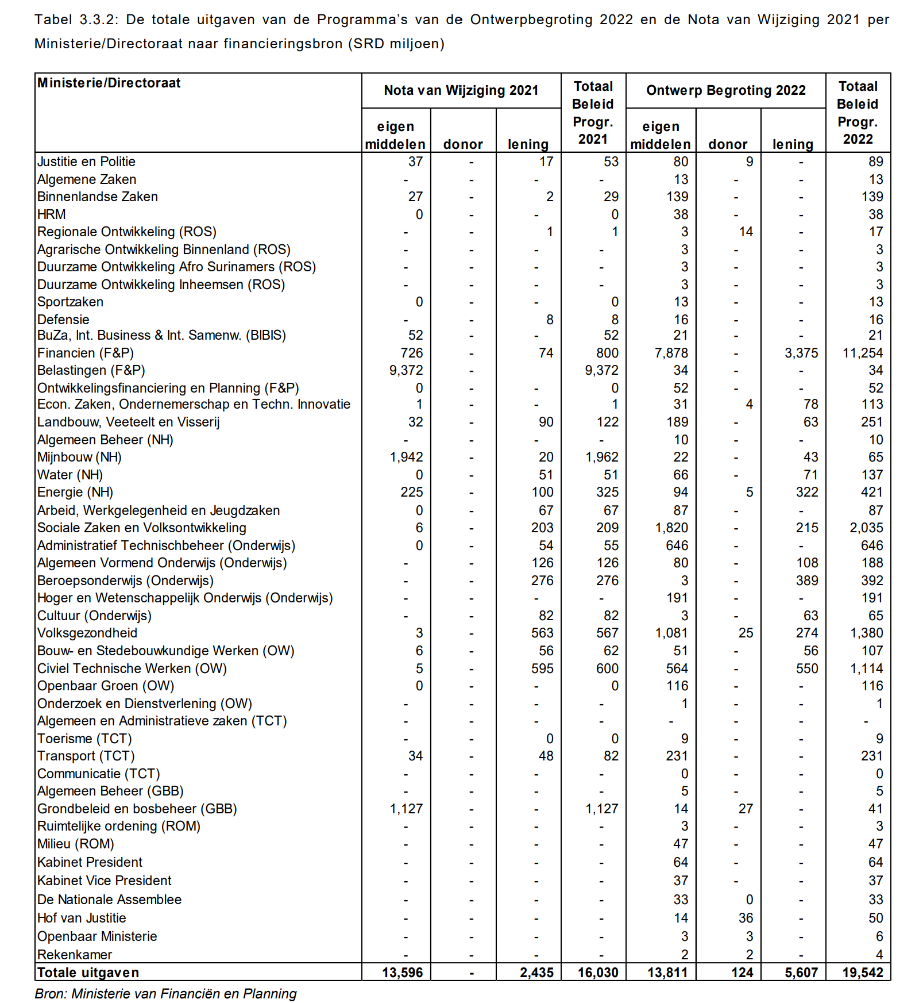
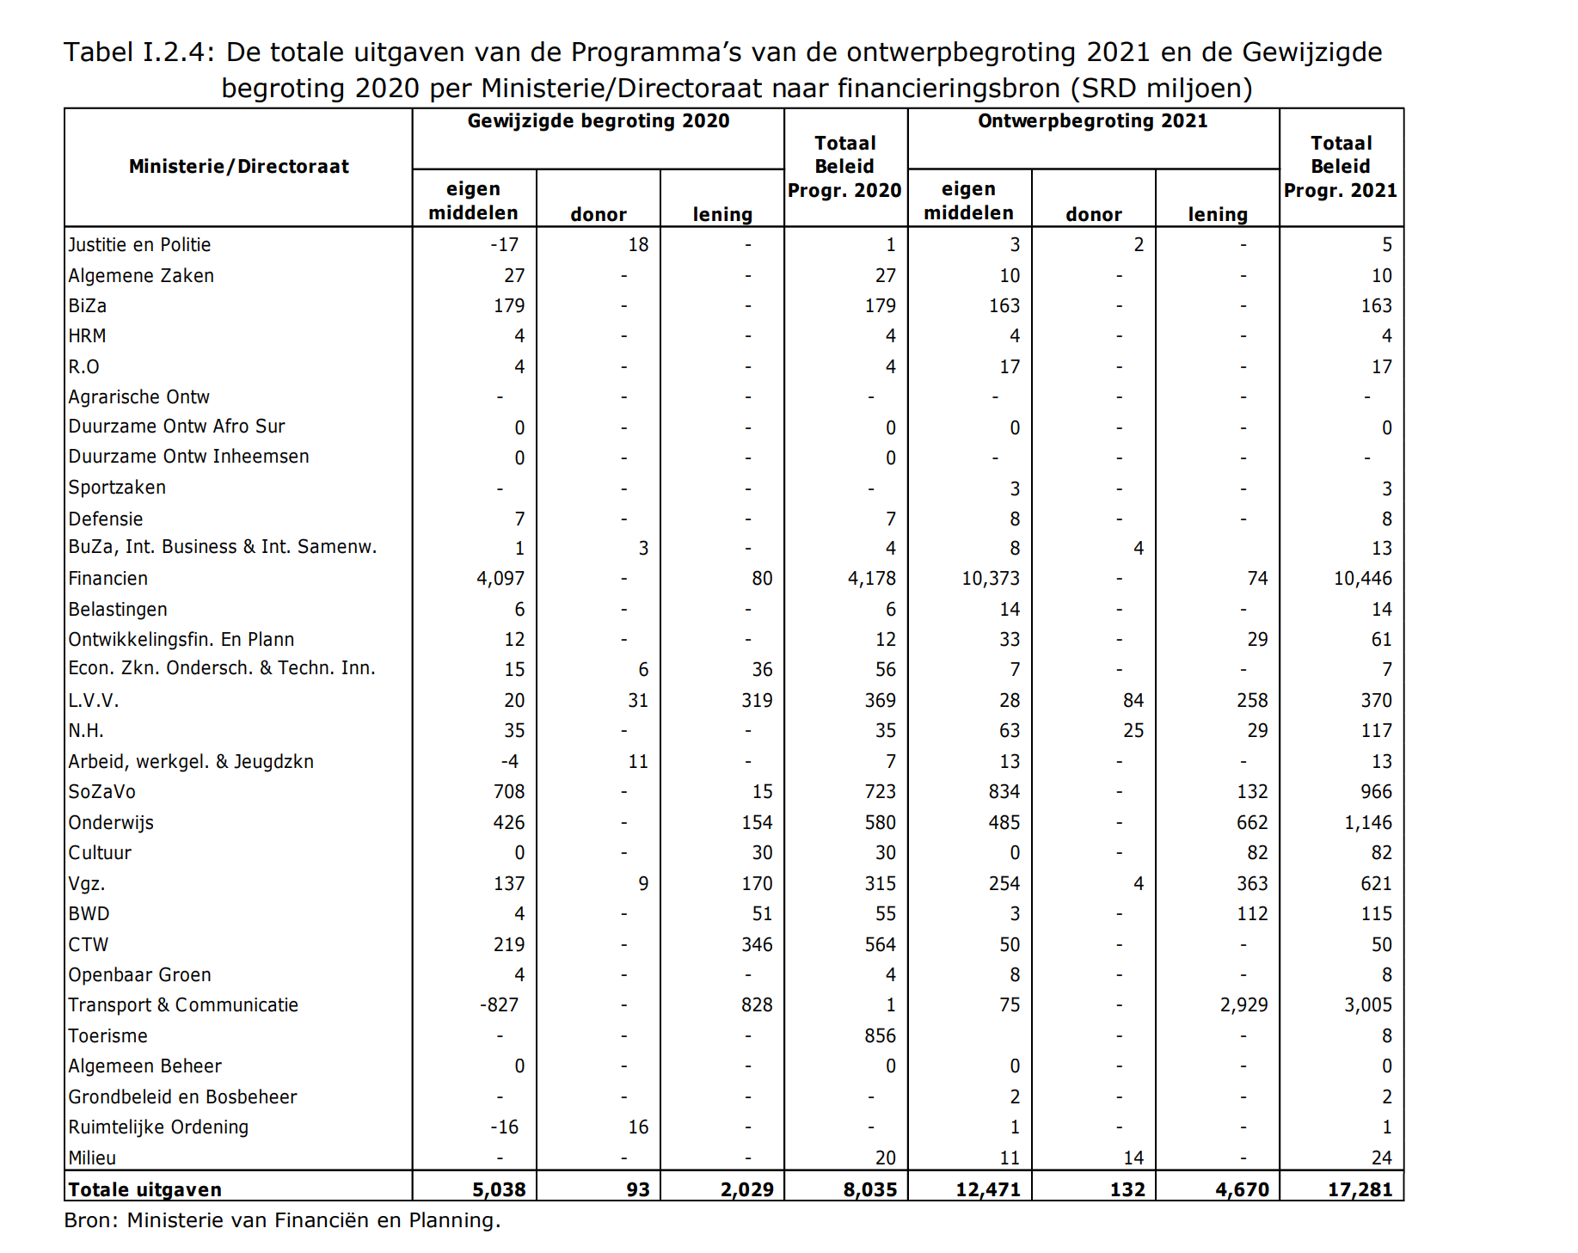

16.a.1
16.a Strengthen relevant national institutions, including through international cooperation, for building capacity at all levels, in particular in developing countries, to prevent violence and combat terrorism and crime
16.a.1 Existence of independent national human rights institutions in compliance with the Paris Principles
C160a01
This indicator Existence of independent national human rights institutions in compliance with the Paris Principles measures the compliance of existing national human rights institutions with the Principles relating to the Status of National Institutions (The Paris Principles), which were adopted by the General Assembly (resolution 48/134) based on the rules of procedure of the Global Alliance of National Human Rights Institutions (GANHRI, formerly the International Coordinating Committee of National Institutions for the Promotion and Protection of Human Rights or ICC).

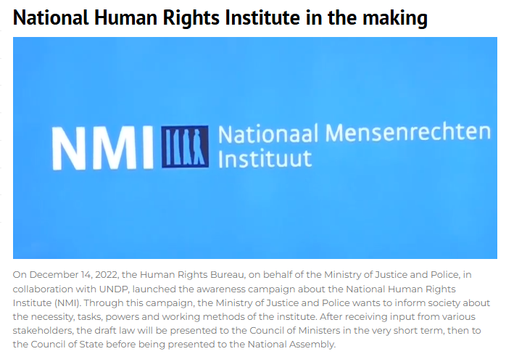
 | A start has been made to establish a National Human Rights Institute. According to Minister Kenneth Amoksi of Justice and Police, the concept of the associated law has already been submitted. In addition, a committee has been set up that will focus on the preparation of the state decrees that flow from this law.

Source: Government of the Republic of Suriname
Retrieved from: https://gov.sr/nationaal-mensenrechten-instituut-in-oprichting/

carisecure_WHSurvtabs
Indicator 16.1.3 Proportion of population subjected to (a) physical violence, (b) psychological violence and (c) sexual violence in the previous 12 months



