17.18.2
17.18.2 Number of countries that have national statistical legislation that complies with the Fundamental Principles of Official Statistics
The indicator refers to the number of countries that have national statistical legislation that complies with the Fundamental Principles of Official Statistics. This refers to the number of countries that have a statistical legislation which respects the principles of UNFOP.

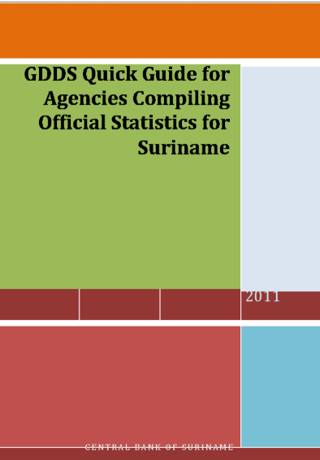

Source: CBvS

17.18.3
17.18.3 Number of countries with a national statistical plan that is fully funded and under implementation, by source of funding
The indicator Number of countries with a national statistical plan that is fully funded and under implementation is based on the annual Status Report on National Strategies for the Development of Statistics (NSDS). In collaboration with its partners, PARIS21 reports on country progress in designing and implementing national statistical plans. The indicator is a count of countries that are either (i) implementing a strategy, (ii) designing one or (iii) awaiting adoption of the strategy in the current year.
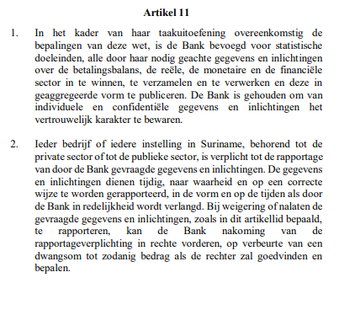

 | Source: Centrale Bankwet 2022
 | https://www3.cbvs.sr/images/content/pdf/Wetten/Bankwet17april2023.pdf

Source: General Bureau of Statistics
https://www.statistics-suriname.org/wp-content/uploads/2019/02/Statistiekwet.pdf

17.19.2
17.19.2 Proportion of countries that (a) have conducted at least one population and housing census in the last 10 years; and (b) have achieved 100 per cent birth registration and 80 per cent death registration
This information only refers to 17.19.2 (a)The indicator tracks the proportion of countries that have conducted at least one population and housing census in the last 10 years. This also includes countries which compile their detailed population and housing statistics from population registers, administrative records, sample surveys or other sources or a combination of those sources.

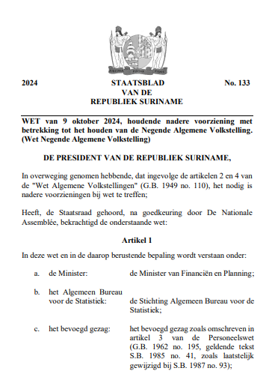

 | Source: General Bureau of Statistics
 | https://statistics-suriname.org/wp-content/uploads/2024/10/S.B.-2024-no.-133-WET-van-9-oktober-2024-houdende-nadere-voorziening-met-betrekking-tot-het-houden-van-de-Negende-Algemene-Volkstelling.pdf

