2.b.1
2.b.1 Agricultural export subsidies
Agricultural export subsidies are defined as export subsidies budgetary outlays and quantities as notified by WTO Members in Tables ES:1 and supporting Tables ES:2 (following templates in document G/AG/2 dated 30 June 1995).

No data available

As per 2019, Suriname did not provide any subsidies for export purposes.
Source: WTO Trade Policy Review
https://www.wto.org/english/tratop_e/tpr_e/s391_e.pdf

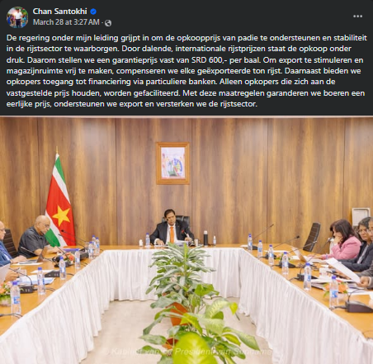
March 28, 2025
 | The government is intervening to support the purchase price of paddy and to ensure stability in the rice sector. Due to falling international rice prices, the purchase is under pressure. That is why we are setting a guaranteed price of SRD 600 per bale. To stimulate export and free up warehouse space, very exported ton of rice is going to be compensated. In addition, buyers will be offered access to financing via private banks. Only buyers who adhere to the set price will be facilitated.

Source: https://www.facebook.com/share/p/15cWPDK64G/

