3.a.1
3.a.1 Age-standardized prevalence of current tobacco use among persons aged 15 years and older
The indicator is defined as the percentage of the population aged 15 years and over who currently use any tobacco product (smoked and/or smokeless tobacco) on a daily or non-daily basis.

Age-standardized prevalence of current tobacco use among persons aged 15 years and older, 2016
Indicators | Male | Female | Total
Current tobacco use among persons aged 15 years and older | 42.9 | 7.4 | 25.2

Prevelance of Tobacco use (%)
Population group | Current Tobacco use (smoked and smokeless)

 | Men | Women | Total
Adults | 34 | 6.5 | 20.1
Source: Steps Survey 2016

Prevelance of Tobacco use (%)
 | Current Tobacco use |  |  | Current cigarette smoking (%) |  |  | Current smoke less Tobacco use (%)
 | (smoked and smoke less)
 | Men | Women | Total | Men | Women | Total | Men | Women | Total
Youth | 17.1 | 7.3 | 11.7 | 12.8 | 5.3 | 8.7 | 1.7 | 0.6 | 1.1
Source: Global Youth Tobacco Survey, 2016 (13-15 years)

GYTS Highlights | GYT Objectives The Global Youth Tobacco Survey (GTS), a component of the Global Tobacco Surveillance System (GTSS), is a global standard for systematically monitoring youth tobacco use and tracking key tobacco control indicators. GYTS is a cross-sectional, nationally representative school-based survey of students in grades associated with ages 13-15 years. GYTS uses a standard core questionnaire, sample design and data collection protocol. It assists countries in fulfulling their obligations under the WHO Framework Convention on Tobacco Control to generate comparable data within and across countries. |  |  |  |  |  |  | Overall (%) | Boys (%) | Girls (%) |  | Overall (%) | Boys (%) | Girls (%)
Tobacco use |  |  |  |  |  |  | TOBACCO USE |  |  |  | SECOND HAND SMOKE
13.2% of students, 12.7% of boys and 13.4% of girls currently used any tobacco products. |  |  |  |  |  |  | ANY TOBACCO USE (smoked and/or smokeless) | 13.2 | 12.7 | 13.4 | Exposure to tobacco smoke at home | 28.5 | 25.7 | 30.7
12.2% of students, 11.1% of boys and 13.0% of girls currently smoked tobacco. |  |  |  |  |  |  | Current tobacco users | 37.7 | 39.1 | 36.1 | Exposure to tobacco smoke inside any enclosed public place | 28.8 | 26.9 | 30.8
8.1% of students, 8.8% of boys and 7.3% of girls currently smoked cigarettes. |  |  |  |  |  |  | Ever tobacco users |  |  |  | Exposure to tobacco smoke at any outdoor public place | 26.5 | 24.1 | 28.7
2.5% of students, 2.7% of boys and 2.0% of girls currently used smokeless tobacco. |  |  |  |  |  |  | SMOKED TOBACCO |  |  |  | Students who saw anyone smoking inside the school building or outside on school property | 28.9 | 28 | 29.8
Electronic Cigarettes |  |  |  |  |  |  | Current tobacco smokers | 12.2 | 11.1 | 13 | ACCESS & AVAILABILITY
8.8% of students, 9.4% of boys and 8.3% of girls currently use electronic cigarettes. |  |  |  |  |  |  | Current cigarette smokers | 8.1 | 8.8 | 7.3 | Current cigarette smokers who bought cigarettes from a store or street vendor | 33.7 | .. | ..
Cessation |  |  |  |  |  |  | Frequent cigarette smokers | 1.2 | 1.7 | 0.4 | Current cigarette smokers who were not prevented from buying cigarettes because of their age | 66.4 | .. | ..
Almost 6 in 10 (58.7%) students who currently smoked tobacco tried to stop smoking in the past 12 months |  |  |  |  |  |  | Current smokers of other tobacco | 8.1 | 6.2 | 9.5 | Current cigarette smokers who bought cigarettes as individual sticks | 28.5 | .. | ..
More than 4 in 10 (44.7%) students who currently smoked tobacco wanted to stop smoking now. |  |  |  |  |  |  | Ever tobacco smokers | 35.5 | 36.3 | 34.5 | ADVERTISING & PROMOTION
Secondhand Smoke | GYTS Methodology GYTS uses a global standardized methodology that includes a two-stage sample design with schools selected with a probability proportional to enrollment size. The classes within selected schools are chosen randomly and all students in selected classes are eligible to participate in the survey. The survey use a standard core questionnaire with a set of optional questions that countries can adapt to measure and track key tobacco control indicators. |  |  |  |  |  | Ever cigarette smokers | 28.1 | 28.2 | 28.1 | TOBACCO ADVERTISING & PROMOTION | 22.2 | 25.1 | 19.7
28.5% of students were exposed to tobacco smoke at home. |  |  |  |  |  |  | Ever smokers of other tobacco | 21.7 | 20.9 | 22.1 | Students who noticed tobacco advertisements or promotions at points of sale | 61.5 | 58.8 | 63.9
28.8% of students were exposed to tobacco smoke inside eclosed public places. |  |  |  |  |  |  | SMOKELESS TOBACCO |  |  |  | Students who saw anyone using tobacco on television, videos or movies | 13 | 15.9 | 10.0*
Access & Availibility |  |  |  |  |  |  | Current smokeless tobacco users | 2.5 | 2.7 | 2 | Students who were ever offered a free tobacco product from a tobacco company representative | 12.3 | 13 | 11.9
33.7% of students who currently smoked cigarettes bought cigarettes from a store or street vendor. |  |  |  |  |  |  | Ever smokeless tobacco users | 6.8 | 8.3 | 5.2 | Students who had something with a tobacco brand logo on it | 33.4 | 32.8 | 33.8
Among students who currently smoked cigarettes who troed to buy cigarettes, 66.4% were not prevented from buying them because of their age. |  |  |  |  |  |  | SUSCEPTIBILITY |  |  |  | ANTI-TOBACCO ADVERTISING & PROMOTION
Advertising & Promotion |  |  |  |  |  |  | Never tobacco users suspectible to tobacco use in future | 20.3 | 20 | 20.3 | Students who noticed anti-tobacco messages in the media | 33.4 | 32.8 | 33.8
More than 3 in 10 (33.4%) students noticed anti-tobacco messages in the media. | In Suriname, GYTS was conducted in 2022 by the Ministry of Health. The overall response rate was 90.3%. A total of 1,838 eligible students in grade 1-4 of middleschools completed the survey, of which 1,026 were ages 13-15 years. Data are reported for students ages 13-15 years. |  |  |  |  |  | Never tobacco smokers who thought they might enjoy smoking a cigarette | 18.2 | 21.7 | 15.2* | Students who noticed anti-tobacco messages at sporting or community events | 25.4 | 26.8 | 24
More than 2 in 10 (22.2%) students noticed tobacco advertisements or promotions when visiting points of sale. |  |  |  |  |  |  | ELECTRONIC CIGARETTES |  |  |  | Current tobacco smokers who thought about quitting because of a warning label | 40 | .. | 48.8
More than 1 in 10 (12.3%) students had something with tobacco brand logo on it. |  |  |  |  |  |  | Current electronic cigarette users | 8.8 | 9.4 | 8.3 | Students who were taught in school about the dangers of tobacco use in the past 12 months | 40.5 | 41.9 | 39.4
Knowledge & Attitudes |  |  |  |  |  |  | Ever electronic cigarette users | 23 | 25 | 21.1 | KNOWLEDGE & ATTITUDES
41.5% of students definitely thought other people's tobacco smoking is harmful to them. |  |  |  |  |  |  | CESSATION |  |  |  | Students who definitely thought it is difficult to quit once someone starts smoking tobacco | 25.2 | 23.8 | 26.5
37.1% of students favored prohibiting smoking inside enclosed public places. |  |  |  |  |  |  | Current tobacco smokers who tried to stop smoking in the pas 12 months | 58.7 | .. | 47.5 | Students who thought smoking tobacco helps people feel more comfortable at celebrations, parties and social gatherings | 39.8 | 37.5 | 42.4
Source: Global Youth Tobacco Survey, 2022 |  |  |  |  |  |  | Current tobacco smokers who wanted to stop smoking now | 44.7 | .. | .. | Students who definitely thought other people's tobacco smoking is harmful to them | 41.5 | 41.3 | 42.1
 |  |  |  |  |  |  | Current tobacco smokers who thought they would be able to stop smoking if they wanted to | 59.6 | .. | 53.5 | Students who favored prohibiting smoking inside enclosed public places | 37.1 | 36.6 | 37.8
 |  |  |  |  |  |  | Current tobacco smokers who have ever received help/advice from a program or professional to stop smoking | 25.8 | .. | 23.4 | Students who favored prohibiting smoking at outdoor public places | 28.5 | 31 | 26.3
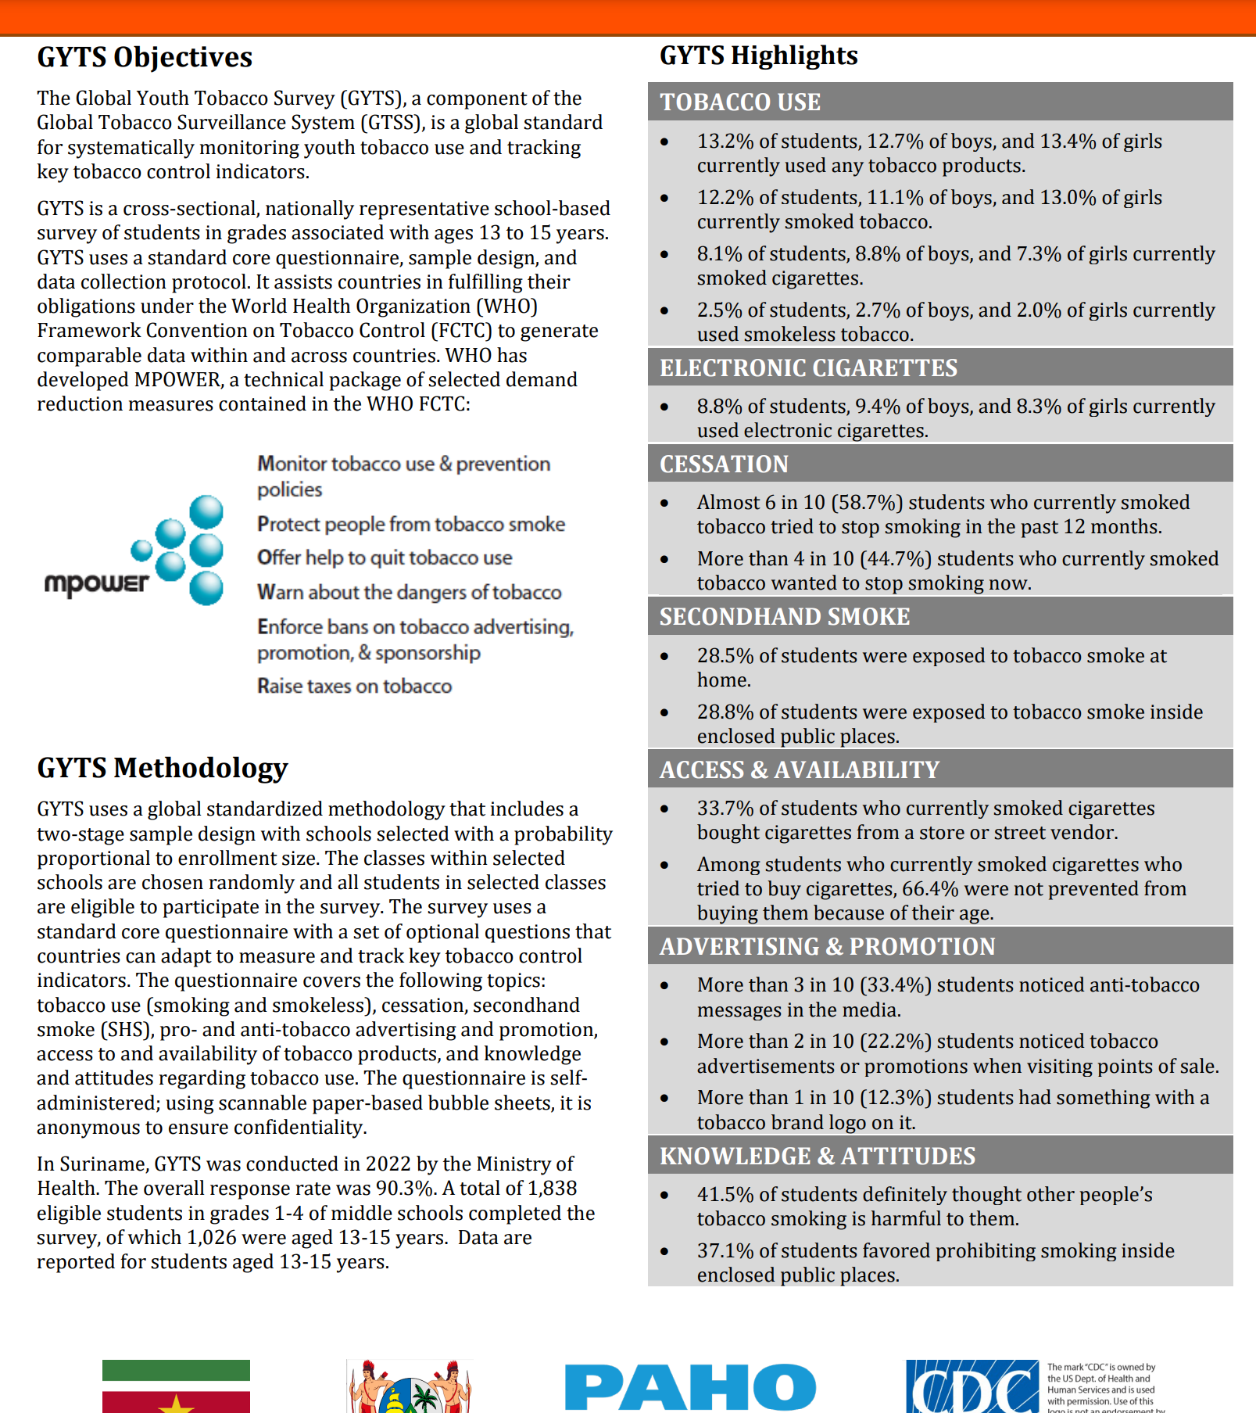
 |  |  |  |  |  |  | Source: Global Youth Tobacco Survey, 2022 |  |  |  | Source: Global Youth Tobacco Survey, 2022
 |  |  |  |  |  |  | .. = Estimates based on unweighted cases less than 35 are not presented |  |  |  | .. = Estimates based on unweighted cases less than 35 are not presented
 |  |  |  |  |  |  | * = Gender comparisons are statistically significant |  |  |  | * = Gender comparisons are statistically significant

