5.2.1
5.2.1 Proportion of ever-partnered women and girls aged 15 years and older subjected to physical, sexual or psychological violence by a current or former intimate partner in the previous 12 months, by form of violence and by age
This indicator measures the percentage of ever-partnered women and girls aged 15 years and older who have experienced physical, sexual or psychological violence by a current or former intimate partner, in the previous 12 months. Definition of violence against women and girls and of the forms of violence specified under this indicator are presented in the next section (Concepts). NOTE: We refer to “violence against women” throughout, and this also includes adolescent girls (15-19 years old).

Number of registered victems from domestic violence by agegroup and sex, 2010 – 2016
Age Group | 2010 |  | 2011 |  | 2012 |  | 2013 |  | 2014 |  | 2015 |  | 2016*
 | Male | Fem. | Male | Fem. | Male | Fem. | Male | Fem. | Male | Fem. | Male | Fem. | Male | Fem.
00 - 10 | 4 | 20 | 15 | 54 | 2 | 24 | 12 | 19 | 14 | 43 | 10 | 28 | 11 | 43
11-20 | 43 | 150 | 26 | 210 | 10 | 152 | 21 | 163 | 29 | 211 | 40 | 126 | 29 | 202
21 - 30 | 137 | 313 | 73 | 297 | 56 | 415 | 48 | 375 | 77 | 474 | 84 | 391 | 54 | 231
31 - 40 | 104 | 209 | 63 | 200 | 45 | 264 | 45 | 330 | 86 | 348 | 100 | 333 | 74 | 225
41 - 50 | 74 | 150 | 63 | 152 | 52 | 213 | 47 | 197 | 60 | 226 | 100 | 221 | 69 | 134
51 - 60 | 43 | 48 | 31 | 26 | 23 | 91 | 36 | 70 | 56 | 96 | 67 | 91 | 69 | 132
61 - 70 | 29 | 22 | 8 | 20 | 15 | 31 | 11 | 34 | 23 | 52 | 30 | 38 | 23 | 27
71 -80 | 13 | 0 | 10 | 13 | 9 | 13 | 10 | 18 | 17 | 19 | 14 | 18 | 8 | 14
≥ 81 | - | - | - | 2 | 2 | - | - | - | 2 | 8 | 2 | 2 | 3 | 3
Don’t Know | 83 | 109 | - | 157 | 8 | 31 | 3 | 14 | 5 | 19 | 10 | 17 | 13 | 28
Total | 530 | 1,021 | 289 | 1,131 | 222 | 1.234 | 233 | 1,220 | 369 | 1,496 | 457 | 1,265 | 353 | 1,039
Source : GBS from data of Police Force Suriname, 2018

Number of registered victims from domestic violenceby type of Domestic Violence,Agegroup and Sex, 2010 – 2016
Age Group |  | 10-20 |  | 21-30 |  | 31-40 |  | 41-50 |  | ≥ 51 |  |  | Total |  |  | Population |  |  | Ratio
Year |  | Male | Female | Male | Female | Male | Female | Male | Female | Male | Female |  | Male | Female | Total | Male | Female | Total | Male | Femal | Total
2010 | Mental | 2 | 11 | 29 | 72 | 25 | 63 | 23 | 44 | 18 | 21 |  | 97 | 211 | 308 | 216410 | 213350 | 429760 | 0.04 | 0.10 | 0.07
 | Sexual | 0 | 12 | 0 | 5 | 0 | 2 | 0 | 1 | 0 | 2 |  | 0 | 22 | 22 | 216410 | 213350 | 429760 | 0.00 | 0.01 | 0.01
 | Physical | 26 | 96 | 72 | 208 | 36 | 91 | 37 | 64 | 29 | 32 |  | 200 | 491 | 691 | 216410 | 213350 | 429760 | 0.09 | 0.23 | 0.16
 | Total | 28 | 119 | 101 | 285 | 61 | 156 | 60 | 109 | 47 | 55 |  | 297 | 724 | 1021 | 216410 | 213350 | 429760 | 0.14 | 0.34 | 0.24

2011 | Mental | 2 | 10 | 12 | 62 | 11 | 50 | 7 | 34 | 19 | 20 |  | 51 | 176 | 227 | 221380 | 217910 | 439290 | 0.02 | 0.08 | 0.05
 | Sexual | 0 | 18 | 0 | 9 | 0 | 2 | 0 | 5 | 1 | 0 |  | 1 | 34 | 35 | 221380 | 217910 | 439290 | 0.00 | 0.02 | 0.01
 | Physical | 11 | 129 | 20 | 239 | 20 | 121 | 15 | 88 | 18 | 23 |  | 84 | 600 | 684 | 221380 | 217910 | 439290 | 0.04 | 0.28 | 0.16
 | Total | 13 | 157 | 32 | 310 | 31 | 173 | 22 | 127 | 38 | 43 |  | 136 | 810 | 946 | 221380 | 217910 | 439290 | 0.06 | 0.37 | 0.22

2012 | Mental | 2 | 12 | 9 | 99 | 6 | 75 | 8 | 57 | 15 | 41 |  | 40 | 284 | 324 | 219682 | 223047 | 442729 | 0.02 | 0.13 | 0.07
 | Sexual | 0 | 20 | 0 | 9 | 0 | 6 | 0 | 2 | 0 | 0 |  | 0 | 37 | 37 | 219682 | 223047 | 442729 | 0.00 | 0.02 | 0.01
 | Physical | 5 | 90 | 21 | 251 | 17 | 171 | 8 | 119 | 18 | 46 |  | 69 | 677 | 746 | 219682 | 223047 | 442729 | 0.03 | 0.30 | 0.17
 | Total | 7 | 122 | 30 | 359 | 23 | 252 | 16 | 178 | 33 | 87 |  | 109 | 998 | 1107 | 219682 | 223047 | 442729 | 0.05 | 0.45 | 0.25

2013 | Mental | 1 | 19 | 9 | 93 | 9 | 74 | 11 | 71 | 18 | 39 |  | 48 | 296 | 344 | 223487 | 226910 | 450397 | 0.02 | 0.13 | 0.08
 | Sexual | 0 | 28 | 0 | 11 | 0 | 2 | 0 | 1 | 0 | 0 |  | 0 | 42 | 42 | 223487 | 226910 | 450397 | 0.00 | 0.02 | 0.01
 | Physical | 14 | 101 | 18 | 236 | 13 | 138 | 18 | 90 | 15 | 23 |  | 78 | 588 | 666 | 223487 | 226910 | 450397 | 0.03 | 0.26 | 0.15
 | Total | 15 | 148 | 27 | 340 | 22 | 214 | 29 | 162 | 33 | 62 |  | 126 | 926 | 1052 | 223487 | 226910 | 450397 | 0.06 | 0.41 | 0.23

2014 | Mental | 1 | 24 | 20 | 126 | 25 | 98 | 16 | 83 | 26 | 54 |  | 88 | 385 | 473 | 227256 | 230730 | 457986 | 0.04 | 0.17 | 0.10
 | Sexual | 0 | 54 | 0 | 9 | 1 | 6 | 0 | 2 | 0 | 0 |  | 1 | 71 | 72 | 227256 | 230730 | 457986 | 0.00 | 0.03 | 0.02
 | Physical | 18 | 87 | 25 | 280 | 34 | 193 | 27 | 117 | 35 | 57 |  | 139 | 734 | 873 | 227256 | 230730 | 457986 | 0.06 | 0.32 | 0.19
 | Total | 19 | 165 | 45 | 415 | 60 | 297 | 43 | 202 | 61 | 111 |  | 228 | 1190 | 1418 | 227256 | 230730 | 457986 | 0.10 | 0.52 | 0.31

2015 | Mental | 1 | 19 | 9 | 93 | 9 | 74 | 11 | 71 | 18 | 39 |  | 48 | 296 | 344 | 230991 | 234519 | 465510 | 0.02 | 0.13 | 0.07
 | Sexual | 0 | 28 | 0 | 11 | 0 | 2 | 0 | 1 | 0 | 0 |  | 0 | 42 | 42 | 230991 | 234519 | 465510 | 0.00 | 0.02 | 0.01
 | Physical | 14 | 101 | 18 | 236 | 13 | 138 | 18 | 90 | 15 | 23 |  | 78 | 588 | 666 | 230991 | 234519 | 465510 | 0.03 | 0.25 | 0.14
 | Total | 15 | 148 | 27 | 340 | 22 | 214 | 29 | 162 | 33 | 62 |  | 126 | 926 | 1052 | 230991 | 234519 | 465510 | 0.05 | 0.39 | 0.23

2016 | Mental | 1 | 24 | 20 | 126 | 25 | 98 | 16 | 83 | 26 | 54 |  | 88 | 385 | 473 | 234700 | 238300 | 473000 | 0.04 | 0.16 | 0.10
 | Sexual | 0 | 54 | 0 | 9 | 1 | 6 | 0 | 2 | 0 | 0 |  | 1 | 71 | 72 | 234700 | 238300 | 473000 | 0.00 | 0.03 | 0.02
 | Physical | 18 | 87 | 25 | 280 | 34 | 193 | 27 | 117 | 35 | 57 |  | 139 | 734 | 873 | 234700 | 238300 | 473000 | 0.06 | 0.31 | 0.18
 | Total | 19 | 165 | 45 | 415 | 60 | 297 | 43 | 202 | 61 | 111 |  | 228 | 1190 | 1418 | 234700 | 238300 | 473000 | 0.10 | 0.50 | 0.30
Source :GBS, data from Police Force Suriname, 2018

Lifetime and Current Prevalence of Specific Acts of Physical, Sexual and Emotional IPV Among Ever-Partnered Women
 | Paramaribo |  | Paramaribo Outskits |  | Rest of Coast and Interior |  | Ever-Partnered
...
Prevelance of IPV Among Ever-Partnered Women
Ever-married
No | 31.9 | 237 | 14.3 | 106 | 37.9 | 281 | 5.8 | 43 | 3 | 22 | 8.3
Yes | 22 | 139 | 11.9 | 75 | 25.2 | 160 | 2.2 | 14 | 1.9 | 12 | 3.4
Have ever been Pregnant
No | 16.6 | 42 | 14.3 | 36 | 26.7 | 67 | 2.3 | 6 | 3.5 | 9 | 5.8
Yes | 29.8 | 334 | 13 | 145 | 33.3 | 374 | 4.6 | 52 | 2.3 | 26 | 6.1
Source: National Women's Health Survey for Suriname, 2019
Retrieved from: | https://publications.iadb.org/en/national-womens-health-survey-suriname#:~:text=The%20report%20finds%20that%2032,months%20prior%20to%20data%20collection.
Table A1.8

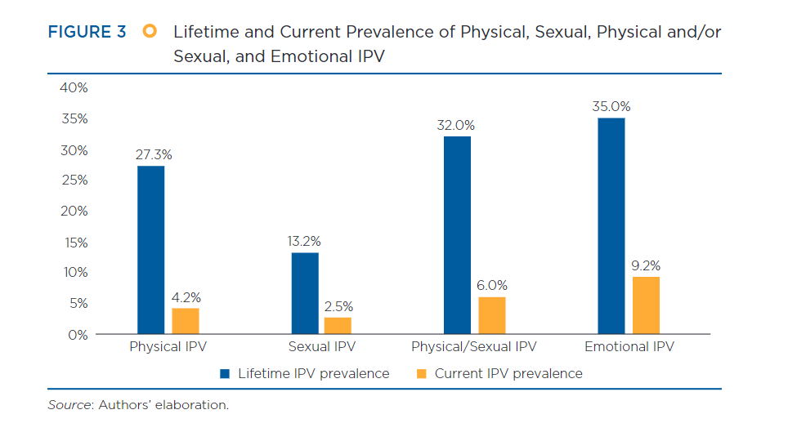

5.2.2
...
Area
18-19 | 30.0 | 17.4 | 47.4 | 8 | 1.4 | 20.6 | 21.9 | 15 | 16.7 | 23
20-24 | 40.5 | 3.0 | 43.5 | 24 | 68.3 | 4.0 | 72.3 | 18 | 31.7 | 37
25-29 | 54.9 | 23.7 | 78.6 | 28 | 57.1 | 12.4 | 69.5 | 9 | 60.7 | 36
30-34 | 49.1 | 7.6 | 56.7 | 28 | 14.2 | 39.5 | 53.6 | 15 | 41.5 | 40
35-39 | 33.1 | 11.2 | 44.3 | 13 | 19.6 | 12.2 | 31.9 | 8 | 33.6 | 17
40-44 | 52.2 | 12.7 | 64.9 | 13 | 19.4 | 24.3 | 43.8 | 8 | 58.3 | 17
45-49 | 59.7 | 6.3 | 66.0 | 17 | 58.1 | 2.5 | 60.5 | 12 | 38.5 | 29

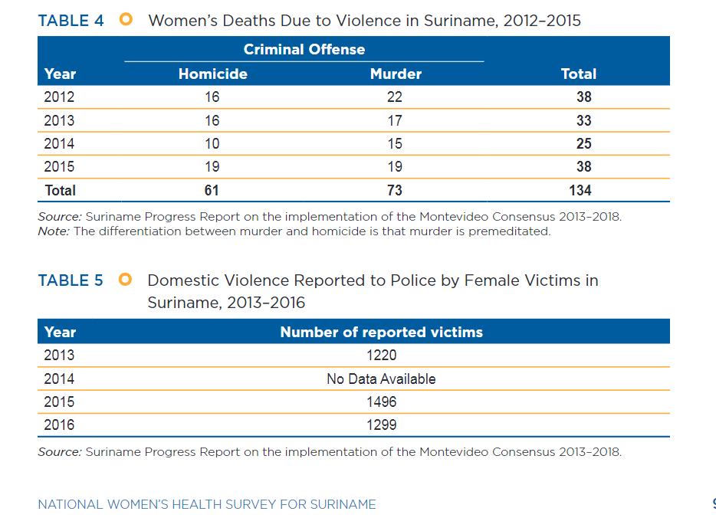
 |  |  |  |  |  | Women's Death Due to Violence in Suriname, 2012-2015
 |  |  |  |  |  | Year | Homicide | Murder | Total
 |  |  |  |  |  | 2012 | 16 | 22 | 38
 |  |  |  |  |  | 2013 | 16 | 17 | 33
 |  |  |  |  |  | 2014 | 10 | 15 | 25
 |  |  |  |  |  | 2015 | 19 | 19 | 38
 |  |  |  |  |  | Total | 61 | 73 | 134
 |  |  |  |  |  | Source: Suriname Progress Report on the Implementation and the Montevideo Consensus, 2013-2018
 |  |  |  |  |  | Note: The differentiation between murder and homicide is that murder is premediated
 |  |  |  |  |  | Retrieved from: | https://publications.iadb.org/en/national-womens-health-survey-suriname#:~:text=The%20report%20finds%20that%2032,months%20prior%20to%20data%20collection.
 |  |  |  |  |  | Table 4.

 |  |  |  |  |  | Domestic Violence Reported to Police by Female Victims in Suriname, 2013-2016
 |  |  |  |  |  | Year | Homicide
 |  |  |  |  |  | 2013 | 1220
 |  |  |  |  |  | 2014 | No data available
 |  |  |  |  |  | 2015 | 1496
 |  |  |  |  |  | 2016 | 1299
 |  |  |  |  |  | Source: Suriname Progress Report on the Implementation and the Montevideo Consensus, 2013-2018
 |  |  |  |  |  | Retrieved from: | https://publications.iadb.org/en/national-womens-health-survey-suriname#:~:text=The%20report%20finds%20that%2032,months%20prior%20to%20data%20collection.
 |  |  |  |  |  | Table 5.

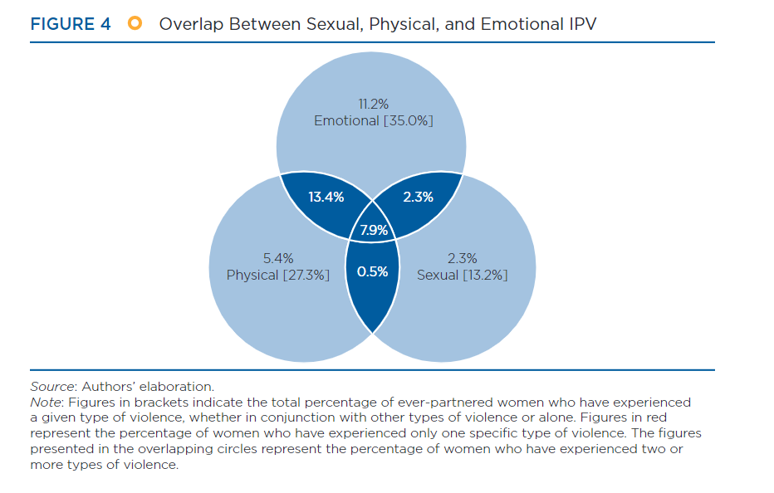

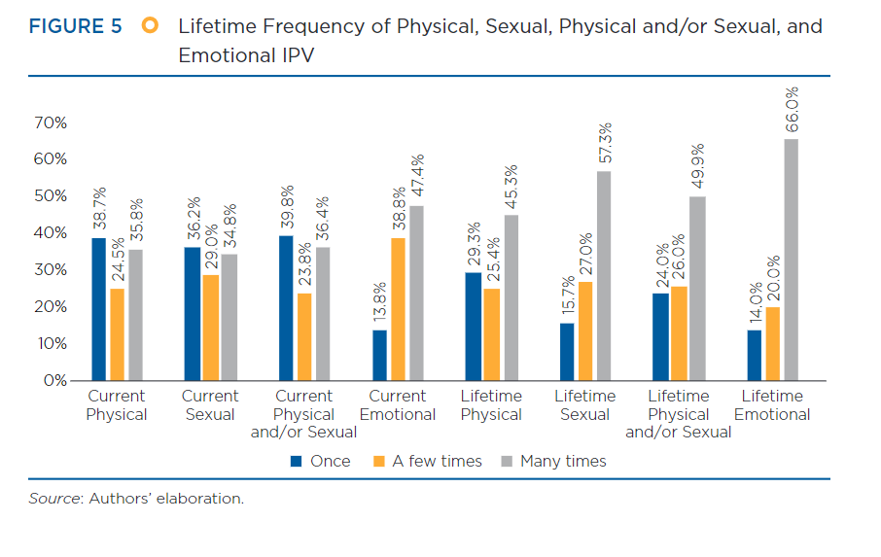

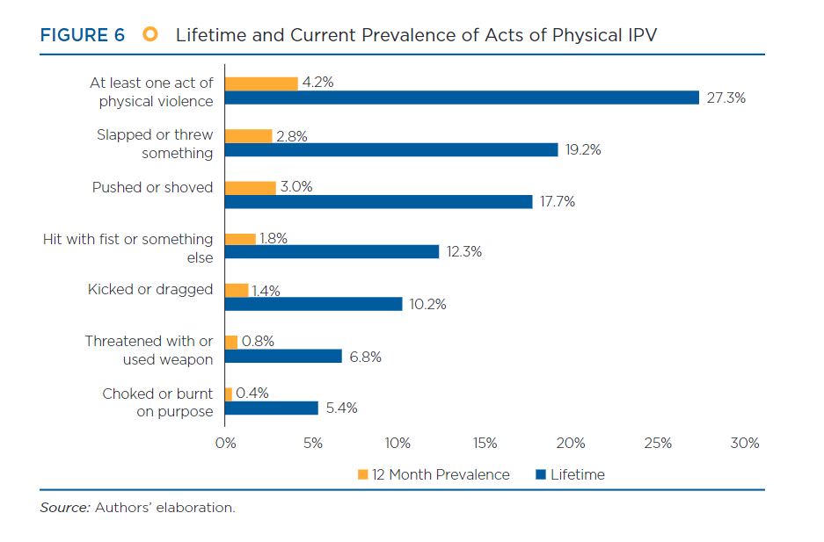

WHSurvtabs
...


