6.5.1
 |  |  | 6.5.1 Degree of integrated water resources management
 |  |  | Indicator 6.5.1 is ‘degree of integrated water resources management implementation’. It measures the stages of development and implementation of Integrated Water Resources Management (IWRM), on a scale of 0 to 100, in six categories (see Rationale section). The indicator score is calculated from a country survey with 33 questions, with each question scored on the same scale of 0-100. The definition of IWRM is based on an internationally agreed definition, and is universally applicable. IWRM was officially established in 1992 and is defined as “a process which promotes the coordinated development and management of water, land and related resources in order to maximise economic and social welfare in an equitable manner without compromising the sustainability of vital ecosystems.” (GWP 2010). The method builds on official UN IWRM status reporting, from 2008 and 2012, of the Johannesburg Plan of Implementation from the UN World Summit for Sustainable Development (1992).
 |  |  | The ministry of Natural Resources is now ins planning to install a commission for IWRM. There is a project with UN do realize this in the near future

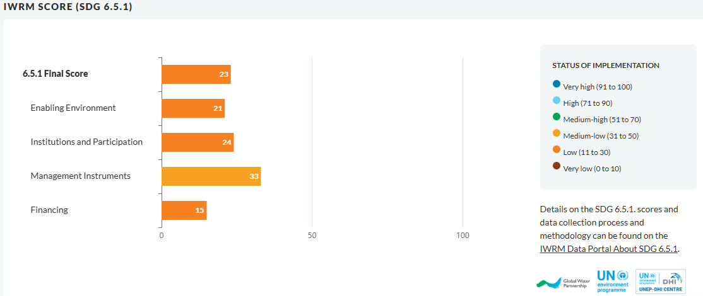

 |  |  |  |  | Suriname has a score of 23 for the 2020-21 round of data collection for SDG 6.5.1. indicator, meaning that it has a low status of IWRM implementation. In terms of Enabling Environment, the level of implementation is low. Regarding Institutional Arrangements and Participation, the country scores low. For Management instruments, the status of implementation is medium-low. Paying attention to the Finance component, the score is low.

 |  |  |  |  | Source: | https://iwrmactionhub.org/country-info/SR

Source: | https://iwrmactionhub.org/country-info/SR

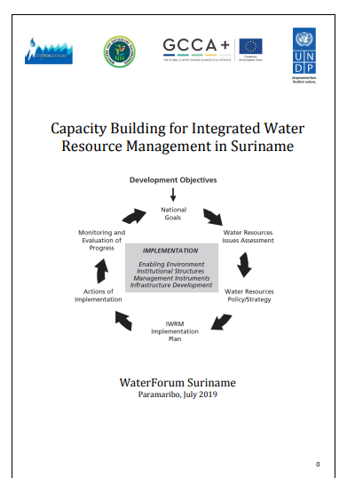
 |  |  |  | In 2016 the Government of Suriname identified the need to develop a roadmap towards Integrated Water Resources Management (IWRM) for Suriname which should be developed under the lead of the Ministry of Natural Resources (NH). In that same year the implementation of IWRM proceeded with the foundation of the Interdepartmental Water Workgroup (IWW). The Ministry of Natural Resources and Water Forum Suriname (WFS) organized in 2016 and 2017 a series of seminars on Water Governance, Potable Water and Wastewater Management, aiming to raise awareness and consulting the main stakeholders. This comprehensive report summarizes the key results following from the IWRM project: the analysis of the water related problems; the identification of current gaps in water governance that need to be filled; the action plan towards implementing IWRM in Suriname; and the monitoring plan with key indicators to monitor progress on IWRM in Suriname.

 |  | Source: | https://www.bio-plateaux.org/sites/default/files/documents/IWRM_SR.pdf

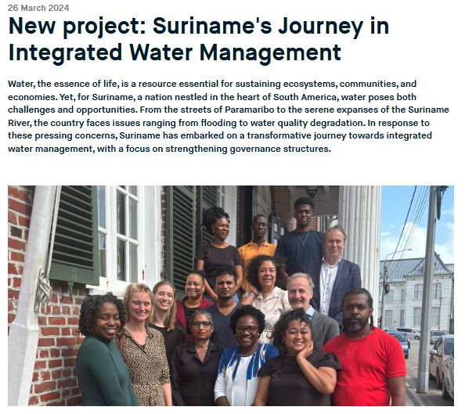
 |  |  |  | Milestones Achieved: The journey commenced with the first work visit from 18th to 27th February 2024, in various locations across Suriname. Key outcomes of the project include: - Conducting a comprehensive governance assessment within the Directorate of Water, aligning with OECD principles for water governance. - Equipping IWM personnel with skills in policy development and assessment related to integrated water management. - Strengthening internal organization through knowledge exchange and practical examples, with a focus on watershed management. - Prioritizing key stakeholders in water management along the Suriname River through stakeholder analysis. - Delivering a comprehensive report outlining opportunities for enhancing integrated water management of the Suriname River. - Facilitating training sessions and knowledge exchange initiatives on integrated water management and watershed cooperation. - Sharing Insights and Recommendations

 |  | Source: | Wereldwater.net, 2024
 |  | Retrieved from: | https://www.wereldwaternet.nl/en/latest-news/2024/new-project-surinames-journey-in-integrated-water-management/

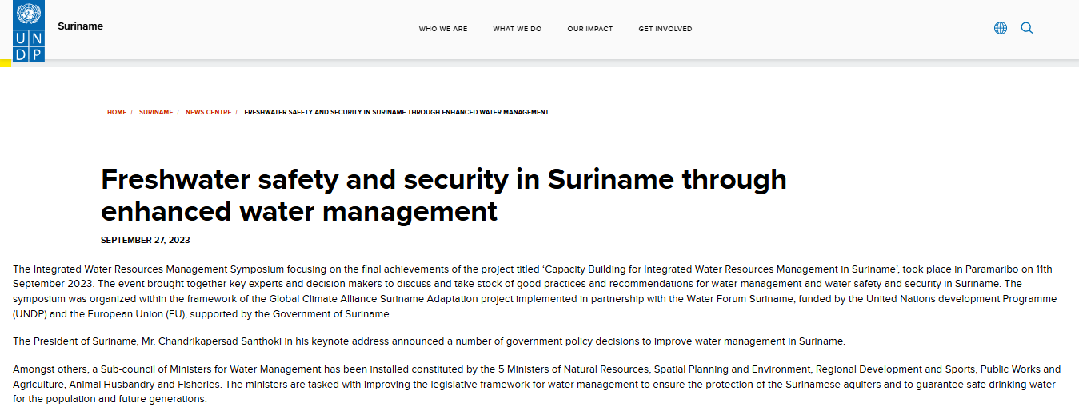
 |  |  |  |  |  |  | The Integrated Water Resources Management Symposium focusing on the final achievements of the project titled ‘Capacity Building for Integrated Water Resources Management in Suriname’, took place in Paramaribo on 11th September 2023. The event brought together key experts and decision makers to discuss and take stock of good practices and recommendations for water management and water safety and security in Suriname. The symposium was organized within the framework of the Global Climate Alliance Suriname Adaptation project implemented in partnership with the Water Forum Suriname, funded by the United Nations development Programme (UNDP) and the European Union (EU), supported by the Government of Suriname.

 |  | Source: | UNDP, 2023
 |  | Retrieved from: | https://www.undp.org/suriname/news/freshwater-safety-and-security-suriname-through-enhanced-water-management

