7.1.2
7.1.2 Proportion of population with primary reliance on clean fuels and technology
Definition population with access to clean fuels and technology Proportion of population with primary reliance on clean fuels and technology is calculated as the number of people using clean fuels and technologies for cooking, heating and lighting divided by total population reporting any cooking, heating or lighting, expressed as percentage. Cooking, lighting and heating represent a large share of household energy use across the low- and middle-income countries. For cooking and heating, households typically rely on solid fuels (such as wood, charcoal, biomass) or kerosene paired with inefficient technologies (e.g. open fires, stoves, space heaters or lamps). It is well known that reliance on such inefficient energy for cooking, heating and lighting is associated with high levels of household (indoor) air pollution. - “Clean” is defined by the emission rate targets and specific fuel recommendations (i.e. against unprocessed coal and kerosene) included in the normative guidance WHO guidelines for indoor air quality: household fuel combustion. - Households that use clean fuels and technologies for cooking are those mainly using electric stove, solar cooker, LPG (Liquefied Petroleum Gas)/cooking gas stove, biogas stove, or a liquid fuel stove burning ethanol/alcohol only. Table 7.8 shows that 92.4% of the households use clean fuels and technologies for cooking and lighting. This shows that Suriname can achieve the SDG target 6.2.

CENSUS DATA

Cooking Fuel | Number |  | %
 | 2004 | 2012 | 2004 | 2012
Propane Gas | 97,166 | 115,488 | 78.7 | 82.3
Wood/Charcoal | 19,941 | 15,999 | 16.2 | 11.4
Petroleum | 916 | 922 | 0.7 | 0.7
Electricity | 993 | 2,066 | 0.8 | 1.5
Solar energy |  | 106 | - | 0.1
Biogas |  | 473 | - | 0.3
Other | 181 | 305 | 0.1 | 0.2
Doesn’t cook | 937 | 1,047 | 0.8 | 0.7
Unknown | 3,329 | 3,961 | 2.7 | 2.8
Total | 123,463 | 140,367 | 100 | 100

 | 2004
Cooking Fuel | Parbo | Wan | Nick | Cor | Sar | Com | Mar | Para | Brok | Sip
Gas | 54,224 | 15,628 | 7,592 | 766 | 5,365 | 2,828 | 3,135 | 3,294 | 1,923 | 2,411
Wood/Charcoal | 2,615 | 4,752 | 1,444 | 59 | 774 | 1202 | 548 | 782 | 1,231 | 6,534
Petroleum | 372 | 94 | 110 | 14 | 27 | 32 | 50 | 81 | 40 | 96
Electricity | 742 | 88 | 42 | 6 | 24 | 10 | 21 | 44 | 15 | -
Other | 80 | 50 | 3 | 3 | 3 | 4 | 9 | 7 | 10 | -
Doesn’t cook | 365 | 95 | 57 | 14 | 34 | 29 | 46 | 31 | 82 | 184
Unknown | 994 | 221 | 240 | 70 | 136 | 204 | 178 | 161 | 448 | 677
Total | 59,392 | 20,928 | 9,488 | 932 | 6,363 | 4,309 | 3,987 | 4,400 | 3,749 | 9,915
 | 2012
Cooking Fuel | Parbo | Wan | Nick | Cor | Sar | Com | Mar | Para | Brok | Sip
Gas Propane) | 55,531 | 22,908 | 8,227 | 900 | 3,527 | 7,039 | 3,674 | 4,815 | 3,629 | 5,238
Wood/Charcoal | 2,035 | 5,079 | 1,063 | 58 | 1,142 | 854 | 258 | 509 | 601 | 4,400
Petroleum | 364 | 164 | 42 | 6 | 13 | 40 | 29 | 58 | 32 | 174
Electricity | 1,351 | 253 | 63 | 28 | 43 | 91 | 107 | 65 | 48 | 17
Solar energy | 28 | 23 | 23 | 5 | 13 | 7 | 5 | 3 | 0 | 4
Biogas | 172 | 29 | 20 |  |  | 213 |  | 2 | 5 | 27
None (doesn’t cook) | 332 | 128 | 63 | 9 | 29 | 50 | 24 | 32 | 93 | 287
Other | 95 | 46 | 14 | 5 | 3 | 9 | 26 | 22 | 33 | 52
Unknown | 2,252 | 309 | 312 | 80 | 70 | 41 | 235 | 244 | 217 | 201
Total | 62,160 | 28,939 | 9,827 | 1,091 | 4,840 | 8,344 | 4,358 | 5,750 | 4,658 | 10,400

Table 7.12a: Number and Percentage of Households in Paramaribo and Wanica by Type of Electricity Supply, 2015-2019
Energy Source | 2015 |  | 2016 |  | 2017 |  | 2018 |  | 2019
 | Aantal/ | % | Aantal/ | % | Aantal/ | % | Aantal/ | % | Aantal/ | %
 | Numb. |  | Numb. |  | Numb. |  | Numb. |  | Numb.
Energy Company Suriname (EBS) | 89,805 | 95 | 91,832 | 96.3 | 90,814 | 94.2 | 93,228 | 95.5 | 95,219 | 96.7
Government (NH & RO) | 755 | 0.8 | - | - | 92 | 0.1 | - | - | 201 | 0.2
Neighbours | 2,947 | 3.1 | 2,391 | 2.5 | 3,951 | 4.1 | 2,594 | 2.7 | 1,045 | 1.1
Own Generator | 233 | 0.2 | 154 | 0.2 | 233 | 0.2 | 64 | 0.1 | 81 | 0.1
Other | 98 | 0.1 | 39 | - | 132 | 0.1 | 174 | 0.2 | 576 | 0.6
No electricity | 693 | 0.7 | 953 | 1 | 1,183 | 1.2 | 1411 | 1.4 | 893 | 0.9
No answer | 41 | - | - | 0 | 25 | - | 170 | 0.2 | 463 | 0.5
Total | 94,572 | 100 | 95,368 | 100 | 96,430 | 100 | 97,639 | 100 | 98,477

MICS DATA

Table TC.4.1: Primary reliance on clean fuels and technologies for cooking
Percent distribution of household members according to type of cookstove mainly used by the household and percentage of household members living in households using clean fuels and technologies for cooking, Suriname MICS, 2018
 | Percentage of household members in households with primary reliance on: |  |  |  |  |  |  |  |  |  |  |  |  | Total | Number of household members | Primary reliance on clean fuels and technologies for cooking (in households that reported cooking)1 | Number of household members (living in households that reported cooking)
 | Clean fuels and technologies for cooking and using |  |  |  |  |  | Other fuels for cooking and using |  |  |  |  | No food cooked in the household | Missing
 | Electric stove | Solar cooker | Liquefied Petroleum Gas (LPG) / Cooking gas stove | Piped natural gas stove | Biogas stove |  | Liquid fuel stove not using alcohol / ethanol | Manufactured solid fuel stove | Traditional solid fuel stove | Three stone stove / Open fire | Other cookstove
Total | 2.0 | 0.0 | 88.7 | 0.3 | 2.8 |  | 0.0 | 0.1 | 0.8 | 3.8 | 1.2 | 0.3 | 0.0 | 100.0 | 30512 | 94.1 | 30433

Area
Urban | 2.4 | 0.0 | 90.4 | 0.3 | 3.1 |  | 0.0 | 0.1 | 0.6 | 1.8 | 1.0 | 0.3 | 0.0 | 100.0 | 22383 | 96.4 | 22325
Rural Coastal | 1.3 | 0.1 | 88.3 | 0.6 | 2.2 |  | 0.0 | 0.0 | 0.9 | 5.5 | 0.7 | 0.3 | 0.1 | 100.0 | 5408 | 92.7 | 5393
Rural Interior | 0.2 | 0.1 | 76.1 | 0.2 | 1.2 |  | 0.0 | 0.0 | 1.6 | 16.7 | 3.5 | 0.3 | 0.0 | 100.0 | 2722 | 78.0 | 2714
Region
Paramaribo | 3.3 | 0.0 | 91.1 | 0.4 | 2.8 |  | 0.0 | 0.1 | 0.1 | 1.0 | 0.8 | 0.2 | 0.0 | 100.0 | 11483 | 97.9 | 11458
Wanica | 1.6 | 0.0 | 89.7 | 0.1 | 3.0 |  | 0.0 | 0.0 | 1.0 | 2.8 | 1.4 | 0.3 | 0.0 | 100.0 | 8679 | 94.6 | 8652
...
Area
Commewijne | 95.4 | 98.7 | 94.4 | 2014
Marowijne | 97.4 | 94.6 | 93.4 | 1017
Para | 92.8 | 92.8 | 87.9 | 1454
Brokopondo | 89.2 | 92.3 | 84.4 | 1364
Sipaliwini | 66.8 | 82.3 | 54.2 | 1358
1 MICS indicator TC.18 - Primary reliance on clean fuels and technologies for cooking, space heating and lighting; SDG Indicator 7.1.2
A In order to be able to calculate the indicator, household members living in households that report no cooking, no space heating or no lighting are not excluded from the numerator
Households that use clean fuels and technologies for cooking, space heating, and lighting (EU1=01, 02, 03, 04, 05, or (EU1=06 and EU4=01)) AND (EU6=01 OR (EU8=01, 02, 03, 04, 05, OR 06)) AND (EU9=01, 02, 03, 04, OR 05). Denominators are obtained by weighting the number of households by the number of household members (HH48).

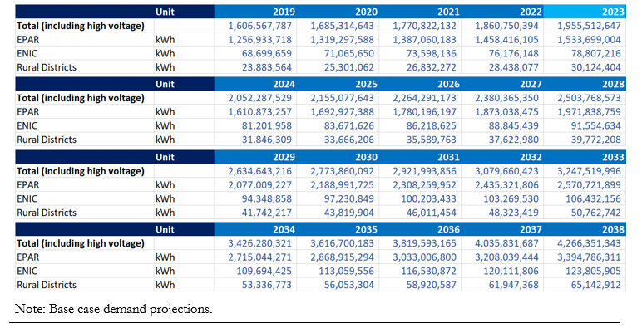
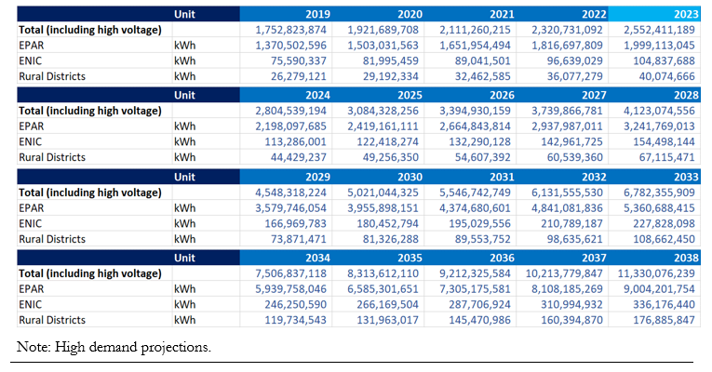

Figure 1a. Total Electricity Demand in National Grid (2019-2038), Base Case |  |  |  |  |  |  |  | Figure 1b. Total Electricity Demand in National Grid (2019-2038), High Case
Source: Energy Authority of Suriname (EAS), Energy Sector Plan 2018 |  |  |  |  |  |  |  | Source: Energy Authority of Suriname (EAS), Energy Sector Plan 2018

Cooking Gas distribution (kg), 2019-2023
District | Kg
 | 2019 | 2020 | 2021 | 2022 | 2023
Paramaribo | 22,293,818 | 21,215,000 | 20,973,910 | 20,451,316 | 21,256,310
Nickerie | 1,067,750 | 1,105,800 | 1,131,912 | 1,158,084 | 1,104,620
Totaal/Total | 23,361,568 | 22,320,800 | 22,105,822 | 21,609,400 | 22,360,930
...

7b1
...
Total Electricity Production and Installed Capacity (MW), 2015-2019 |  |  |  |  | 1 MW= 1000 KwH | Renewable Energy Share of Electricity Capacity, 2019-2023
2017# | 211.3 | 118.4 | 583200 | 36.23 | 0.2 | 2022 | 32.7
2018 | 213 | 159.1 | 590100 | 36.10 | 0.3 | 2023 | 32.7
2019 | 220.2 | 167.7 | 598000 | 36.82 | 0.3 | Source: International Renewable Energy Agency (IRENA)
2020 | 206 | 167.7 | 608,900 | 33.83 | 0.3 | Retrieved from: | https://statistics-suriname.org/wp-content/uploads/2024/12/Elfde-Milieustatistieken-pub-dec-2024.pdf
2021 | 247.4 | 192.7 | 616500 | 40.13 | 0.31 | Table 7.16a; Page 175
2022 |  |  | 624900
2023 |  |  | 633400
Bron: N.V. EnergieBedrijven Suriname / Source: Suriname Energy Company |  |  |  |  |  | Renewable Energy Share of Electricity Capacity, Hydropower Capacity and Solar Energy Capacity (MW), 2019-2023
 |  |  |  |  |  | Year | Total Renewable Energy Capacity | Hydropower Capacity | Solar Energy Capacity
 |  |  |  |  |  | 2019 | 190 | 180 | 8
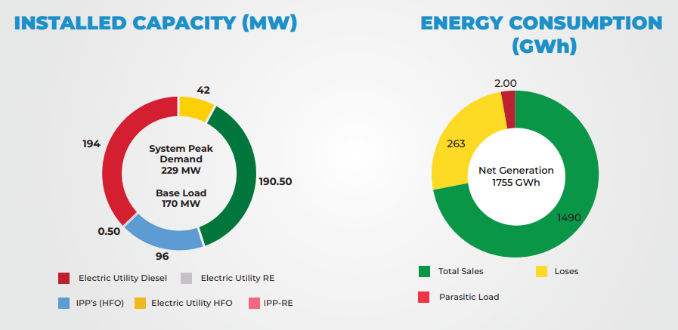
 |  |  |  |  |  | 2020 | 191 | 180 | 9
 |  |  |  |  |  | 2021 | 191 | 180 | 9
 |  |  |  |  |  | 2022 | 193 | 180 | 12
 |  |  |  |  |  | 2023 | 193 | 180 | 12
 |  |  |  |  |  | Source: International Renewable Energy Agency (IRENA)
 |  |  |  |  |  | Retrieved from: | https://statistics-suriname.org/wp-content/uploads/2024/12/Elfde-Milieustatistieken-pub-dec-2024.pdf
 |  |  |  |  |  | Table 7.16b; Page 175

Figure 1. Installed capacity and energy consumption
Source: Energy Authority of Suriname (EAS), Energy report card Suriname 2020

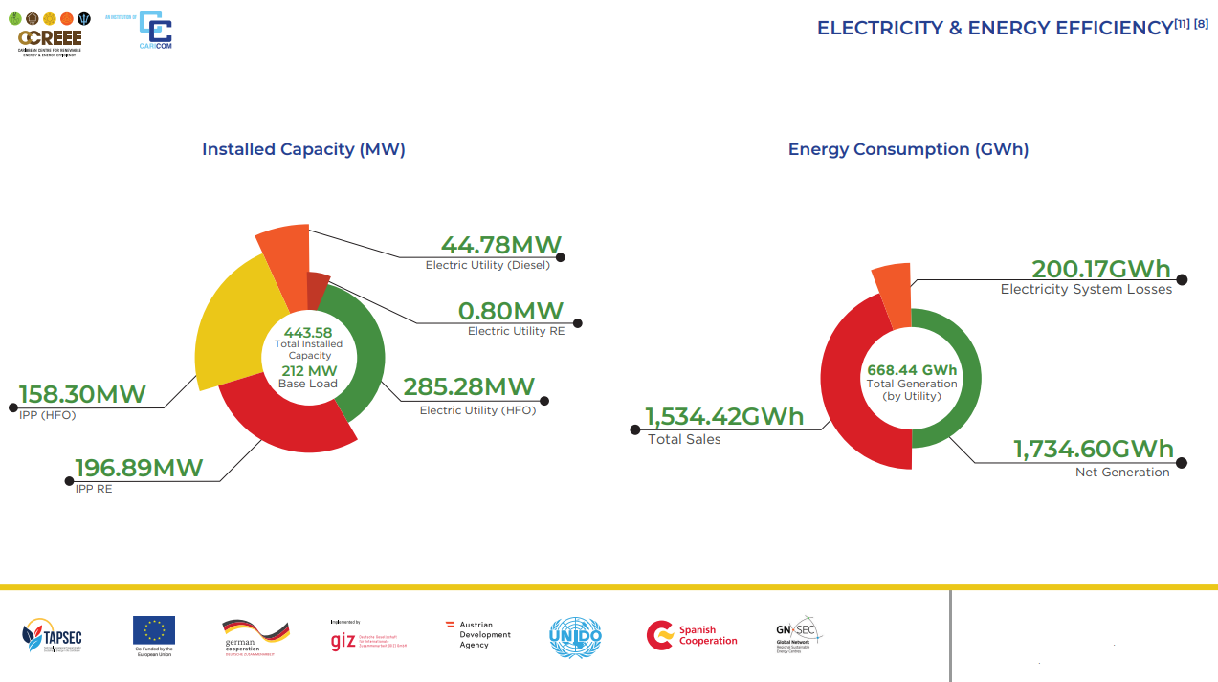

Installed Capacity (MW) and Energy Consumption (GWh), 2021 Energy report card Suriname 2021 https://cekh.ccreee.org/wp-content/uploads/2023/08/ERC_Suriname_final_003.pdf

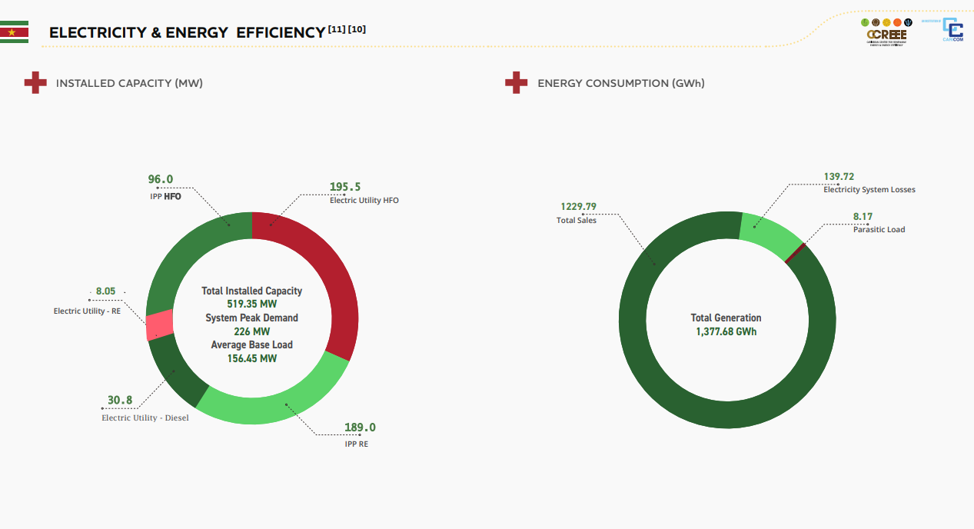

Graph 7.14c: Installed Capacity (MW) and Energy Consumption (GWh), 2022 Source: Energy Authority of Suriname (EAS), Energy report card Suriname 2022

