8.3.1
8.3.1 Proportion of informal employment in total employment, by sector and sex
This indicator presents the share of employment which is classified as informal employment in the total economy, and separately in agriculture and in non-agriculture.

Table SDG8. ... Estimates of the Non - Observed Economies of selected Caribean countries
country/Year | 1999 | 2000 | 2001 | 2002 | 2003 | 2004 | 2005 | 2006 | 2007 | Average
Suriname | 39.9 | 39.8 | 40.3 | 40.8 | 41.5 | 42.9 | 43.3 | 43.9 | 44.7 | 41.9
Suriname* | 77 | 32 | 63 | 30 | 31 | 21 | 29 | 32 | 24 | 37.7
Guyana | 33.8 | 33.6 | 33.8 | 33.5 | 33.3 | 33.8 | 33 | 33.4 | 33.3 | 33.5
Jamaica | 36.4 | 36.4 | 36.6 | 36.6 | 38.6 | 39.1 | 38.9 | 40.2 | 40.5 | 38.1
Haïti | 56 | 55.4 | 54.7 | 54.3 | 54.4 | 53.4 | 53.7 | 53.8 | 53.7 | 54.4
Source: Schneider, Buehn, and Montenegro (2010); *Kamau & Lin (2015), Greenidge, Holder, and Mayers (2009) in Peters (2017).

Suriname: Estimates of informal economy, using the average tax rate, 2001–2013
Year | Illegal | Legal | Income turning speed of legal money | Informal economy | Informal economy (in % of BBP)
 | Money | Money | -3 | -4 | -5
 | -1 | -2
2001 | 118.66 | 72.16 | 19.68 | 2335.16 | 164.45
2002 | 306.98 | 247.23 | 5.99 | 1838.98 | 124.17
2003 | 295.89 | 258.2 | 6.08 | 1799.22 | 114.6
2004 | 291.09 | 461.47 | 3.72 | 1082.03 | 63.08
2005 | 405.57 | 510.55 | 3.51 | 1424.94 | 79.44
2006 | 428.19 | 815.66 | 2.28 | 977.86 | 52.5
2007 | 581.78 | 1076.25 | 1.82 | 1058.36 | 54.06
2008 | 591.06 | 1311.28 | 1.55 | 919.1 | 45.08
2009 | 519.36 | 1797.51 | 1.17 | 606.89 | 28.89
2010 | 443.65 | 2077.72 | 1.06 | 471.64 | 21.35
2011 | 509.93 | 2653.64 | 0.88 | 446.81 | 19.22
2012 | 479.86 | 3343.38 | 0.72 | 343.97 | 14.35
2013 | 453.4 | 4108.25 | 0.6 | 272 | 11.04
Average | 417.3 | 1441 | 3.8 | 1044.4 | 60.9
Source: Peters (2017)

Real growth ratio in Suriname 1990-2012
Year | Real Growth Informal Economy (%) | Real Growth Formal Economy (%) | Real Growth Informal en Formal Economy (%)
1990 | 61 | -4.3 | 21
1991 | -65 | 5.7 | -30.4
1992 | 41 | -02 | 10.7
1993 | -80 | -7.3 | -31.6
1994 | 312 | 3.3 | 33.5
1995 | 419 | 0.8 | 127.4
1996 | -70 | 1.6 | -47.7
1997 | 5 | 5.7 | 5.6
1998 | 222 | 1.4 | 89.4
1999 | -63 | -0.6 | -43.2
2000 | -59 | -0.2 | -25.8
2001 | 114 | 7.5 | 33.2
2002 | -49 | 7.7 | -14.2
2003 | 8 | 5.3 | 6
2004 | -45 | 8.4 | -4.2
2005 | 99 | 5.9 | 18.4
2006 | 43 | 31.8 | 34.4
2007 | -19 | 5.1 | -0.6
2008 | -9 | 4.2 | 1.6
2009 | 15 | 3 | 5.1
2010 | 6 | 4.1 | 4.5
2011 | 39 | 4.7 | 11.4
2012 | -29 | 4.5 | -3.7
Average | 38.96 | 4.27 | 8.73
Source: Kaman & Lin (2015)

year | Lower band | Informal sector in % GDP (market prices) | Upper bands
1990 |  | 15.8
1991 |  | 17.6
1992 |  | 18.5
1993 |  | 17.8
1994 |  | 17.3
1995 |  | 18.1
1996 |  | 16.4
1997 |  | 16.4
1998 |  | 15.3
1999 |  | 15.3
2000 |  | 14.7
2001 |  | 14.7
2002 |  | 13.6
2003 |  | 14.8
2004 |  | 15
2005 |  | 14.4
2006 |  | 15
2007 |  | 18
2008 |  | 19
2009 |  | 20
2010 |  | 22
2011 |  | 23
2012 |  | 24
2013 |  | 25
2014 |  | 26
2015 |  | 28
2016 |  | 30
2017 |  | 32
2018 |  | 34
2019 | 35 | 35 | 35
2020 | 36.19 | 39.7 | 43.19
2021 | 39.26 | 42.9 | 47.2
2022 | 44.43 | 48.4 | 53.08
2023 | 51.17 | 55.6 | 60.93
2024 | 53.36 | 58.5 | 64.57
2025 | 56.29 | 61.6 | 68.08
Source: Author's Calculations

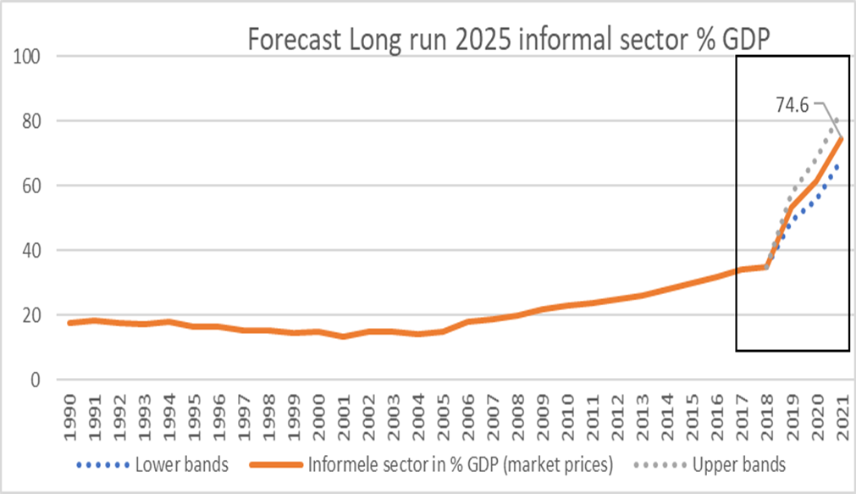

8.4.2
 |  | 8.4.2 Domestic material consumption, domestic material consumption per capita, and domestic material consumption per GDP
 |  | Material Footprint (MF) is the attribution of global material extraction to domestic final demand of a country. The total material footprint is the sum of the material footprint for biomass, fossil fuels, metal ores and non-metal ores.

Domestic material consumption, by type of raw material, 2000-2022 |  | Domestic material consumption per unit of GDP, by type of raw material, 2000-2022 |  | Domestic material consumption per capita, by type of raw material, 2000-2022
Year | Tonnes* | Year | Kilograms per constant 2015 United States dollars* | Year | Tonnes*
2000 | 1,206,825.94 | 2000 | 0.44 | 2000 | 2.52
2001 | 1,202,658.06 | 2001 | 0.42 | 2001 | 2.47
2010 | 1,229,294.71 | 2010 | 0.32 | 2010 | 1.89
2011 | 1,300,203.03 | 2011 | 0.32 | 2011 | 2.02
2012 | 1,275,230.46 | 2012 | 0.29 | 2012 | 1.94
2013 | 1,314,389.06 | 2013 | 0.27 | 2013 | 1.85
2002 | 935,834.15 | 2002 | 0.30 | 2002 | 2.11
2003 | 1,017,854.67 | 2003 | 0.28 | 2003 | 2.07
2004 | 991,212.65 | 2004 | 0.26 | 2004 | 2.04
2005 | 956,585.31 | 2005 | 0.29 | 2005 | 2.26
2006 | 1,102,497.54 | 2006 | 0.27 | 2006 | 2.25
2007 | 1,091,752.34 | 2007 | 0.27 | 2007 | 2.35
2008 | 1,088,638.63 | 2008 | 0.25 | 2008 | 2.28
2009 | 1,219,408.17 | 2009 | 0.25 | 2009 | 2.33
2014 | 1,351,814.95 | 2014 | 0.26 | 2014 | 2.37
2015 | 1,403,814.58 | 2015 | 0.27 | 2015 | 2.44
2016 | 1,365,997.65 | 2016 | 0.28 | 2016 | 2.35
2017 | 1,414,360.16 | 2017 | 0.29 | 2017 | 2.41
2018 | 1,394,827.49 | 2018 | 0.27 | 2018 | 2.35
2019 | 1,421,843.47 | 2019 | 0.27 | 2019 | 2.37
2020 | 1,131,458.83 | 2020 | 0.26 | 2020 | 1.86
2021 | 1,114,880.40 | 2021 | 0.26 | 2021 | 1.82
2022 | 1,141,254.77 | 2022 | 0.26 | 2022 | 1.85
Source: SDG Global Database, Retrieved from: |  | Source: SDG Global Database, Retrieved from: |  | Source: SDG Global Database, Retrieved from:
https://agenda2030lac.org/estadisticas/regional-data-bank-statistical-follow-up-sdg-1.html?indicator_id=5108&lang=en |  | https://agenda2030lac.org/estadisticas/regional-data-bank-statistical-follow-up-sdg-1.html?indicator_id=5108&lang=en |  | https://agenda2030lac.org/estadisticas/regional-data-bank-statistical-follow-up-sdg-1.html?indicator_id=5108&lang=en
Goal 8.4.2, Filter: Suriname |  | Goal 8.4.2, Filter: Suriname |  | Goal 8.4.2, Filter: Suriname
*Estimated data |  | *Estimated data |  | *Estimated data

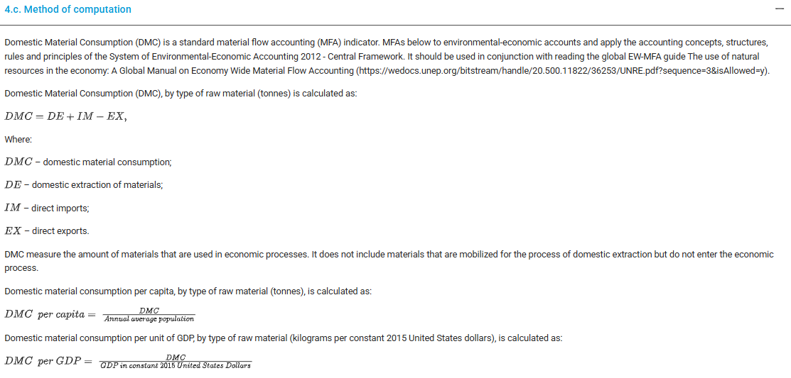

8.5.1
8.5.1 Average hourly earnings of employees, by sex, age, occupation and persons with disabilities
This indicator provides information on the mean hourly earnings from paid employment of employees by sex, occupation, age and disability status.
Concepts:
Earnings refer to the gross remuneration in cash or in kind paid to employees, as a rule at regular intervals, for time worked or work done together with remuneration for time not worked, such as annual vacation, other type of paid leave or holidays. Earnings exclude employers’ contributions in respect of their employees paid to social security and pension schemes and also the benefits received by employees under these schemes. Earnings also exclude severance and termination pay. For international comparability purposes, statistics of earnings used relate to employees’ gross remuneration, i.e. the total before any deductions are made by the employer in respect of taxes, contributions of employees to social security and pension schemes, life insurance premiums, union dues and other obligations of employees. As stated in the indicator title, data on earnings should be presented on the basis of the arithmetic average of the hourly earnings of all employees.
...
Average exchange rate SRD to US$ | 7.03 |  |  | 7.58 |  |  | 7.53 |  |  | 7.52 |  | 7.52 | Average exchange rate SRD to US$
Public administration and defense; compulsory social security | 1,058,096 | 1,027,911 | 1,061,353 | 1,252,700 | 1,839,026
Education | 695,106 | 731,882 | 964,743 | 1,035,967 | 1,258,635
Human health and social work activities | 744,230 | 768,141 | 855,013 | 1,077,883 | 1,228,971
Other service activities | 110,499 | 45,246 | 45,248 | 47,194 | 57,256
Activities of households as employers; undifferentiated goods- and services-producing activities of households for own use | 104,919 | 97,629 | 115,343 | 125,659 | 145,378
Activities of extraterritorial organizations and bodies | 390,410 | 409,805 | 429,200 | 467,587 | 537,753
 | 4,899 | 4,558 | 5,385 | 5,867 | 6,301
Total | 8,769,197 | 9,404,060 | 10,721,248 | 12,139,065 | 13,183,885
Source: GBS- National Accounts

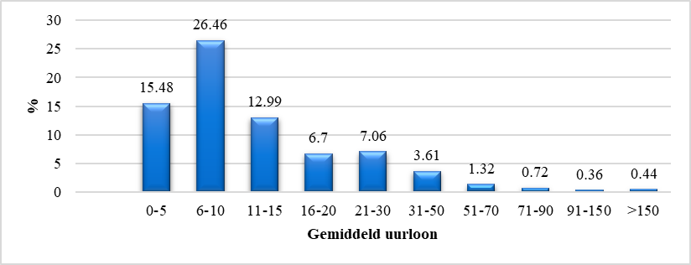
Thesis from Tesora ooft using IDB- Living Survey 2016-2017 data

Average hourly wage by activity status
Activity status | Observation | Average hour wage (SRD) | Average hour wage (USD) | Modal Class (SRD)
independent entrepreneur | 254 | 15,68 | 2.1 | 0-5
Public sector | 548 | 19,26 | 2.59 | 6-10
Private sector | 908 | 13,37 | 1.79 | 6-10
Source: Authors ( Tesora Ooft) calculation using IDB-data 2016-2017

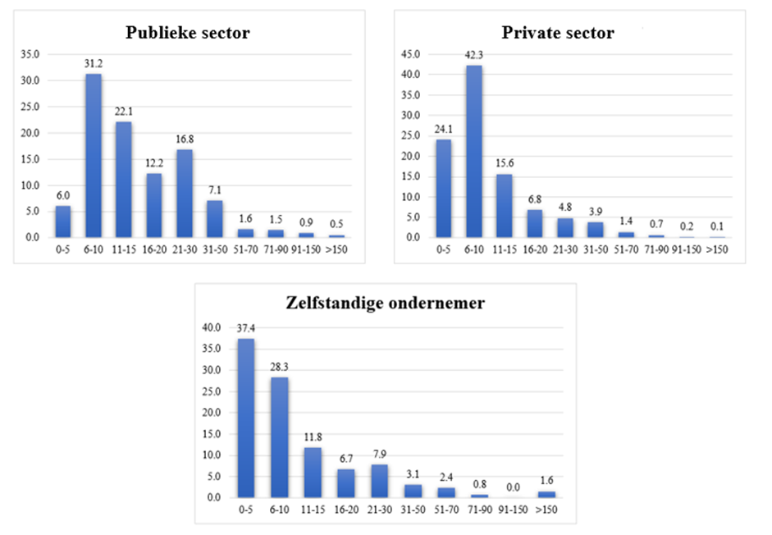
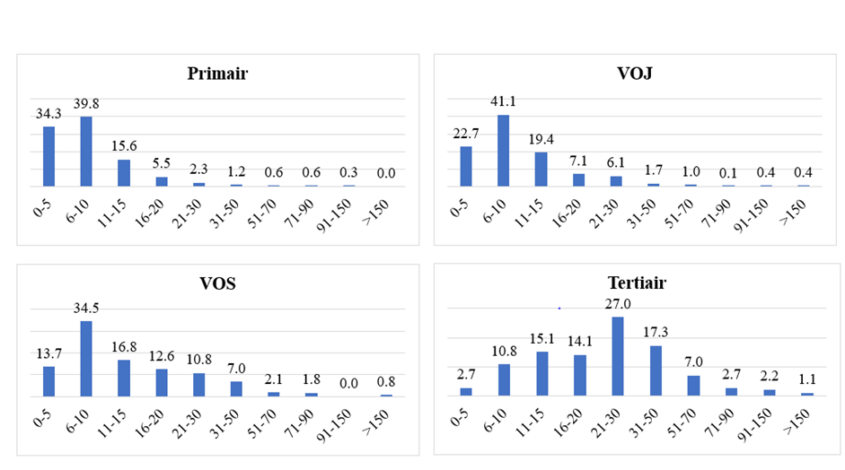
Average hourly wage in SRD per sector
Sectors | Observation | Average hour wage (SRD) | Average hour wage (USD)
A. Agriculture, Animal Husbandry, Forestry and Fishery | 138 | 8.65 | 1,16
B. Mining | 45 | 48,68 | 6,53
C. Indystry | 259 | 11,54 | 1,55
D. Production and distribution of Electricity and gas | 7 | 17,44 | 2,34
E. Extraction, purification and production of water | 14 | 15,62 | 2,10
F. Construction | 183 | 11,27 | 1,51
G. Trade | 199 | 13,18 | 1,77
H. Transport and storage | 104 | 15,06 | 2,02
I. Hotels and restaurants | 41 | 13,66 | 1,83
J. Information and Communicataion | 47 | 20,51 | 2,75
K. Financial and Insurance activities | 47 | 22,74 | 3,05
L. Activities with real estate | 0
M. Professional scientific and technical activities | 32 | 28,95 | 3,89

Hourly Wage by Sex, 2022
 | 0-5 | 6-10 | 11-15 | 16-20 | 21-30 | 31-50 | 51-70 | 71-90 | 91-150 | >150 | Total
Male | 277 | 82 | 156 | 200 | 321 | 332 | 111 | 57 | 72 | 53 | 1661
in % | 16.68 | 4.94 | 9.39 | 12.04 | 19.33 | 19.99 | 6.68 | 3.43 | 4.33 | 3.19 | 100
Female | 151 | 53 | 92 | 103 | 189 | 242 | 127 | 57 | 77 | 39 | 1130
 |  |  |  | 9.12 | 16.73 | 21.42 | 11.24 | 5.04 | 6.81 | 3.45 | 100
...

8.5.2
...
4,531 | 6,239 | 10,770 | 4% | 5% | 5% | 42% | 58% | 10,770
4,432 | 5,023 | 9,455 | 4% | 4% | 4% | 47% | 53% | 9,455
116,389 | 122,071 | 238,460 | 100% | 100% | 100% | 49% | 51% | 238,461
...
Unemployment rate
 | Unemploymentrate, relaxed definition | Unemployment rate, strict definition
1995 | 16 | 8
1996 | 19 | 11
1997 | 17 | 10
1998 | 16 | 11
1999 | 17 | 12
2000 | 0 | 14
2001 | 0 | 14
2002 | 0 | 10
2003 | 0 | 7
2004 | 11 | 8
2005 | 16 | 11
2006 | 17 | 12
2007 | 15 | 11
2008 | 13 | 9
2009 | 13 | 9
2010 | 11 | 7
2011 | 10 | 8
2012 | 10 | 8
2013 | 10 | 7
2014 | 9 | 5
2015 | 11 | 7
2016 | 15 | 10
2017 | 11
2018 | 16
...
Employed | Unemployed | Discouraged workers | Unemployment rate, strict definition | Unemploymentrate, relaxed definition
( a ) | ( b ) | ( c ) | (b/ (a+b) x100) | ((b+c)/ (a+b+c) x 100)
82,240 | 7,559 | 8,108 | 8 | 16
87,134 | 10,699 | 9,257 | 11 | 19
84,267 | 9,196 | 7,555 | 10 | 17
88,106 | 10,475 | 6,605 | 11 | 16
92,747 | 12,647 | 5,801 | 12 | 17
95,374 | 15,226 | . | 14 | .
97,872 | 15,575 | . | 14 | .
105,129 | 11,239 | . | 10 | .
111,547 | 7,817 | . | 7 | .
Figure S..Overview Employed, unemployed and discourage workers for urban 1995-2018
 | Employed | Unemployed | Discouraged workers
1995 | 82,240 | 7,559 | 8,108
1996 | 87,134 | 10,699 | 9,257
1997 | 84,267 | 9,196 | 7,555
1998 | 88,106 | 10,475 | 6,605
1999 | 92,747 | 12,647 | 5,801
2000 | 95,374 | 15,226 | 0
2001 | 97,872 | 15,575 | 0
2002 | 105,129 | 11,239 | 0
2003 | 111,547 | 7,817 | 0
2004 | 112,158 | 10,262 | 3,904
2005 | 117,379 | 14,632 | 6,903
2006 | 119,249 | 16,695 | 6,838
2007 | 123,796 | 14,806 | 6,304
2008 | 126,674 | 13,082 | 5,713
2009 | 132,346 | 12,629 | 7,146
2010 | 135,139 | 10,413 | 6,700
2011 | 135,820 | 11,084 | 4,560
2012 | 135,853 | 11,973 | 3,195
2013 | 140,895 | 9,960 | 5,456
2014 | 145,036 | 8,374 | 6,476
2015 | 136,447 | 10,621 | 6,616
2016 | 133,663 | 14,369 | 8,584
2017 | 138,071 | 11,189 | 6,293
2018 | 137,059 | 14,277 | 11,655
112,158 | 10,262 | 3,904 | 8 | 11
117,379 | 14,632 | 6,903 | 11 | 16
119,249 | 16,695 | 6,838 | 12 | 17
123,796 | 14,806 | 6,304 | 11 | 15
126,674 | 13,082 | 5,713 | 9 | 13
132,346 | 12,629 | 7,146 | 9 | 13
135,139 | 10,413 | 6,700 | 7 | 11
135,820 | 11,084 | 4,560 | 8 | 10
135,853 | 11,973 | 3,195 | 8 | 10
140,895 | 9,960 | 5,456 | 7 | 10
145,036 | 8,374 | 6,476 | 5 | 9
136,447 | 10,621 | 6,616 | 7 | 11
133,663 | 14,369 | 8,584 | 10 | 15
138,071 | 11,189 | 6,293 |  | 11
137,059 | 14,277 | 11,655 |  | 16
143,096 | 17,519 | 10,040 | 11 | 16
...
https://statistics-suriname.org/wp-content/uploads/2025/01/Statistisch-Jaarboek-Statistical-Yearbook-2020-2021-2022-dec-2023-corr-jan-2025.pdf
...

8.a.1
...
 | No data |  |  |  | Suriname multilateral and bilateral creditors in US$ millions, 2023
 |  |  | 2015 | 15,980,000 | Retrieved from: | https://sdmo.org/documenten/debtpack/CreditorDebtData2025.pdf
 |  |  | 2016 | 16,530,001
 |  |  | 2017 | 20,129,999
 |  |  | 2018 | 14,180,000
 |  |  | 2019 | 23,469,999
 |  |  | 2020 | 27,190,001
 |  |  | 2021 | 28,780,001
 |  |  | 2022 | 54,779,999
 |  |  | Source: Worldbank
 |  |  | Retrieved from: | https://data.worldbank.org/indicator/DT.ODA.ALLD.CD?locations=SR
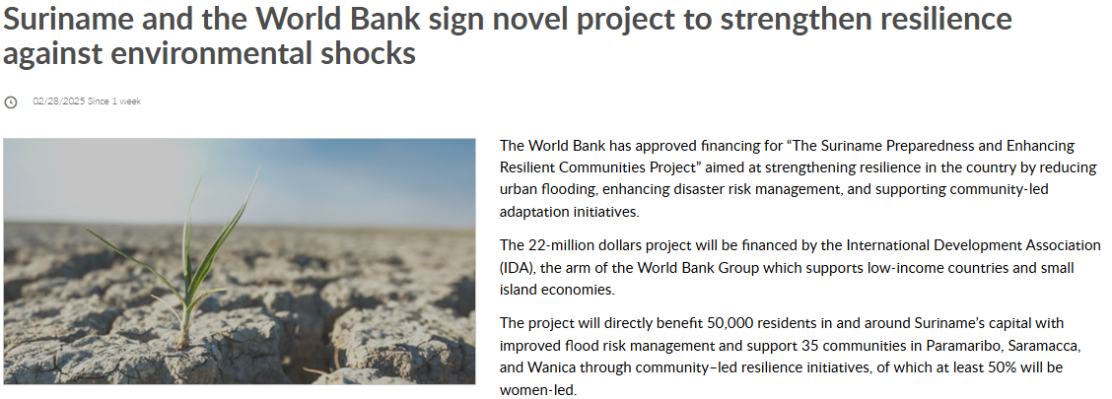

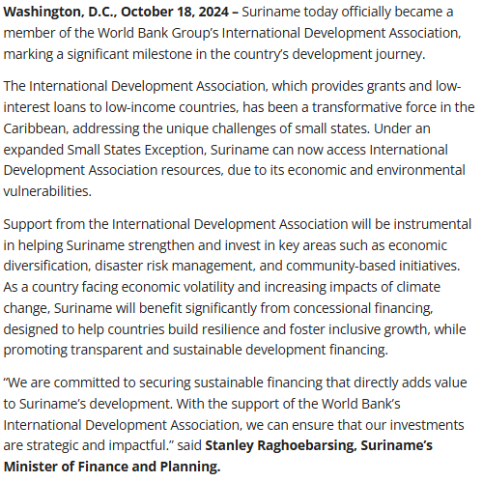

 |  | https://greenfinancelac.org/resources/news/suriname-and-the-world-bank-sign-novel-project-to-strengthen-resilience-against-environmental-shocks/

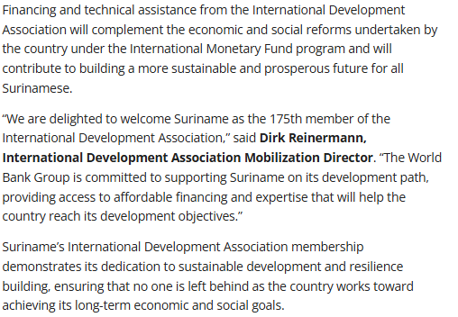

https://www.worldbank.org/en/news/press-release/2024/10/22/suriname-becomes-the-175th-member-of-the-world-bank-s-international-development-association

